Data work(1128)
Feedback from Prof.
 |  | I like the ideaa of breaking crimes down by proximity to schools etc. Interesting. You might need to use either zonal statistics or extract to point to get raster data (from kde) summerized by polygon or point.
 |  | Are you using zonal statistics to get crime intensity linked with socio-economic data?
 |  | Not sure you need to do any prediction. That would be challenging. |  |  |  | Y(Clear_Time) ~ X(Charcteristic, Tempral, zonal statistics, Spatial features)

Outline of Spatiotemporal Analysis of Crime incidents |  |  | TBD

Original Data (project.gdb) |  |  | Engineered data |  |  |  |  | Options for visualize : ArcPy, Opensource(Plotly, GeoPandas,etc)

1. Crime Incidents (*shp), ( |  |  | Feature class (5 years merge: shp.files): Crime_Incidents_19_23_Merged
- fields :
 | Characteristic
 |  | METHOD(Gun, Knife, Others) | Feature class 2 (5 years merge: CSV): Crime_Incidents_19_23_Merged_CSV
 |  | OFFENSE(9 Crime types) | Read CSV(dataframe) -> Add 6 features -> Export (CSV) -> Add on GDB
 | Temporal |  | 1)Crime_Type: 4 types (Theft, Other_Property_Crimes )
 |  | START_DATE, END_DATE | 2) Clear_Time: END_DATE - START_DATE(Minutes), Time to clear a crime incident
 |  | Report date | 3) Pandemic Phase: Before: 2019.1~2020.2, Lockdown: 2020.3.~ 2021.7, Post: 2021.8~
 |  | SHIFT (Day,Evening, Midnight) | 4) Season 5) Date Phase (the beginning, middle, or end) 6) Time hour
 | Spatial
 |  | Point(X,Y) | KDE
 |  | CENSUS_TRACT(Statistical subdivisions)
 |  | District (7 Police Service Area)
3. Economic Characteristics |  |  | Zonal statistics |  | income, poverty rate, employment_rate, industry, commute time, etc
 |  | CENSUS_TRACT
 |  | Statistics (78 features)
4. Property List |  |  | Proximity feature |  | # 1. Number of property from crime spot
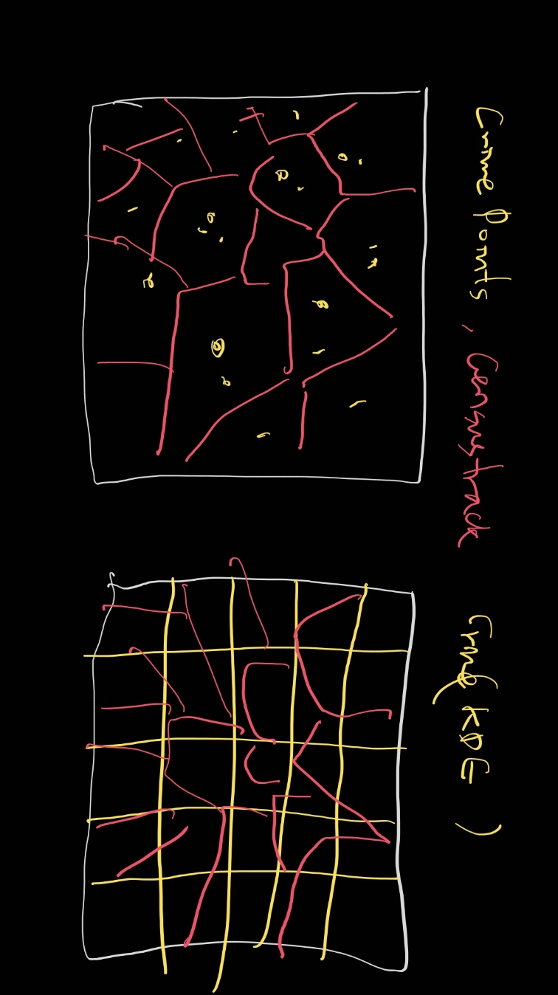
 | 1 | Grocery Store(Mart) |  |  | # 2. Distance between property and crime spot
 | 2 | Shopping Center
 | 3 | Farmer market | ex. [Hospital] num_hospitals_crime: Integer or dummy(whether it exists or not, 0, 1)
 | 4 | Cafe | 1. Calculate: 'num_hospitals' within 100 feet from a crime point
 | 5 | Liquor_Licenses | Hospital- Crime Point - SelectLayerByLocation WITHIN_A_DISTANCE (or Buffer_analysis)
 | 6 | Gas stations | GetCount(or Statistics_analysis)
 | 7 | Hospital
 | 8 | Bank | 2. Iteration for all crime points: get spatial features
 | 9 | Hotel
 | 10 | Park | 3. Link with socio-economic data (summarized zonal statistics, crime intensity)
 | 11 | Roads | Summarize 'Average of num_hospitals' by Census_tract |  |  |  |  | ** Sum of
 | 12 | Metro (Entatrance) | (End image)
 | 13 | Public Schools | Census | Poverty | num_crime | Avg_num_hospital
 |  |  | Region A | high | 10 | 1

 |  |  | Tabular data base
 |  |  | 1. Compare properties
 |  |  | 2. By the region (Linear relation)

 |  |  |  | Avg # of p
 |  |  |  | Properties within 100ft |  |  |  |  |  |  | KDE Class | Census | District
 |  |  | Incident | Grocery Store(Mart) | Shopping Center ... |  | Park | Roads | Metro (Entatrance) | Public Schools
 |  |  | A
 |  |  | B
 |  |  | C
 |  |  | Avg

ref
Property
1 | Grocery Store(Mart)
2 | Shopping Center
3 | Farmer market
4 | Cafe
5 | Liquor_Licenses
6 | Gas stations
7 | Hospital
8 | Bank
9 | Hotel
10 | Park
11 | Roads
12 | Metro (Entatrance)

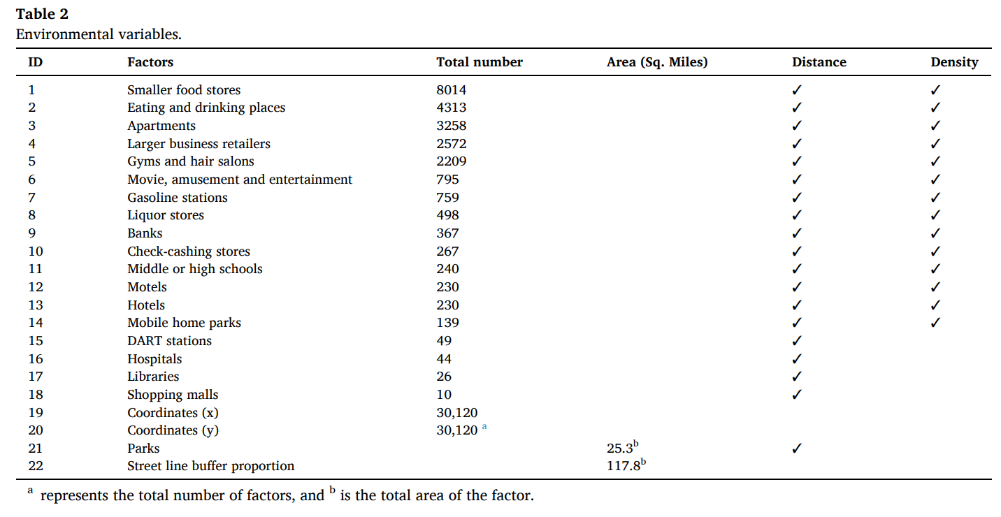
 |  | import arcpy

 |  | # Set the workspace
 |  | arcpy.env.workspace = "path_to_your_gdb"

 |  | # Create a buffer around the crime incidents
 |  | arcpy.Buffer_analysis("Crime_incident", "Crime_Buffer", "100 Feet")

 |  | # Intersect the buffer with the properties
 |  | arcpy.Intersect_analysis(["Crime_Buffer", "Properties"], "Buffer_Properties")

 |  | # Calculate the number of properties within each buffer
 |  | arcpy.Statistics_analysis("Buffer_Properties", "Buffer_Eat_drinking", [["OBJECTID", "COUNT"]])

 |  | import arcpy

 |  | # Set the workspace
 |  | arcpy.env.workspace = "path_to_your_gdb"

 |  | # Join the economic characteristics to the census tracts
 |  | arcpy.JoinField_management("Census_Tracts", "TRACT_ID", "Economic_Characteristics", "TRACT_ID", "DP03_0009PE")

 |  | # Classify the unemployment rate
 |  | arcpy.ApplySymbologyFromLayer_management("Census_Tracts", "Unemployment_Symbology.lyrx")

Crime_cols
Columns that are used in Project 1
 |  |  | Data version |  |  |  |  |  |  |  | Important Definitions (TBD)
 | OBJECTID | 293904185 | 1.0 | Data_raw | 2019~2022(seperate data, All kinds of crime) |  |  |  |  |  | 1. Time(Phrase)
 | Seq | 4 | 2.0 | Data_rev_v1 | Robbery for 4 years |  |  |  |  |  | Pre_1 | Pre-pandemic_1(12M) | 2019.1~2019.12 (Normal)
 | OFFENSE | ROBBERY |  |  |  |  |  |  |  |  | Pre_2 | Pre-pandemic_2 (3M) | 2020.1.1~2020.3.12
 | REPORT_DAT | 2019/01/01 20:21:41+00 |  |  |  |  | PK check | Create/Delete feature | Import to R(Create Rdata) |  | Lock | Lockdown(16M) | 2020.3.13~ 2021. 7.25
 | REPORT_DAT_2 | 1/1/2019 |  |  | 2023-02-24 |  | TRUE | FALSE | FALSE |  | Post | Post-pandemic(17M) | 2021.7.26~2022.12.31
 | Period_cat | Pre |  |  |  |  | Convert to Factor(Cate vars)
 | Period_cat_2 | Pre_1 |  |  |  |  |  |  |  |  |  |  |  | *19.12.31: the first confirm of COVID-19
 | Year | 2019 |  | Create var: | Most things can also be done in R (but I used excel cause data is not large, and time efficiency) |  |  |  |  |  |  |  |  | *Covid expansion
 | Month | 1 |  |  |  |  |  |  |  | Location | Ask to Prof. about using Location variables (If it needs) |  |  | *Consider specify Lockdown period by the strength of Lock(After looking through data)
 | Month_2 | 19_1 | Inintial columns |  |  |  |  |  |  | Time |  |  |  | *Consider specify Post-pandemic period (After looking through data)
 | Month_3 | 43466 |  |  |  |  |  |  |  | Etc
 | Season | WINTER |  |  |  | Seq | Variable name | Description(ex) | Type | Comment
 | Date | 1 |  | Delete |  |  | X | -77.01755651 |  | LONGITUDE
 | Date_cat | Begin |  | Delete |  |  | Y | 38.8802927 |  | LATITUDE
 | Time_hour | 20 |  | Original info |  | 1 | OBJECTID | 283580275 |  | Primary Key
 | SHIFT | EVENING |  | Create |  | 2 | Seq | unique key | Numeric | Primary Key(sequencial num)
 | Day_cat | 3 |  | Original info(ref) |  | 3 | OFFENSE | ROBBERY | Category | Our target
 | Day_cat_2 | Weekday |  | Original info(ref) |  | 4 | CCN | 20007036 |  | sub key
 | METHOD | GUN |  | Original info |  | 5 | REPORT_DAT | 2020/01/12 21:33:05+00 | Date | Time
 | DISTRICT | 7 |  | Create |  | 6 | REPORT_DAT_2 | 2020-01-12 | Date | Time
 | PSA | 708 |  | Create |  | 7 | Period_cat | Pre_1, Pre_2, Lock, Post | Category | Time(Phrase)
 | START_DATE | 43466.761111 |  | Create |  | 8 | Year | 2019~2022 | Category | Time
 | END_DATE | 43466.84147 |  | Create |  | 9 | Month | 1~12 | Category | Time
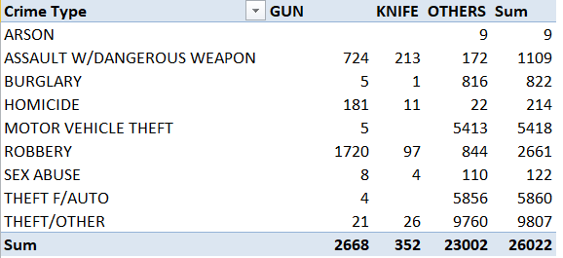
 | Clearance_rate | 116 |  | Create |  | 10 | Season | Spring,Summer,Fall,Winter | Category | Time
 | Period_cat_num | 1 |  | Create |  | 11 | Date | 1~31 | Category | Time
 |  |  |  | Create |  | 12 | Date_cat | the beginning, middle, or end | Category | Time
 |  |  |  | Create |  | 13 | Time_hour | 21:00:00 | Numeric | Time
 |  |  |  | Original info |  | 14 | SHIFT | EVENING | Category | Time
 |  |  |  | Create |  | 15 | Day_cat | Weekday, Weekend | Category | Time
 |  |  |  | Create |  | 16 | Day_cat_2 | 1~7(Sunday = 1 and ending with Saturday = 7) | Category | Time
 |  |  |  | Original info |  | 17 | METHOD | OTHERS | Category | GUN KNIFE OTHERS
 |  |  |  | Original info |  | 18 | START_DATE | 2020/01/12 19:24:43+00 |  | Time
 |  |  |  | Original info |  | 19 | END_DATE | 2020/01/12 19:53:17+00 |  | Time: Maybe can create time span of the event
 |  |  |  | Create |  | 20 | Robbery_Time |  | Minutes | END_DATE - START_DATE
 |  |  |  | Original info(ref) |  | 21 | BLOCK | 700 - 900 BLOCK OF 4TH STREET SW |  | Location(Exact address)
 |  |  |  | Delete |  |  | XBLOCK | 398476.8585 |  | Location
 |  |  |  | Delete |  |  | YBLOCK | 134716.9195 |  | Location
 |  |  |  | Original info |  | 22 | BID | SOUTHWEST | Category | Location(Lots of Null)
 |  |  |  | Original info |  | 23 | WARD | 6 | Category(change to factor) | Location_Head of ANC | *Note: Interval between Number means distance between districts
 |  |  |  | Original info |  | 24 | ANC | 6D | Category | Location_Advisory Neighborhood Commission
 |  |  |  | Original info |  | 25 | DISTRICT | 1 | Category | Location
 |  |  |  | Original info |  | 26 | PSA | 103 | Category | Location_Police Service Areas (PSA)
 |  |  |  | Original info |  | 27 | NEIGHBORHOOD_CLUSTER | Cluster 9 | Category | Location
 |  |  |  | Original info |  | 28 | BLOCK_GROUP | 010500 2 | Category | Location
 |  |  |  | Original info |  | 29 | CENSUS_TRACT | 10500 | Category | Location
 |  |  |  | Delete |  |  | VOTING_PRECINCT | Precinct 128 | Category | Location (a division used for elections)
 |  |  |  | Create |  | 30 | VOTING_PRECINCT_2 | 128 | Category | Just delete Precinct(for convenience of analysis)
 |  |  |  | Original info(ref) |  | 31 | LATITUDE | 38.88028492 | Numeric | Location
 |  |  |  | Original info(ref) |  | 32 | LONGITUDE | -77.01755422 | Numeric | Location
 |  |  |  | Delete |  |  | OCTO_RECORD_ID

