Sheet1
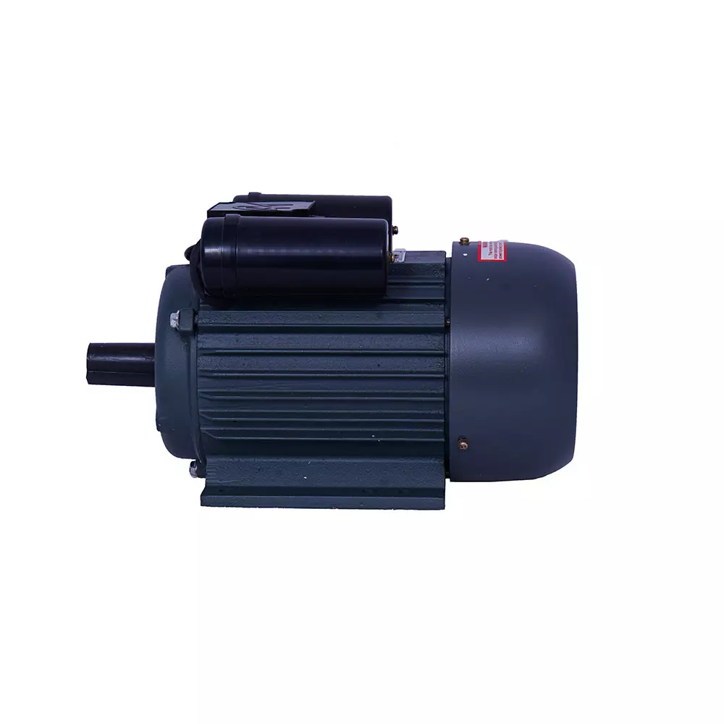
name | maincategory | subcategory | brand | color | size | baseprice | discount | finelprice | stock | specification | description | pic1
motor2 | 671241e5902c35269541676b | 671244fe902c35269541676e | 6712476d902c352695416770 | "black" | medium | 1800 | 5 | 1900 | "in-stock" | high quality | best product | D:\Industry_guru_project\Backend _panel\Backend2\Backend\public\products\1712309090020AGR.GRA.45874693_1668212681136.webp
PLSM-C2 | 671241e5902c35269541676b | 671244fe902c35269541676e | 6712476d902c352695416770 | white | standerd | 2500 | 5 | 2300 | "in-stock" | type-c | best product | D:\Industry_guru_project\Backend _panel\Backend2\Backend\public\products\1712563978059eton.png

