Sheet1
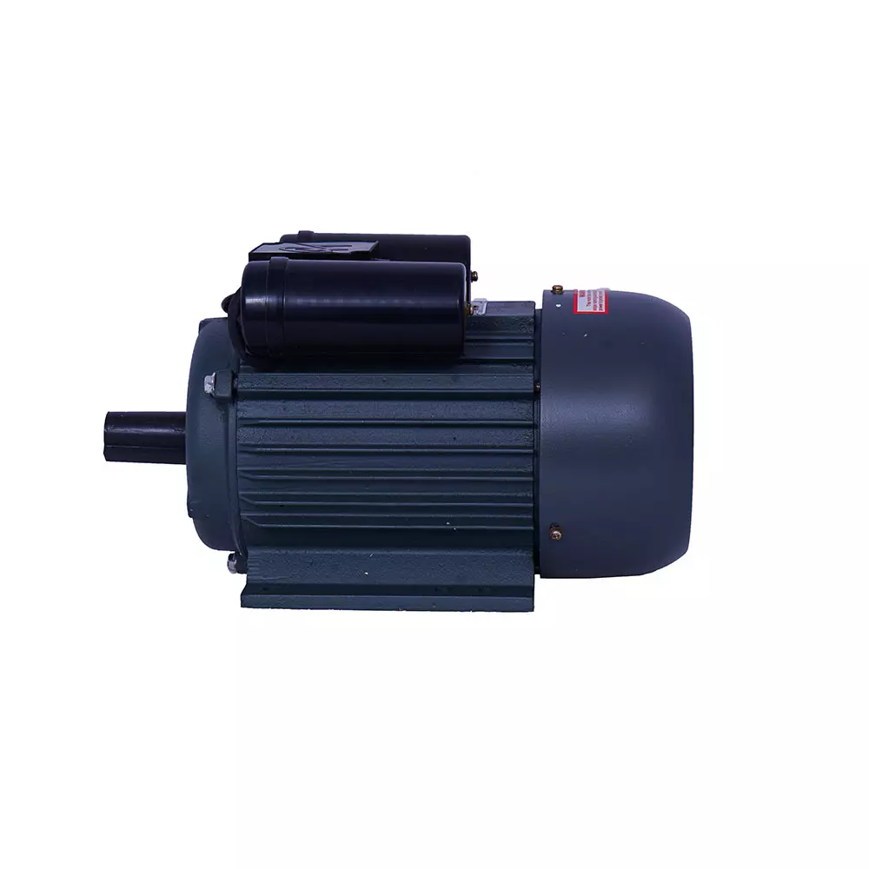
name | maincategory | subcategory | brand | color | size | baseprice | discount | finelprice | stock | specification | description | pic1 | price
motor2 | 671241e5902c35269541676b | 671244fe902c35269541676e | 6712476d902c352695416770 | "black" | medium | 1800 | 5 | 1900 | "in-stock" | high quality | best product | 17309663941801712309090020AGR.GRA.45874693_1668212681136.webp | 2000
PLSM-C2 | 671241e5902c35269541676b | 671244fe902c35269541676e | 6712476d902c352695416770 | white | standerd | 2500 | 5 | 2300 | "in-stock" | type-c | best product | 17383058659331712569497549Miniature-circuit-breaker-1-2-600x600.png | 2500

