Summary
Category | Count
Passed | 0
Failed | 1
Skipped | 0
Total | 1
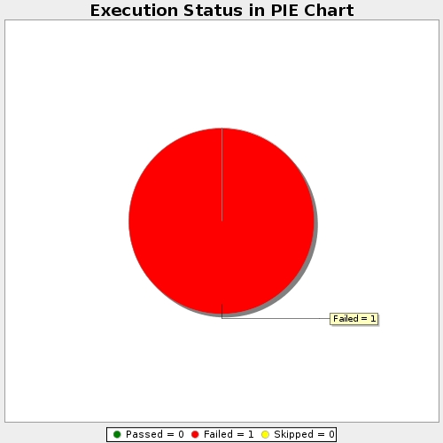
Start Time | 2019-01-10T15:17:42Z
End Time | 2019-01-10T15:19:52Z
Duration | 129618 ms

