Sheet1
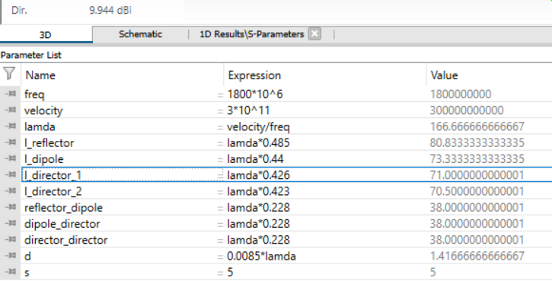
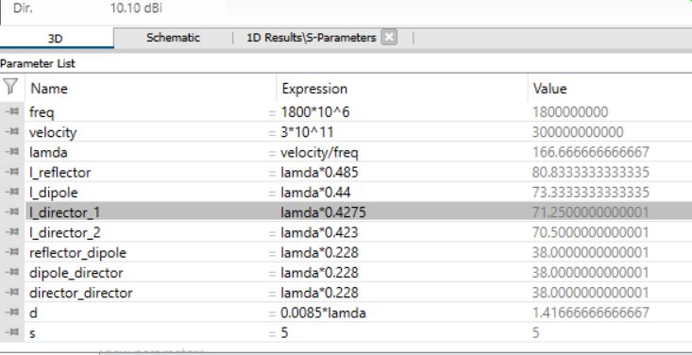
l_dipole | spacing |  | s dip | l_reflector | gain | dip | gain
0.44 | 0.21 | 0.21 | -31.3 | 0.482
0.45 | 0.21 | 0.21 | -17 | 0.482
0.44 | 0.22 | 0.22 | -20 | 0.482
0.44 | 0.22 | 0.22 | -20 | 0.485 | 9.93
0.44 | 0.23 | 0.23 | -14.3 | 0.485 | 10.19
0.44 | 0.225 | 0.225 | -16.63 | 0.485 | 10.06
0.44 | 0.222 | 0.222 | -18.97 | 0.485 | 9.97
0.44 | l_director_1, lamda*0.428, | l_director_2, lamda*0.423, | -18.97 | 0.485 | 10.05
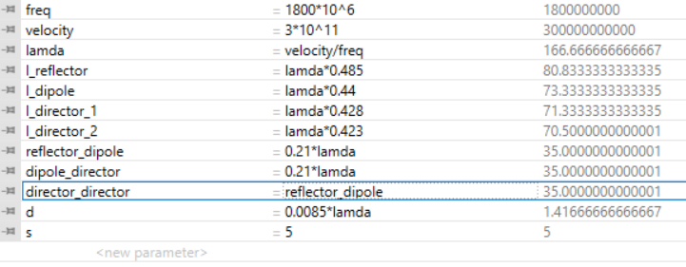
 |  |  |  |  |  | -33 | 9.74

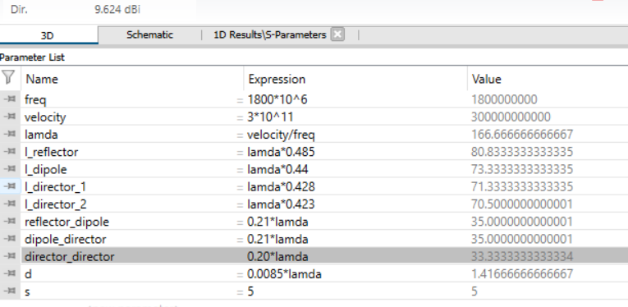
 |  |  |  |  |  | -24

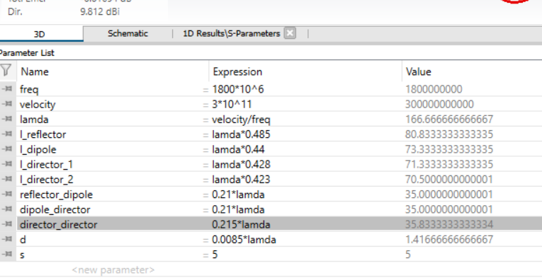
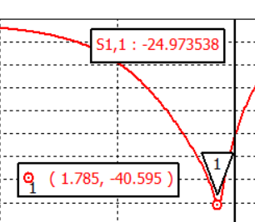

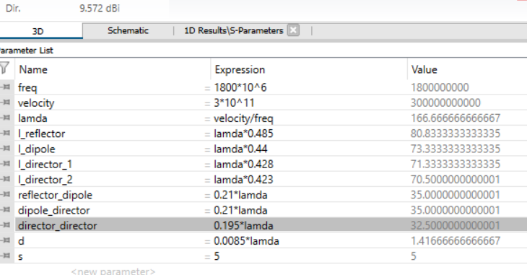
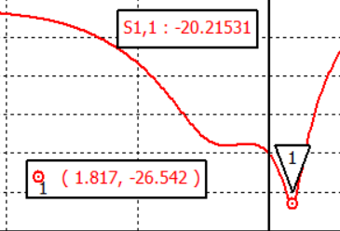


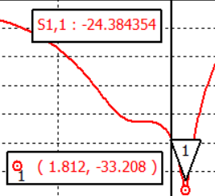

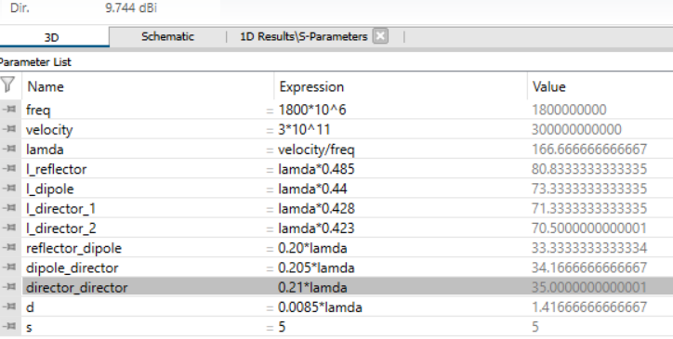
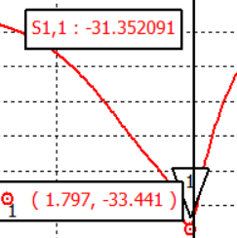

 |  |  |  |  |  |  |  | *************************

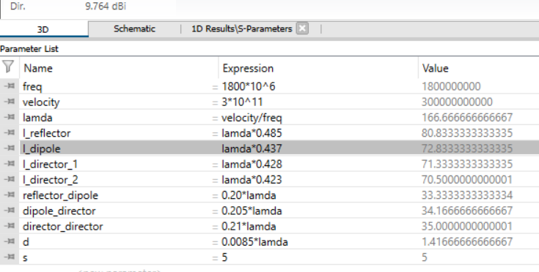
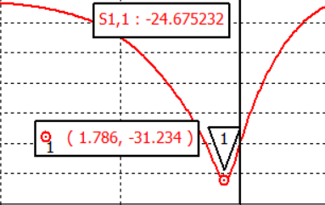

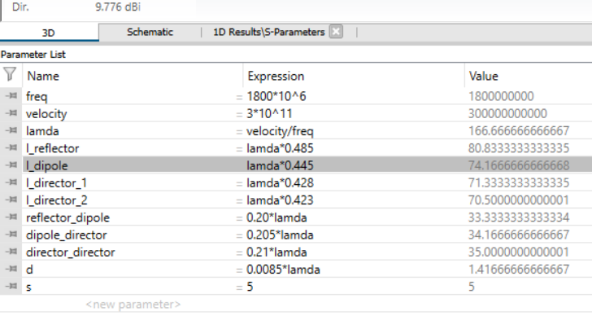
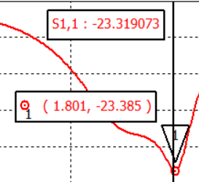

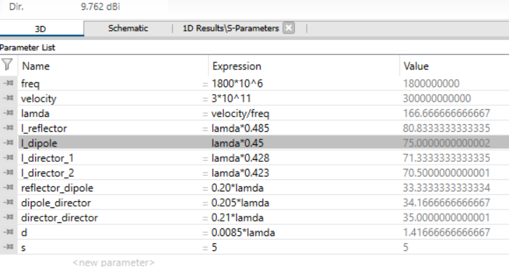

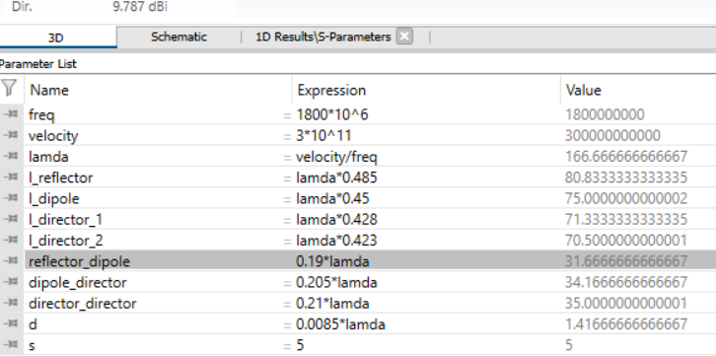

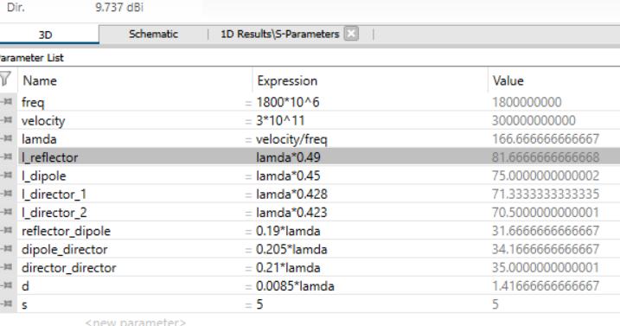

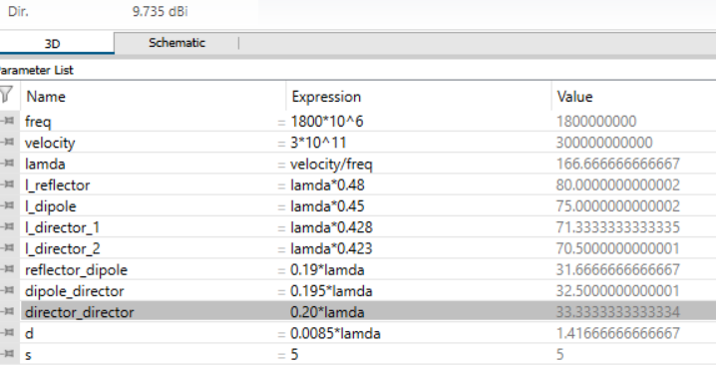

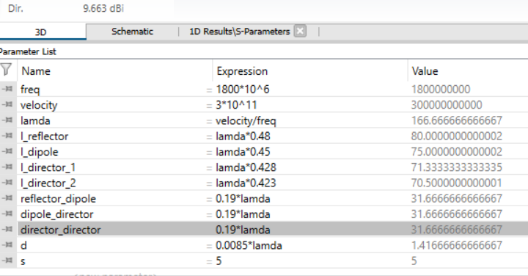

tweaking the best gain

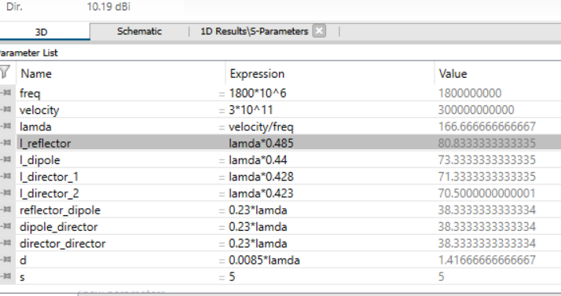

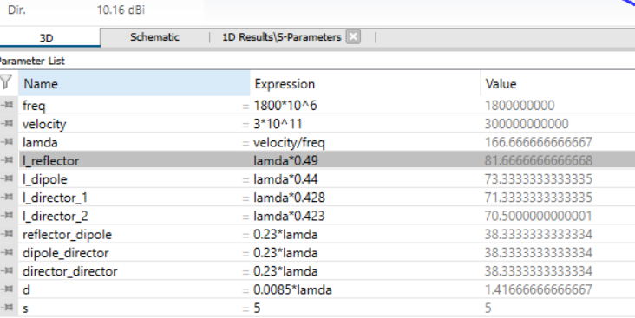

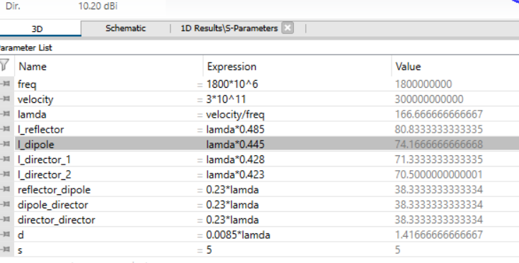

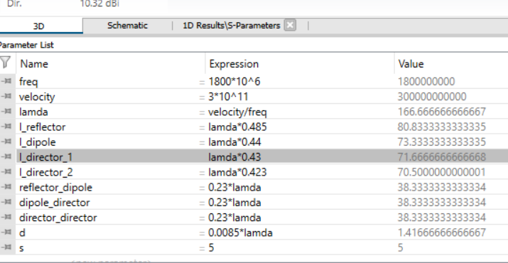

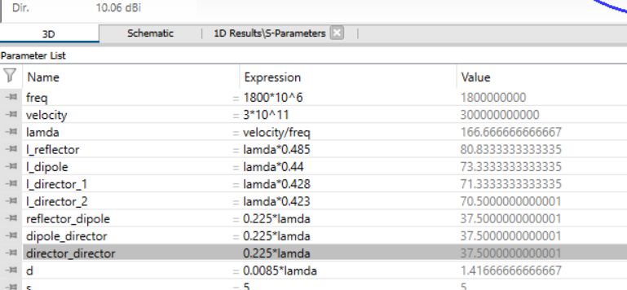

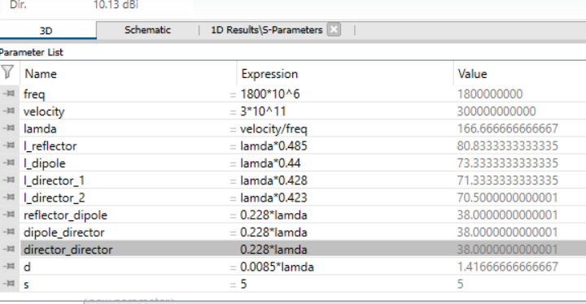

 |  |  |  |  |  |  |  |  | ****

DIRECTOR SPACING ~ GAIN ~ 1/SDIP

