1. Demographics & Context
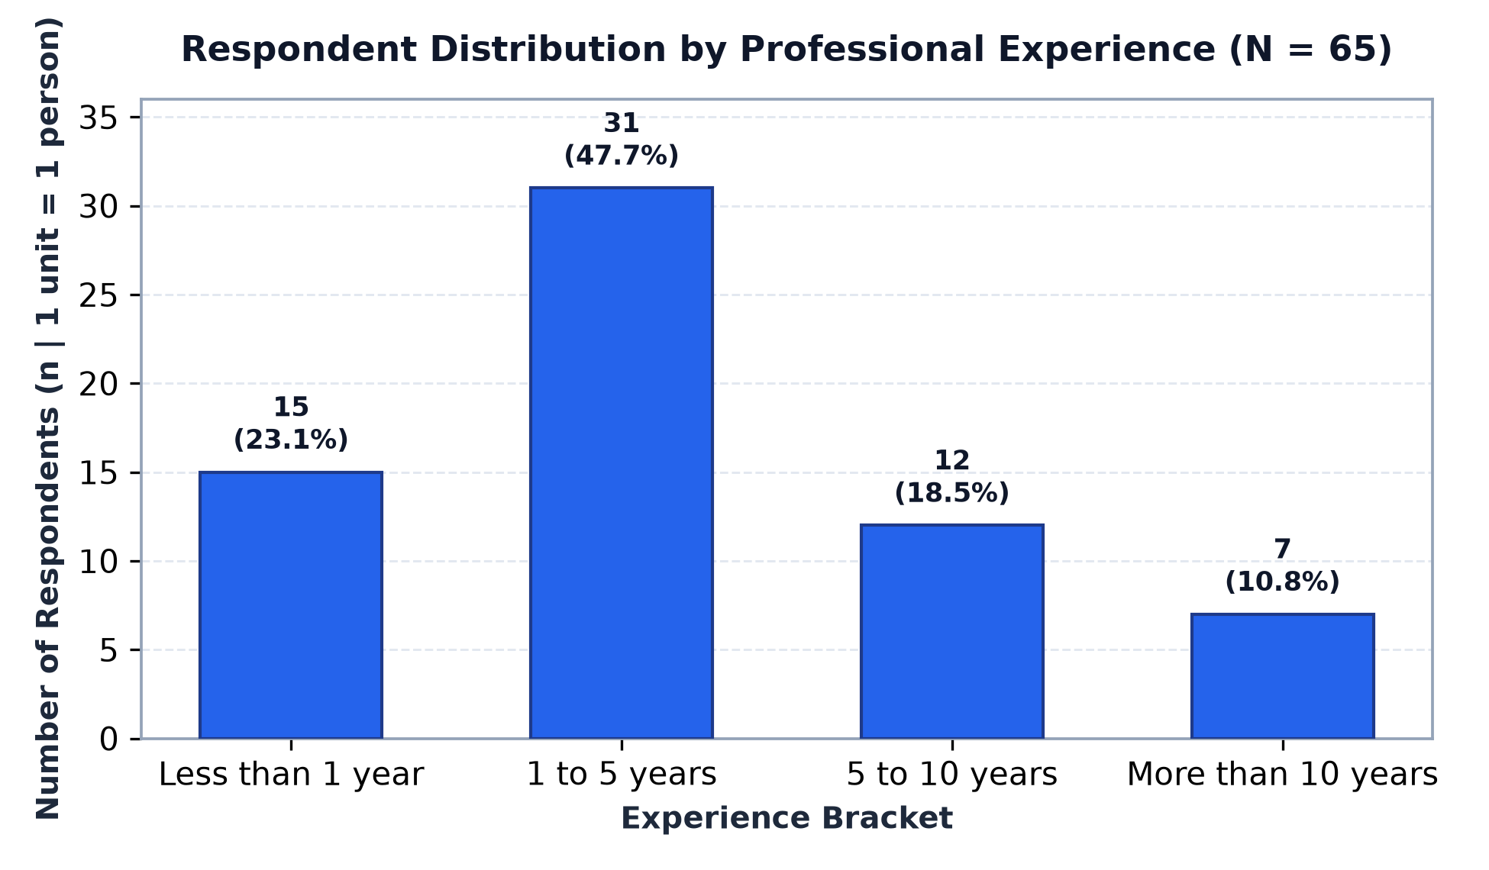
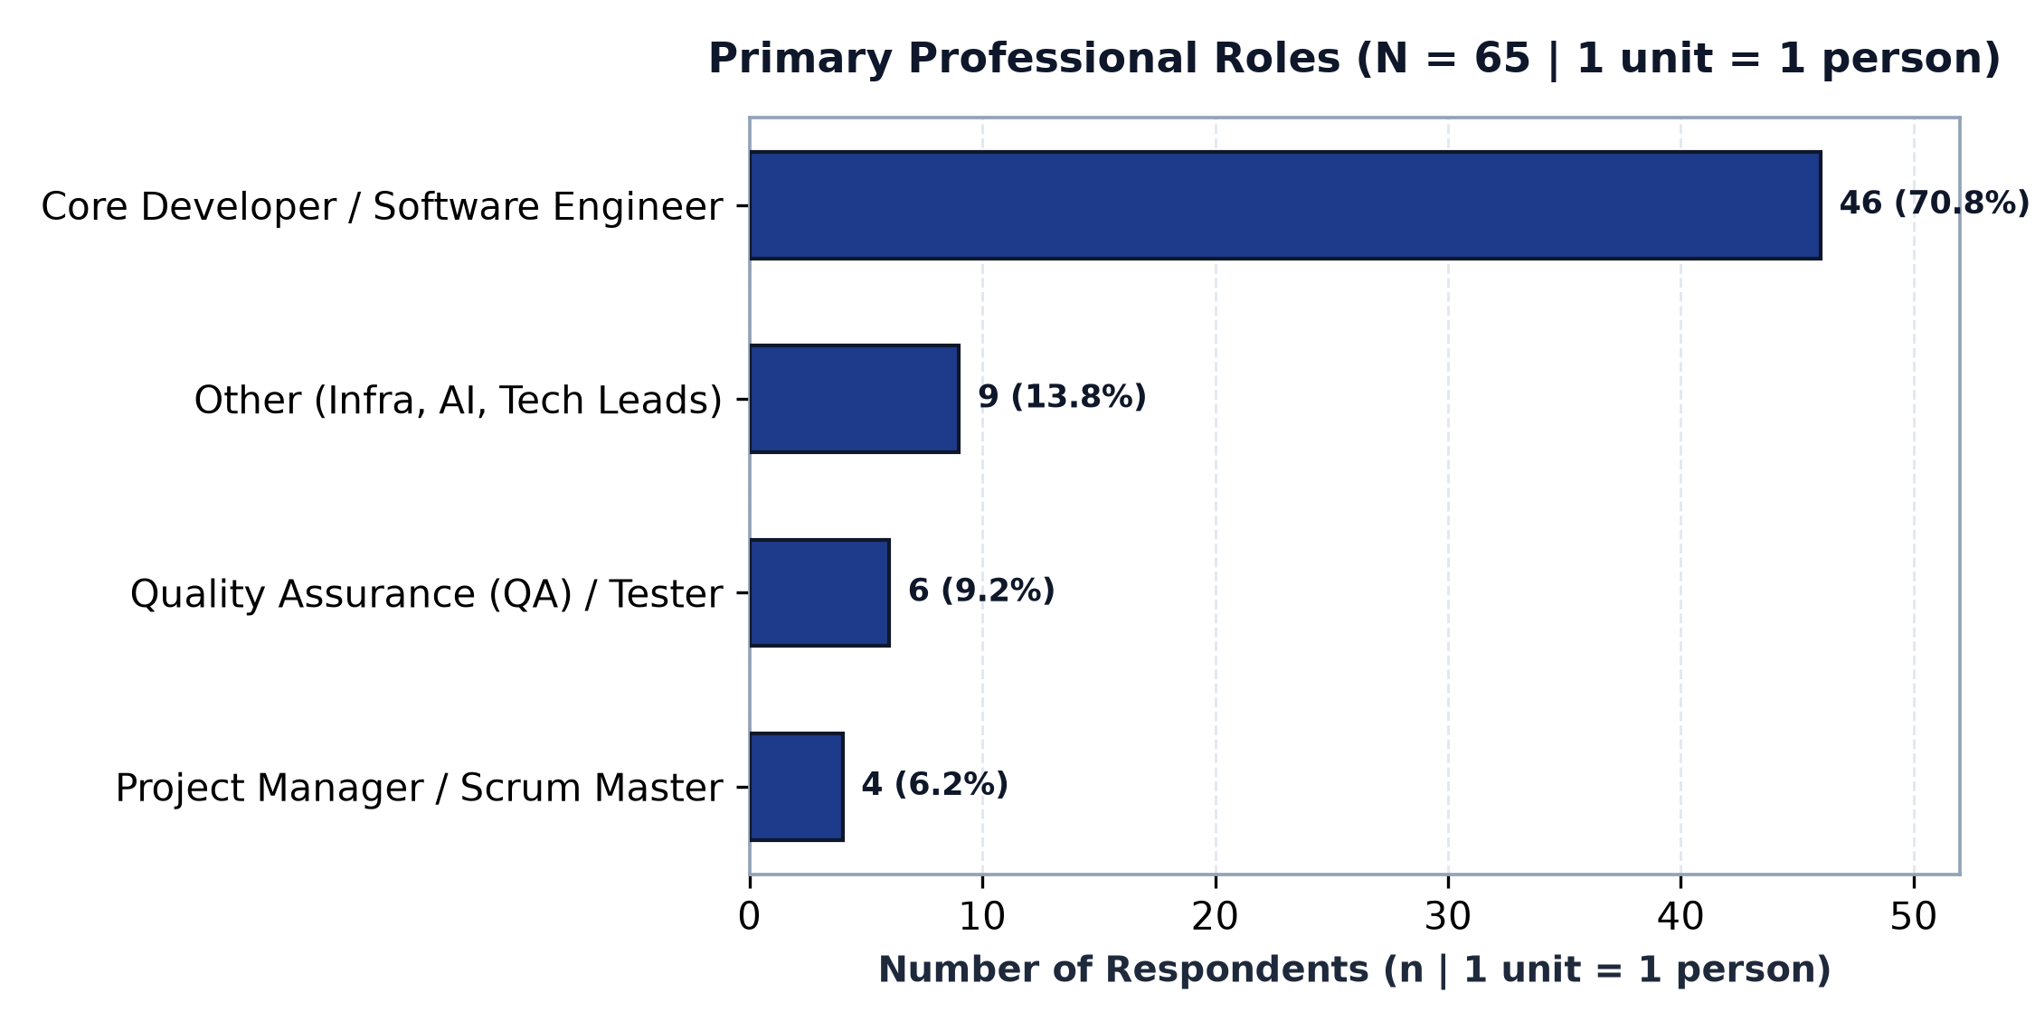
Survey Cohort Demographics & Tooling Context (N = 65)
Baseline characteristics of surveyed software engineering practitioners participating in the triage study

Table 1A: Professional Experience Breakdown
Experience Bracket | Respondent Count (n) | Cohort Proportion (%) | Analytical Context
Less than 1 year | 15 |  | Junior practitioners; forming initial triage habits
1 to 5 years | 31 |  | Mid-level practitioners; core operational developers
5 to 10 years | 12 |  | Experienced practitioners; established diagnostic routines
More than 10 years | 7 |  | Senior / Lead practitioners; architectural oversight
Total Sample Cohort (N) |  |  | Full valid dataset (N = 65)

Table 1B: Primary Professional Roles
Primary Professional Role | Respondent Count (n) | Cohort Proportion (%) | Primary Responsibilities
Core Developer / Software Engineer | 46 |  | Code investigation, bug fixing, local reproduction
Quality Assurance (QA) / Tester | 6 |  | Defect logging, reproduction verification, regression
Project Manager / Scrum Master | 4 |  | Sprint delivery, backlog prioritization, SLA tracking
Other (Infrastructure, AI, Leads) | 9 |  | Specialized systems, release gating, architecture
Total Sample Cohort (N) |  |  | 100% role representation

Visualizations: Publication Figures (High-Resolution)

2. Bottlenecks & Gaps
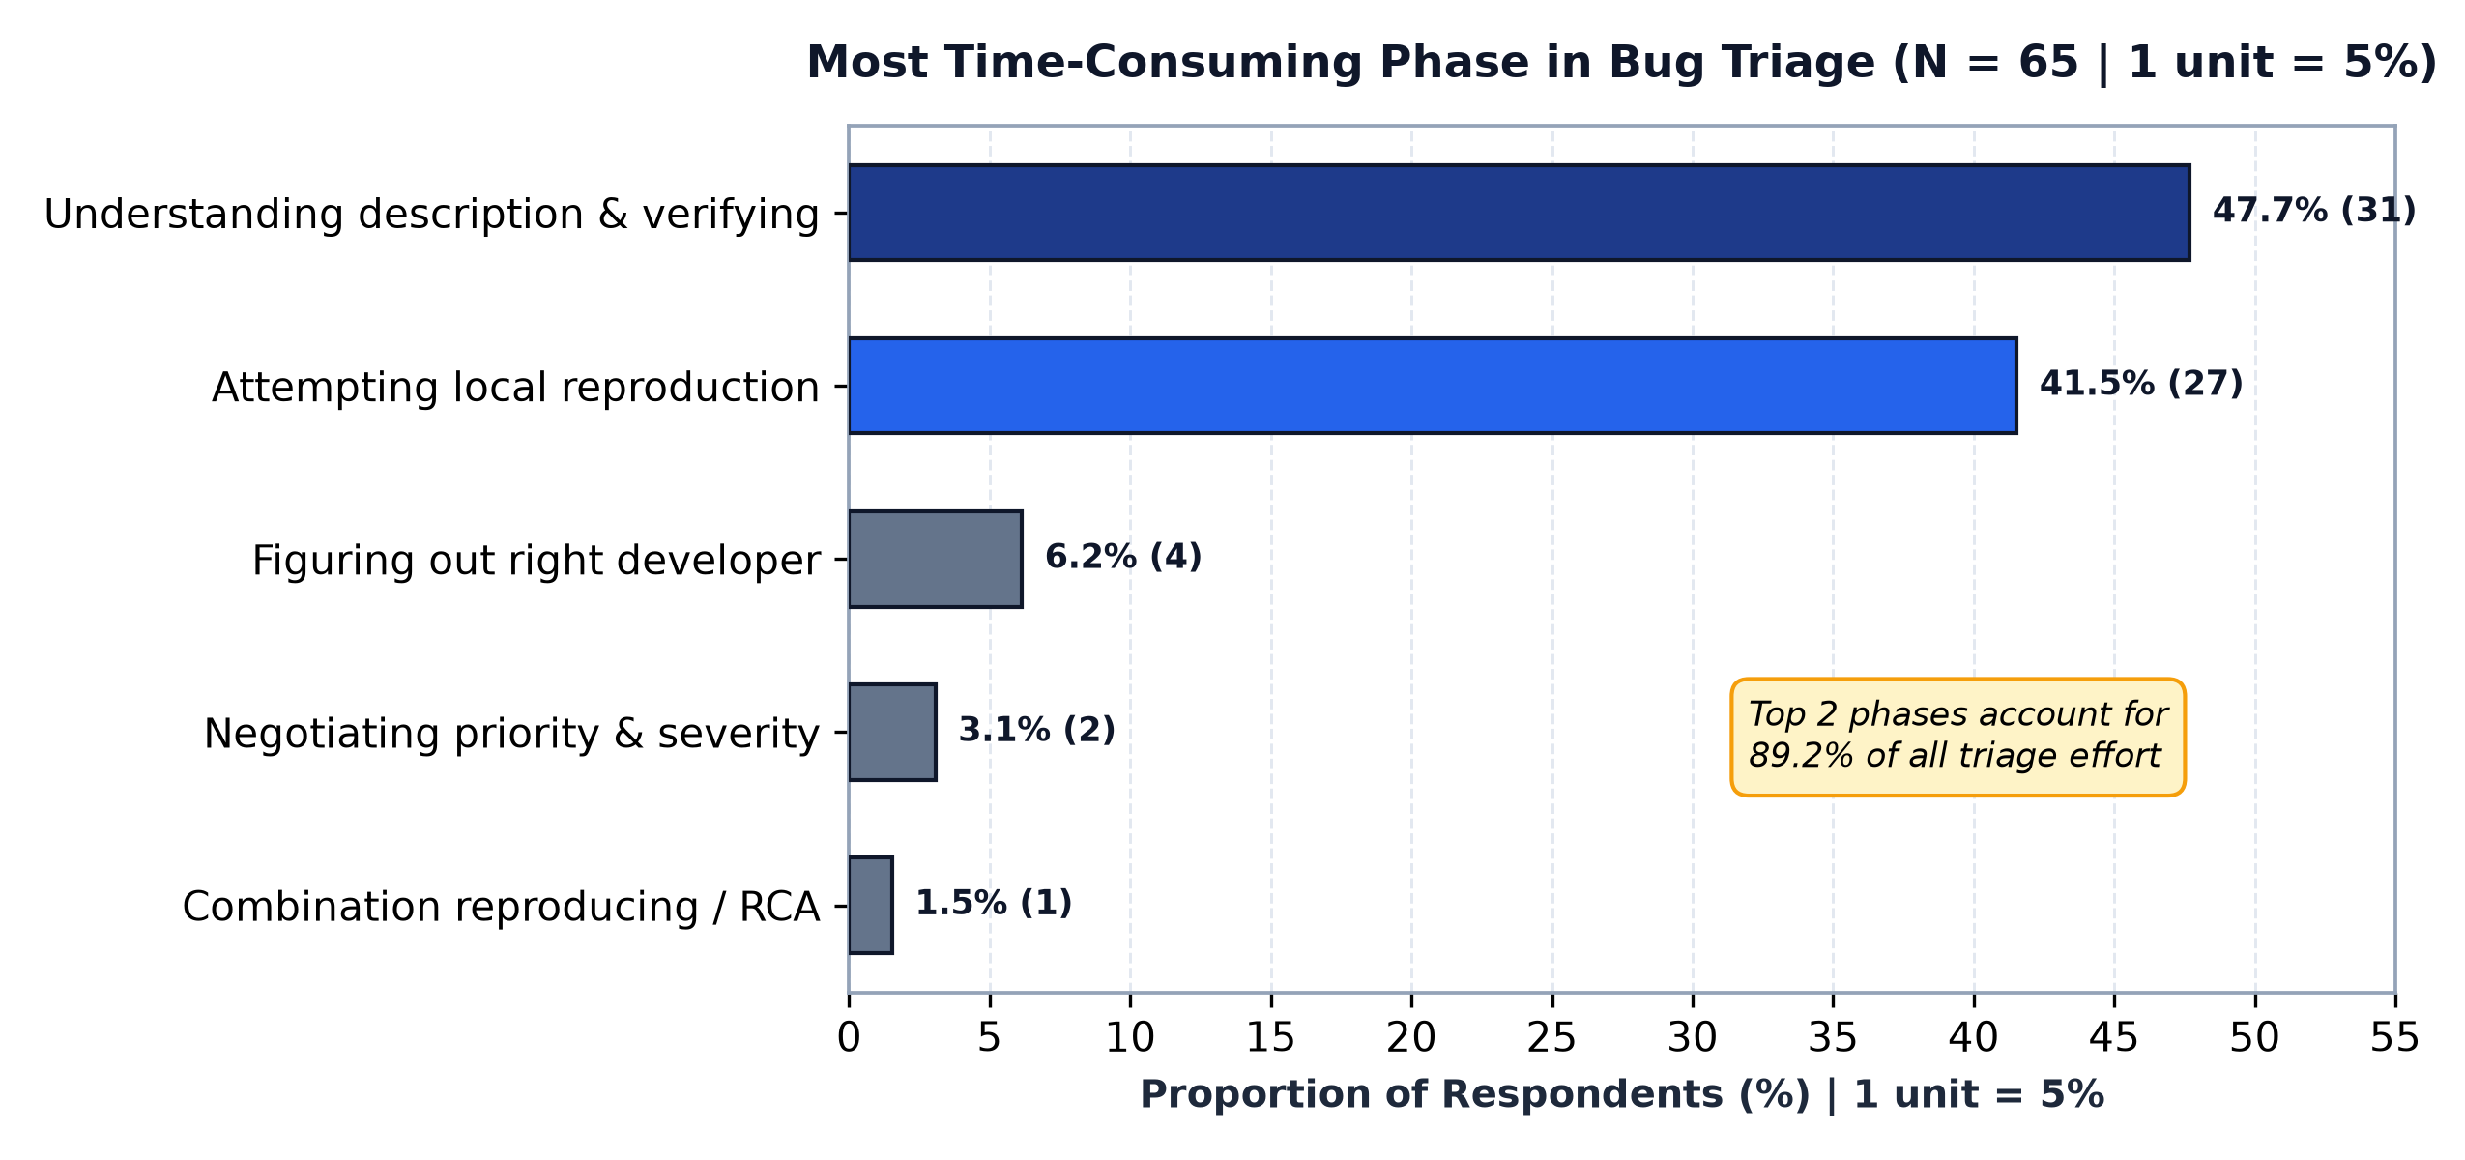
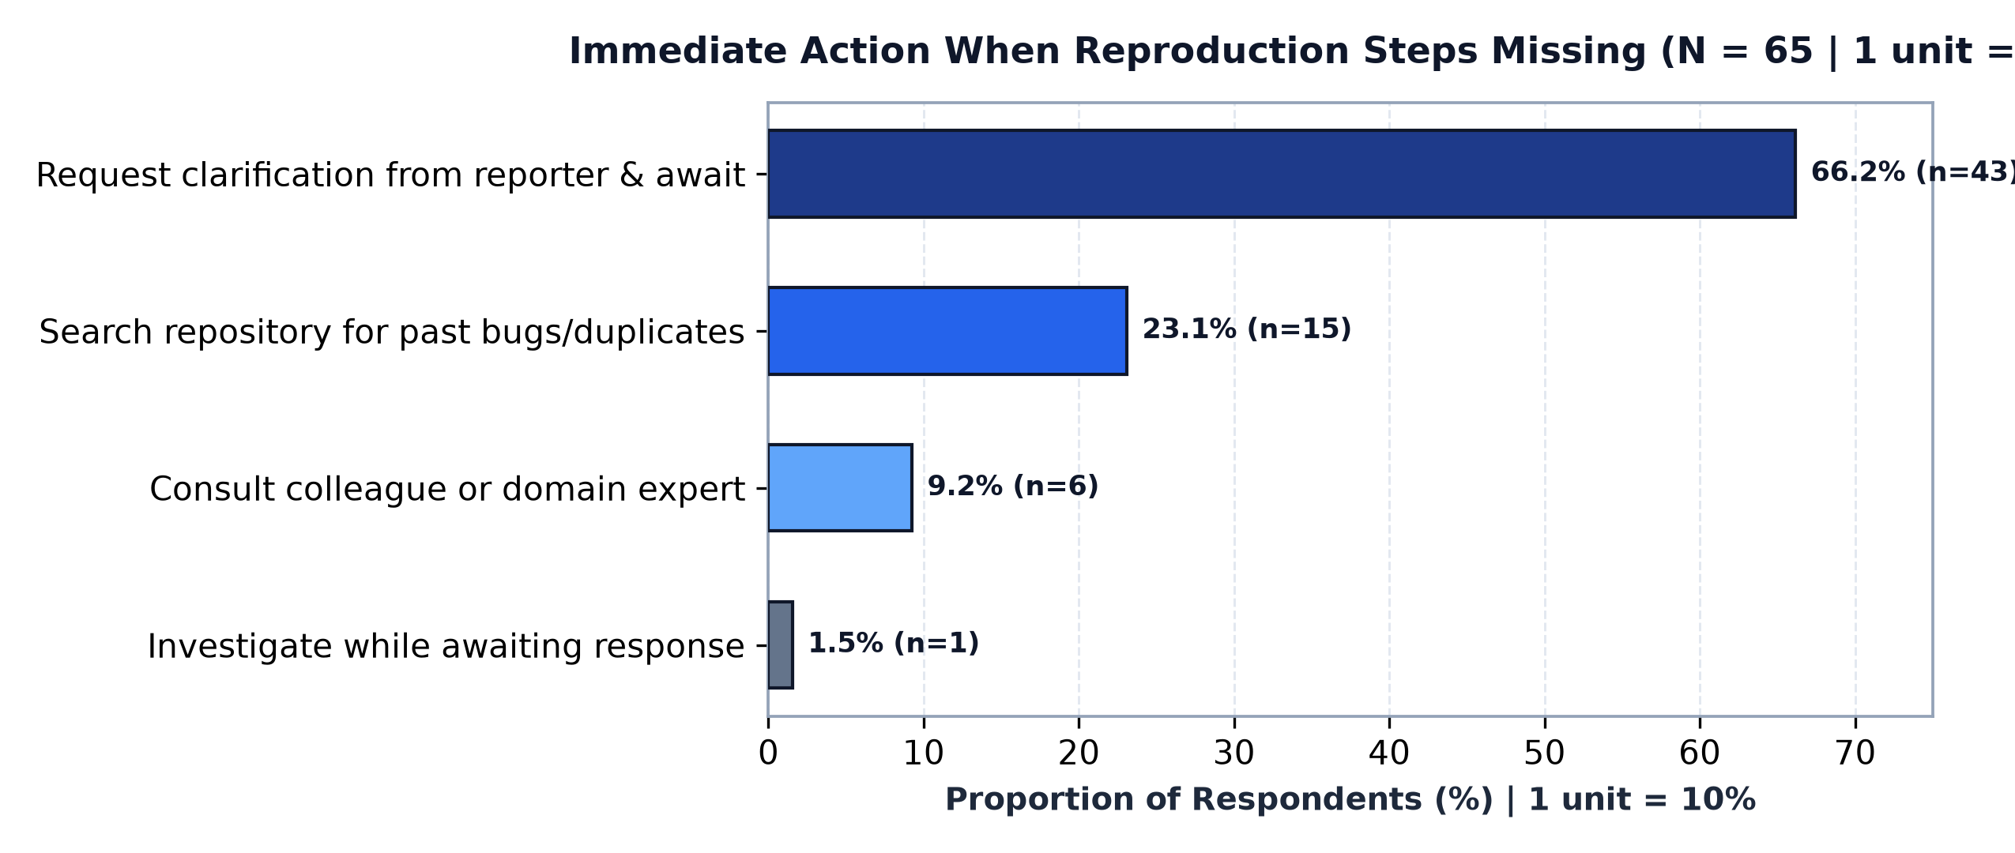
Analysis of Bug Triage Operational Bottlenecks & Informational Gaps
Examining where triage time is lost and immediate responses to incomplete defect reports

Table 2A: Most Time-Consuming Phase of Bug Triage (Col E)
Triage Activity Phase | Citations (n) | Proportion (%) | Operational Reality & Bottleneck Dynamic
Understanding description & verifying problem | 31 |  | Parsing vague language, checking validity, deciphering screenshots
Attempting to reproduce the defect locally | 27 |  | Setting up matching branch, environment, seeds, and test data
Figuring out which developer has the expertise | 4 |  | Codebase ownership ambiguity and architectural routing
Negotiating priority & severity with stakeholders | 2 |  | Friction between product management, QA, and dev teams
Combination of reproducing & RCA | 1 |  | Interdependent reproduction and root-cause analysis cycle
Total Respondents (N) |  |  | Combined description + reproduction = 89.2% of all triage effort

Table 2B: Immediate Action When Reproduction Steps Missing (Col J)
Practitioner First Action | Citations (n) | Proportion (%) | Analytical Implication
Request further clarification from reporter & await response | 43 |  | Introduces asynchronous wait loops and triage latency (66.2%)
Search repository for past bugs or duplicates | 15 |  | Information foraging via repository history and commit logs (23.1%)
Consult colleague or domain expert for contextual knowledge | 6 |  | Social foraging and informal team knowledge networks (9.2%)
Investigate while awaiting reporter response | 1 |  | Parallel speculative diagnostics (1.5%)
Total Respondents (N) |  |  | Standard response to ambiguity is clarification ping-pong

Visualizations: Bottlenecks & Triage Actions (Publication Standard)

3. Decision Heuristics & Exp
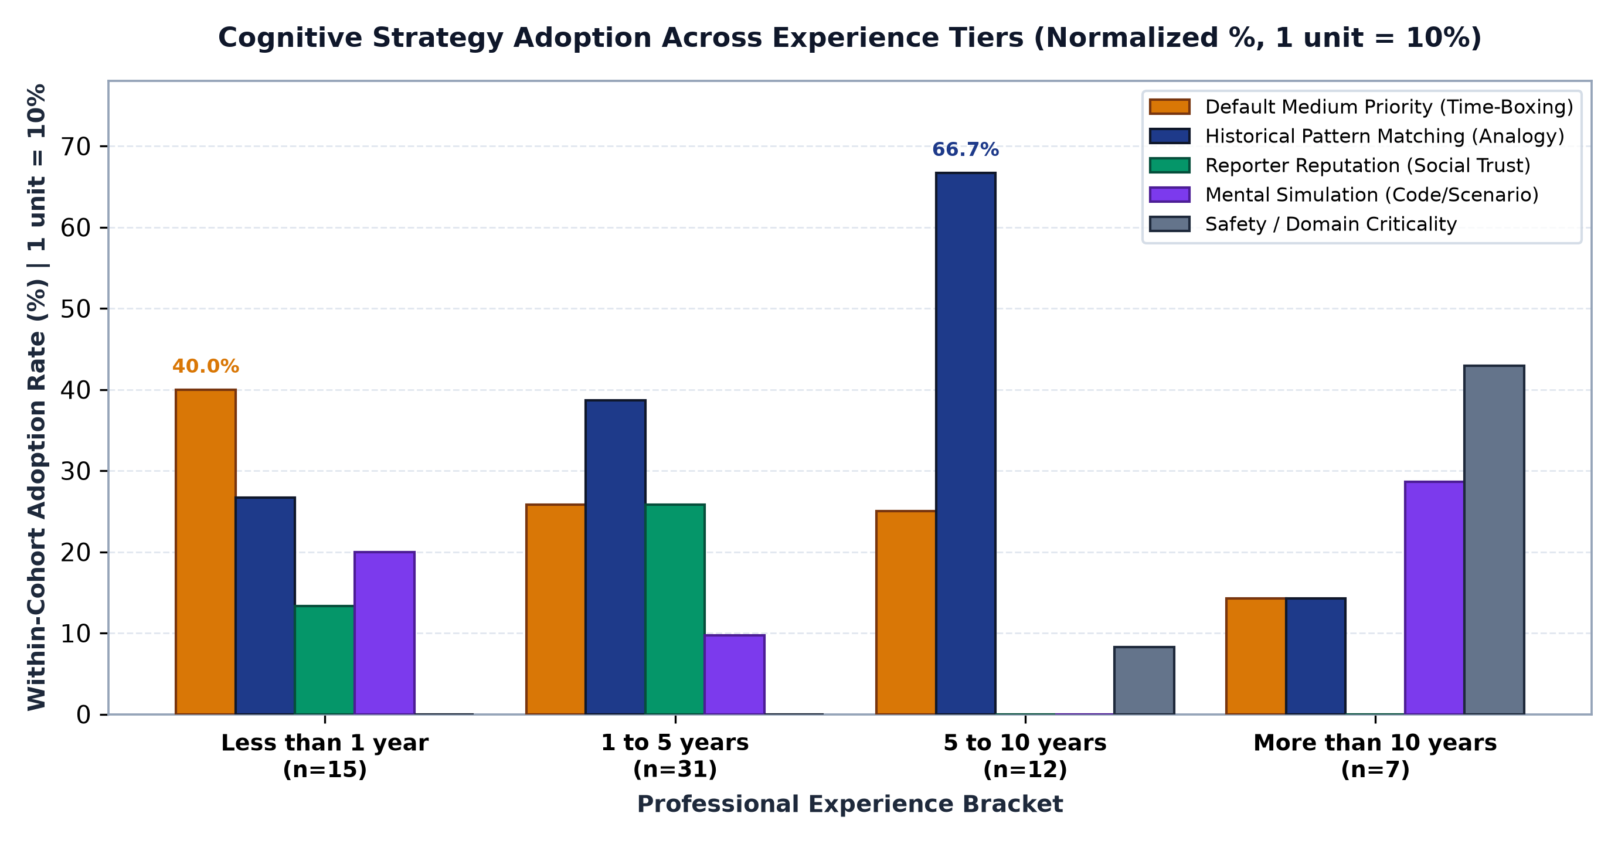
Cognitive Decision Heuristics & Experience-Based Maturation
Examining how practitioners assign priority when reproduction is impossible, and how strategy adoption varies across experience tiers

RESEARCH JUSTIFICATION FOR NORMALIZING DATA (WHY WE USE PERCENTAGES): Our survey cohorts have unequal group sizes: Junior (<1 yr: 15), Mid-level (1-5 yrs: 31), Experienced (5-10 yrs: 12), and Senior (>10 yrs: 7). Comparing raw counts is misleading because larger cohorts naturally have higher counts (e.g. 12 mid-level vs. 8 experienced engineers chose pattern matching). Normalizing each group to 100% allows a fair, unbiased comparison: it shows that 66.7% of experienced engineers rely on pattern matching compared to only 38.7% of mid-level engineers.

Table 3A: Raw Observed Frequencies (Experience Level x Cognitive Heuristic)
Experience Level Bracket | Default Priority (Time-Boxing) | Pattern Matching (Historical Analogy) | Reporter Reputation (Social Trust) | Mental Simulation (Code/Scenario) | Domain / Context Write-Ins | Cohort Total (n)
Less than 1 year | 6 | 4 | 2 | 3 | 0
1 to 5 years | 8 | 12 | 8 | 3 | 0
5 to 10 years | 3 | 8 | 0 | 0 | 1
More than 10 years | 1 | 1 | 0 | 2 | 3
Total Sample Cohort (N)

Table 3B: Within-Cohort Normalized Distribution (% within Experience Level)
Experience Level Bracket | Default Priority % (Time-Boxing) | Pattern Matching % (Historical Analogy) | Reporter Reputation % (Social Trust) | Mental Simulation % (Code/Scenario) | Domain / Context % Write-Ins | Normalized Total
Less than 1 year
1 to 5 years
5 to 10 years
More than 10 years
Overall Cohort Average (N=65)

Key Observations & Practical Engineering Reasoning
Experience Group | Dominant Strategy | Share (%) | Practical Reasoning & Justification (Why Engineers Choose This)
Junior (< 1 year, n=15) | Default Medium Priority (6 / 15) | 40.0% | To avoid blocking sprints: Junior developers have not yet built up memory of past system failures. When reproduction fails, guessing priority is risky and spending days debugging holds up the team. Defaulting to medium priority is a safe, sensible time-box that keeps the backlog moving.
Mid-Level (1-5 yrs, n=31) | Pattern Matching (38.7%) & Reporter Trust (25.8%) | 38.7% / 25.8% | A transitional stage: Engineers are actively building their own catalog of bug experiences. While pattern matching starts to emerge as their top tool (38.7%), they still frequently rely on the reporter's track record (25.8%) or ask colleagues to help assess uncertainty.
Experienced (5-10 yrs, n=12) | Historical Pattern Matching (8 / 12) | 66.7% | Direct recognition from experience: After resolving hundreds of bugs, experienced engineers recognize error patterns and system symptoms immediately. Reliance on reporter reputation drops to 0% because they trust their own diagnostic experience.
Senior (>10 yrs, n=7) | Mental Simulation (28.6%) & Safety/Impact (42.9%) | Varied | Focusing on system-wide impact: In senior and architectural roles, developers look beyond immediate symptoms. They mentally walk through code execution paths and evaluate business/safety risks (e.g. data loss, payment failure, system outages).

Visualizations: Cognitive Strategy Maturation (Clustered Comparison)

4. Org Pressures & Tooling
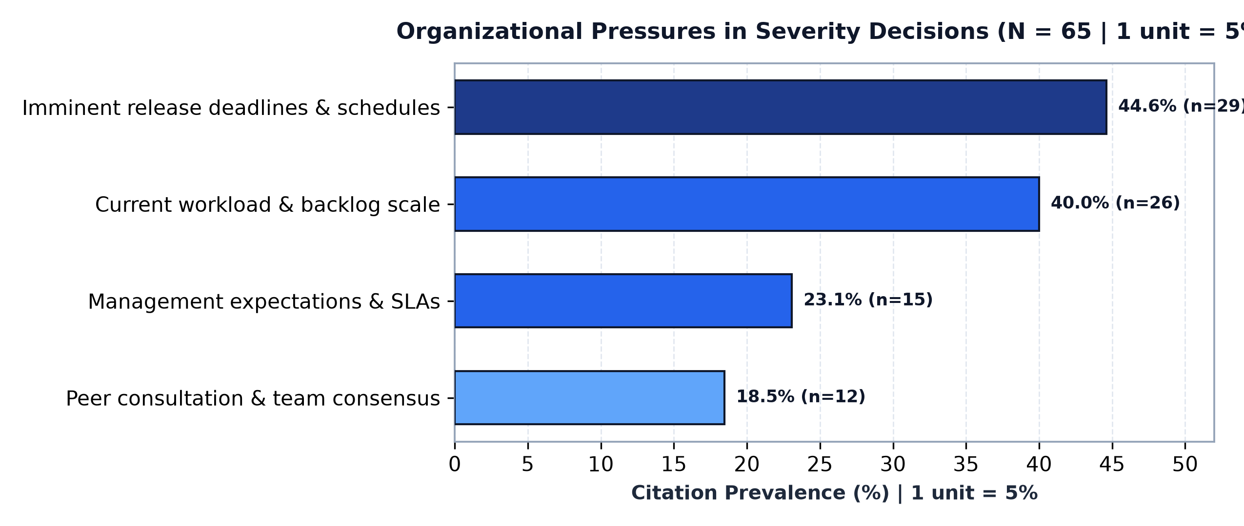
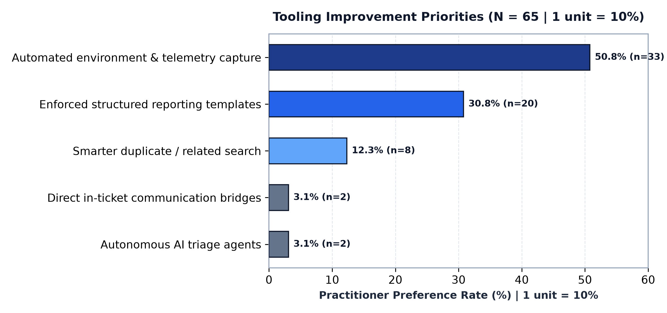
Organizational Constraints & Tooling Interventions (N = 65)
Examining external pressures shaping priority assignment and practitioner desires for automated tooling

Table 4A: Organizational Constraints Influencing Triage Under Uncertainty (Col N)
Organizational Pressure Factor | Practitioner Citations (n) | Citation Rate (%) | Triage Impact & Operational Consequence
Imminent release deadlines & deployment schedules | 29 |  | Temporal compression: Non-blocking defects are deferred to next release cycle without full investigation.
Current workload and team backlog volume | 26 |  | Cognitive load shedding: Heavy queue volume forces engineers to prioritize throughput over deep reproduction.
Management expectations & contractual SLAs | 15 |  | Contractual compliance: Priority elevated to satisfy external response time metrics regardless of technical certainty.
Peer consultation & team consensus | 12 |  | Social coordination: Triage delayed pending alignment between developer and QA perspectives.
Note: Multi-select question. Percentages represent citation rate across N=65 total participants.

Table 4B: Practitioner Tooling Preferences for Incomplete Defect Reports (Col P)
Proposed Tooling Solution | Practitioner Demand (n) | Preference Rate (%) | Core Benefit Identified by Engineers
Automated environment & runtime telemetry capture | 33 |  | Eliminates reliance on manual reporter descriptions by auto-capturing state, logs, and OS parameters (50.8%).
Better structured templates enforcing repro steps & logs | 20 |  | Front-loads required fields at report creation time to reduce missing information (30.8%).
Smarter search tools to find duplicate/related bugs | 8 |  | Accelerates historical pattern matching by retrieving semantically similar incident reports (12.3%).
Direct communication bridges inside tickets | 2 |  | Reduces latency of clarification loops with reporters (3.1%).
Autonomous AI triage agents | 2 |  | Exploratory multi-agent automation for defect verification (3.1%).
Total Preferences Citations |  |  | Over 50% favor automated telemetry over static templates

Visualizations: Constraints & Tooling Priorities (Publication Standard)

