Dictionary
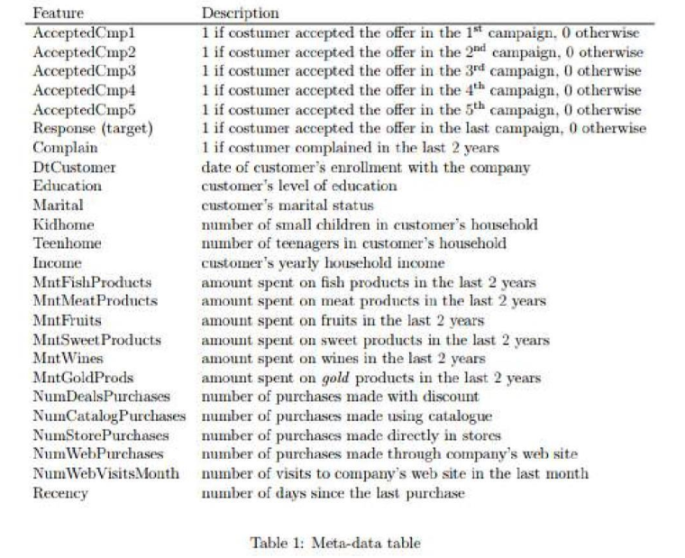

Dashboard
Campaign Results
Product Sold
1240896

447766
675093
97146
59818
58219
Demand and Need of Customers


Customer Count
Total Purchase
 | 0-29 | 30-59 | 60-89 | 90-119
2100-2199 | 1.04% | 1.58% | 1.04% | 0.54%
2200-2299 | 4.45% | 3.24% | 3.20% | 0.83%
2300-2399 | 4.31% | 3.64% | 3.50% | 1.21%
2400-2499 | 4.19% | 3.59% | 4.07% | 1.27%
2500-2599 | 3.57% | 3.93% | 4.97% | 1.11%
2600-2699 | 5.20% | 4.70% | 5.74% | 1.27%
2700-2799 | 3.99% | 4.52% | 5.53% | 1.62%
2800-2900 | 3.69% | 3.50% | 2.84% | 2.09%

2205

854
1351
Married
Unmarried

Recency
Age Group
 | Total
<31 | 61
31-40 | 357
41-50 | 727
51-60 | 502
61-70 | 453
71-80 | 105
Household Income
 | Total
1730-26K | 282
26K-51K | 837
51K-76K | 789
76K-101K | 292
101K-126K | 5

Education Level

Customer Retention Days

