Dictionary
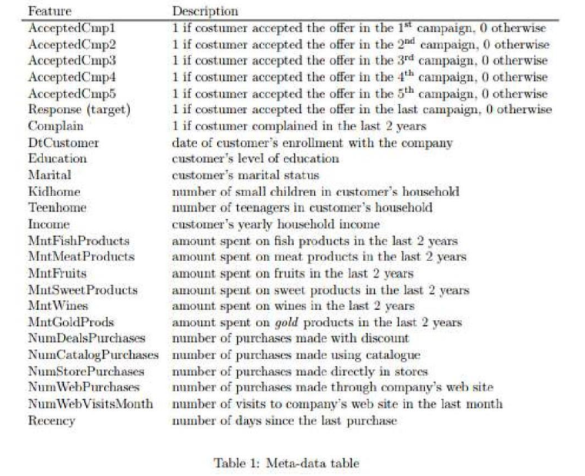

Pivot 2
Row Labels | Count of Index
Yes | 333
No | 1872
Grand Total | 2205

Row Labels | Wines | Gold | Fruits | Sweets | Meat
1-2205 | 675093 | 97146 | 58219 | 59818 | 447766
Grand Total | 675093 | 97146 | 58219 | 59818 | 447766

Row Labels | Sum of education_2n Cycle | Sum of education_Master | Sum of education_Basic | Sum of education_PhD | Sum of education_Graduation
1-2205 | 198 | 364 | 54 | 476 | 1113
Grand Total | 198 | 364 | 54 | 476 | 1113 |  |  | 2205

 | cycle | master | basic | graduation | phd
 | 9% | 17% | 2% | 22% | 50%

Values |  |  | Basic | Cycle | Master | PHD | Graduation
Sum of education_Basic | 54 |  | 2% | 9% | 17% | 22% | 50%
Sum of education_2n Cycle | 198
Sum of education_Master | 364
Sum of education_PhD | 476
Sum of education_Graduation | 1113

Row Labels | Sum of MntTotal
1-2205 | 1240896
Grand Total | 1240896

Sum of MntTotal | Recency
Customer_Days | 0-29 | 30-59 | 60-89 | 90-119 | Grand Total
2100-2199 | 1.04% | 1.58% | 1.04% | 0.54% | 4.21%
2200-2299 | 4.45% | 3.24% | 3.20% | 0.83% | 11.72%
2300-2399 | 4.31% | 3.64% | 3.50% | 1.21% | 12.67%
2400-2499 | 4.19% | 3.59% | 4.07% | 1.27% | 13.13%
2500-2599 | 3.57% | 3.93% | 4.97% | 1.11% | 13.59%
2600-2699 | 5.20% | 4.70% | 5.74% | 1.27% | 16.91%
2700-2799 | 3.99% | 4.52% | 5.53% | 1.62% | 15.66%
2800-2900 | 3.69% | 3.50% | 2.84% | 2.09% | 12.12%
Grand Total | 30.46% | 28.71% | 30.89% | 9.94% | 100.00%

Dashboard
Campaign Results
Product Sold
1240896

447766
675093
97146
59818
58219
Demand and Need of Customers


Customer Count
Total Purchase
 | 0-29 | 30-59 | 60-89 | 90-119
2100-2199 | 1.04% | 1.58% | 1.04% | 0.54%
2200-2299 | 4.45% | 3.24% | 3.20% | 0.83%
2300-2399 | 4.31% | 3.64% | 3.50% | 1.21%
2400-2499 | 4.19% | 3.59% | 4.07% | 1.27%
2500-2599 | 3.57% | 3.93% | 4.97% | 1.11%
2600-2699 | 5.20% | 4.70% | 5.74% | 1.27%
2700-2799 | 3.99% | 4.52% | 5.53% | 1.62%
2800-2900 | 3.69% | 3.50% | 2.84% | 2.09%

2205

854
1351
Married
Unmarried

Recency
Age Group
 | Total
<31 | 61
31-40 | 357
41-50 | 727
51-60 | 502
61-70 | 453
71-80 | 105
Household Income
 | Total
1730-26K | 282
26K-51K | 837
51K-76K | 789
76K-101K | 292
101K-126K | 5

Education Level

Customer Retention Days

