FP


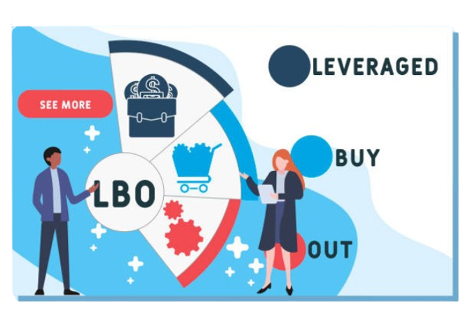
Leveraged Buyout [ LBO ]

Introduction
Leveraged Buyout [ LBO ]

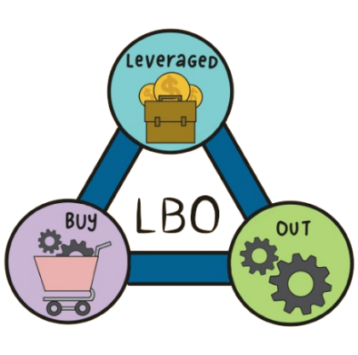
A leveraged buyout (LBO) is the acquisition of another company using a significant amount of borrowed money (bonds or loans) to meet the cost of acquisition. The assets of the company being acquired are often used as collateral for the loans, along with the assets of the acquiring company

The first leveraged buyout may have been the purchase by McLean Industries, Inc. of Pan-Atlantic Steamship Company in January 1955 and Waterman Steamship Corporation in May 1955. Under the terms of that transaction, McLean borrowed $42 million and raised an additional $7 million through an issue of preferred stock. When the deal closed, $20 million of Waterman cash and assets were used to retire $20 million of the loan debt.

A leveraged buyout (LBO) occurs when the acquisition of another company is completed almost entirely with borrowed funds.
Leveraged buyouts declined in popularity after the 2008 financial crisis, but they are once again on the rise.
In an LBO, there is usually a ratio of 90% debt to 10% equity.
LBOs have acquired a reputation as a ruthless and predatory business tactic, especially since the target company's assets can be used as leverage against it.

Parties
Parties Involved in LBO

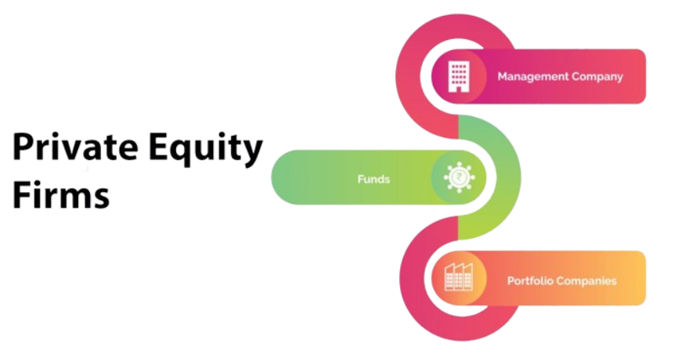
(1) Financial Sponsors are the private equity firms (PE), merchant banking divisions of investment banks, hedge funds, venture capital (VC) funds and special purpose acquisition companies (SPACs).
This raised capital is organized into funds that are usually established as limited partnerships, in which the General Partner (GP) – the sponsor – manages the day-to-day activities of the fund and are compensated with 1-2% of the committed fund as management fee, besides 20% “carry” on the investment profit.



(2) Investment Bankers
Investment Bankers play a key role in an LBO transaction in two ways:
as a provider of financing, and
as a strategic M&A advisor to the sponsor.
Investment banks perform a rigorous due diligence on LBO targets and go through an extensive internal credit process to validate the target’s business plan. They try to gain as much comfort as possible with the target’s ability to service the debt-laden capital structure and their ability to market the capital structure to the investors. They work closely with the sponsors to finalize the financing structure.

Parties 2
(3)Bank and Institutional Lenders
Bank lenders typically comprises of commercial banks, savings and loan institutions and finance companies, whereas the institutional lenders consists of hedge funds, pension funds, insurance companies and collateralized debt obligation funds (CDO).



(4)Bond Investors
Bank lenders typically comprises of commercial banks, savings and loan institutions and finance companies, whereas the institutional lenders consists of hedge funds, pension funds, insurance companies and collateralized debt obligation funds (CDO).

(5) Target Company
Management of the target plays a crucial role in the marketing the target to its potential buyers and lenders. They work closely with the I-bankers for preparing the marketing collaterals and financials. They represent the face of the company.
In an LBO, a strong management at the target can create tangible value by driving favorable terms on financing and pricing, and providing comfort to the sponsors to stretch the valuation.
Post-LBO transaction, the management holds a meaningful equity in the company. Several layers of its management also have an opportunity to participate in a stock option based compensation package, which is generally tied to the financial targets of the company.This structure provides the management with an incentive to improve the company’s performance. As a result, management interests are aligned with that of the sponsor in pursuing a superior performance.

