Sheet1
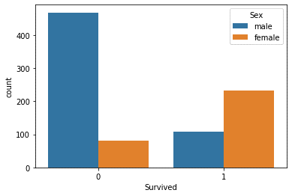
Survivors on basis of Pclass |  | Survivors on basis of sex
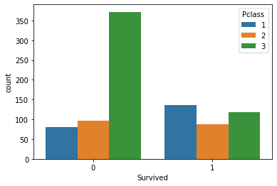

Pclass 1 | =1 | Male | =0
Pclass 3 | =0 | Female | =1

Sheet2
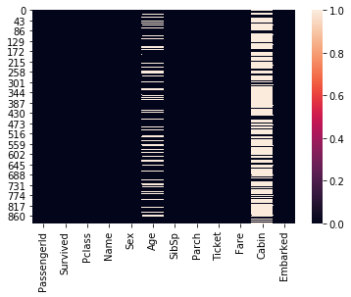

Here, Age has few missig values. So, we are replacing missing values with mean Age values of different Pclass.

