BE Sylabus
Mumbai University | Banglore university CSE | Banglore university AI&ML | AI & Ml ELectives | CSE ELECTIVES
SECOND YEAR - SEMESTER 3

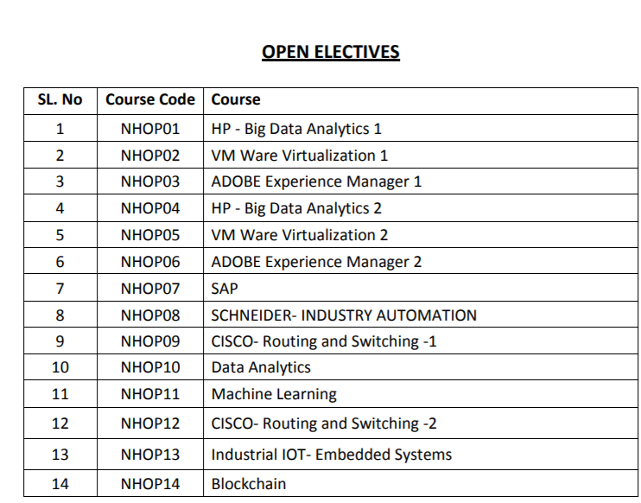
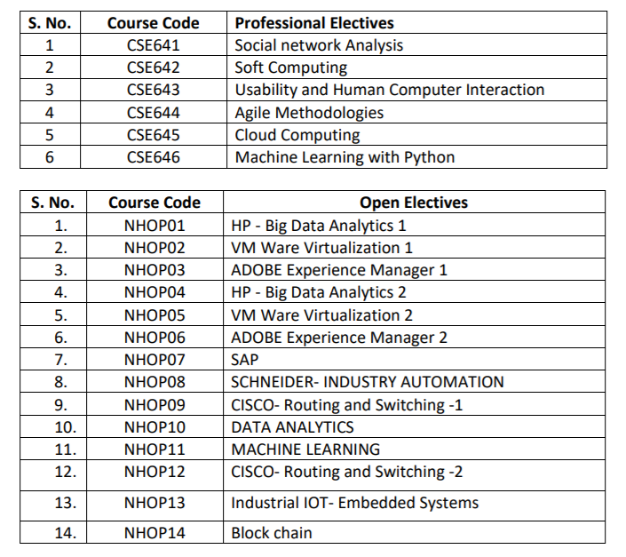
Applied Mathematics -III | Applied Mathematics-III | Mathematical foundations of Computing
Digital Logic Design and Analysis | ) Life Skills for Engineers | Life skills for Engineers
Discrete Mathematics | Digital Electronics | Introduction to AI with Python-1
Electronic Circuits and Communication Fundamentals | Data Structures using C | Data Structures using C
Data Structures | UNIX System Programming | Logic Design
Digital System Lab | Digital Electronics Lab | Introduction to AI with Python Lab-1
Basic Electronics Lab | Data Structures using C Lab | Data Structures using C Lab
Data structure Lab | UNIX System Programming Lab | Logic Design Lab
OOPM(Java) Lab | Mini Project in C | Mini Project-1
SECOND YEAR - SEMESTER 4

Applied Mathematics- IV | Discrete Mathematics and Graph Theory | Introduction to AI with Python-2
Analysis of Algorithms | Economics for Engineer | Economics for Engineers
Computer Organization and Architecture | Environmental Science and Awareness | Environmental Science and Awareness
Computer Graphics | Object Oriented Programming with JAVA | Statistics-1
Operating System | ARM Processor | Strategic Reasoning for AI
Analysis of Algorithms Lab | Computer Organization | Parallel and Sequential Data Structures
Computer Graphics Lab | Object Oriented Programming with JAVA Lab | Introduction to AI with Python-2 Lab
Processor Architecture Lab | ARM Processor Lab | Parallel and Sequential Data Structures Lab
Operating System Lab | Mini Project in JAVA | Mini Project-2
Open Source Tech Lab

Third Year - SEMESTER 5

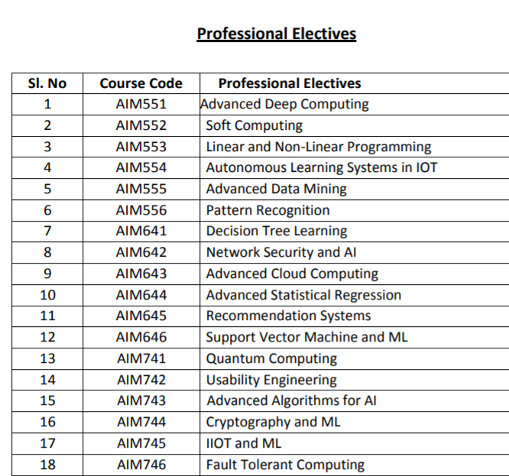
Microprocessor | Analysis and Design of Algorithms | Automatic Control Systems
Database Management System | Operating System | Design and Analysis of Algorithms-1
Computer Network | Database Management Systems | Machine Learning with R
Theory of Computer Science | Software Engineering | Modern Regression
Microprocessor Lab | Professional Elective | Professional Elective - 1
Computer Network Lab | Mini Project | Design and Analysis of Algorithms-1 Lab
Database & Info. System Lab |  | Machine Learning with R Lab
Web Design Lab |  | Mini Project-3
Business Comm. & Ethics
Third Year - SEMESTER 6

Software Engineering | Core JAVA Programming | Cyber-Physical Systems
System Programming & Complier Construction | Computer Networks | ComputerNetworks
Data Warehousing & Mining | Finite Automata & Compiler Design | Deep Learning with TensorFlow
Cryptography & System Security | Professional Elective | Professional Elective-2
Software Engineering Lab | Open Elective | Cyber Physical Systems Lab
System software Lab | Mini Project in Java | Deep Learning with TensorFlow- Lab
Data Warehousing & Mining Lab |  | Mini Project-4
System Security Lab |  | Open Elective
Mini-Project

FINAL YEAR -SEMESTER 7

Digital Signal & Image Processing | Web Technologies | Natural Language Processing
Mobile Communication & Computing | Software Testing | Human AI Interaction
Artificial Intelligence & Soft Computing | Mobile Application Development | Data Analytics
Digital Signal & Image Processing Lab | Professional Elective | 0
Mobile App. Development. Tech. Lab | Open Elective | Natural Language Processing Lab
Artificial Intelligence & Soft Computing Lab | Mini Project in Mobile Application Development | Data Analytics Lab
Computational Lab-I | Project Phase-1 | Main Project Phase-1
Major Project-I |  | Open Elective
FINAL YEAR -SEMESTER 8

Human Machine Interaction | Object Oriented Analysis and Design | Robotics-Algorithms and Control
Distributed Computing | Software Testing | Unsupervised Learning
Human Machine Interaction Lab | Internship | Main Project
Distributed Computing Lab | Project
Cloud Computing Lab
Computational Lab-II
Major Project-II

