Sheet1
 | INPUT
 | CALC

Simplified model of DSO allowable revenue for Europe

Max allowable revenue | (RAB*WACC)+Depreciation+ OPEX

WACC | 5.4%
Average Asset Lifetime | 42 |  |  | Verbal Input on Share of CAPEX in allowance revenue
Depreciation rate |  |  |  | Germany | Italy | Ireland | Portugal
Share of CAPEX in allowable revenue | 50% |  |  | 40 | 66 | 80 | 40
OPEX Growth | 1%
Starting RAB Europe | 700 | B EUR

B EUR | 2020 | 2021 | 2022 | 2023 | 2024 | 2025 | 2026 | 2027 | 2028 | 2029 | 2030 | 2031 | 2032 | 2033 | 2034 | 2035 | 2036 | 2037 | 2038 | 2039 | 2040 | 2041 | 2042 | 2043 | 2044 | 2045 | 2046 | 2047 | 2048 | 2049 | 2050 | 2051 | 2052 | 2053 | 2054 | 2055 | 2056 | 2057 | 2058 | 2059 | 2060 | 2061 | 2062 | 2063 | 2064 | 2065
Opening RAB
CAPEX addition | 29 | 32 | 35 | 36 | 40 | 60 | 72 | 72 | 72 | 72 | 72 | 72 | 72 | 72 | 72 | 72 | 72 | 72 | 72 | 72 | 72 | 60 | 60 | 60 | 60 | 60 | 60 | 60 | 60 | 60 | 60 | 60 | 60 | 60 | 60 | 60 | 60 | 60 | 60 | 60 | 60 | 60 | 60 | 60 | 60 | 60
Depreciation
New RAB
Max allowable Revenue CAPEX
OPEX
Max allowable Revenue
Ratio tariff impact (normalised to 2020)

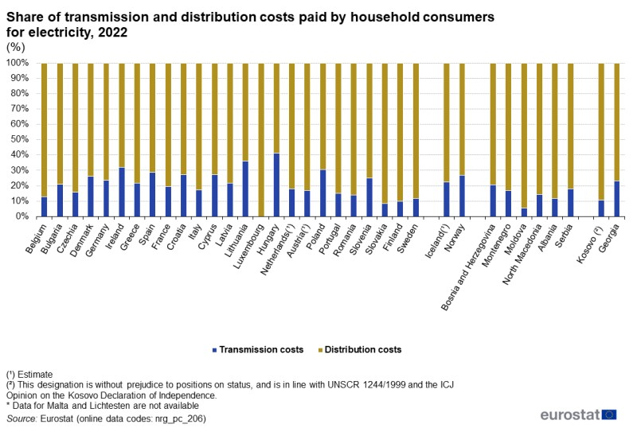

Price impact calculation
 |  |  |  |  | 2020 | 2030 | 2040 | 2050
today's distribution tariff | 53 | EUR/MWh |  | TWh | 2590 | 3722 | 4188 | 4630
2020 elec consumption | 2590 | TWh |  | TWh DSO
Assumption DSO share consumption | 0.8 |  |  | Ratio Consumption
Estimated DSO revenue |  | billion EUR |  | Ratio revenue
Check error against Max Allowable Revenue from revenue model |  |  |  | revenue
 |  |  |  | distribution charges (EUR/MWh)

2018 | 1.00 | 1.00
2030 | 1.44 | 1.30
2040 | 1.62 | 1.59
2050 | 1.79 | 1.82
Verbal Input on share of distribution consumption in national total | France | Italy |  |  | 2018 | 2030 | 2040 | 2050
Share of electricity | 80 | 80

Eurostat - T&D tariff | 66 | 2022

 |  |  |  |  | 1.82

Sheet1 (2)
 | INPUT
 | CALC

Simplified model of DSO allowable revenue for Europe

Max allowable revenue | (RAB*WACC)+Depreciation+ OPEX

WACC | 5.4%
Average Asset Lifetime | 42 |  |  | Verbal Input on Share of CAPEX in allowance revenue
Depreciation rate |  |  |  | Germany | Italy | Ireland | Portugal
Share of CAPEX in allowable revenue | 50% |  |  | 40 | 66 | 80 | 40
OPEX Growth | 1%
Starting RAB Europe | 700 | B EUR

B EUR | 2020 | 2021 | 2022 | 2023 | 2024 | 2025 | 2026 | 2027 | 2028 | 2029 | 2030 | 2031 | 2032 | 2033 | 2034 | 2035 | 2036 | 2037 | 2038 | 2039 | 2040 | 2041 | 2042 | 2043 | 2044 | 2045 | 2046 | 2047 | 2048 | 2049 | 2050 | 2051 | 2052 | 2053 | 2054 | 2055 | 2056 | 2057 | 2058 | 2059 | 2060 | 2061 | 2062 | 2063 | 2064 | 2065
Opening RAB
CAPEX addition | 29 | 32 | 35 | 36 | 40 | 60 | 72 | 72 | 72 | 72 | 72 | 72 | 72 | 72 | 72 | 72 | 72 | 72 | 72 | 72 | 72 | 60 | 60 | 60 | 60 | 60 | 60 | 60 | 60 | 60 | 60 | 60 | 60 | 60 | 60 | 60 | 60 | 60 | 60 | 60 | 60 | 60 | 60 | 60 | 60 | 60
Depreciation
New RAB
Max allowable Revenue CAPEX
OPEX
Max allowable Revenue
Ratio tariff impact (normalised to 2020)

Price impact calculation
 |  |  |  |  | 2020 | 2030 | 2040 | 2050
today's distribution tariff | 53 | EUR/MWh |  | TWh | 2590 | 3722 | 4188 | 4630
2020 elec consumption | 2590 | TWh |  | TWh DSO
Assumption DSO share consumption | 0.8 |  |  | Ratio Consumption
Estimated DSO revenue |  | billion EUR |  | Ratio revenue
Check error against Max Allowable Revenue from revenue model |  |  |  | revenue
 |  |  |  | distribution charges (EUR/MWh)

2018 | 1.00 | 1.00
2030 | 1.44 | 1.30
2040 | 1.62 | 1.64
2050 | 1.79 | 1.85
Verbal Input on share of distribution consumption in national total | France | Italy |  |  | 2018 | 2030 | 2040 | 2050
Share of electricity | 80 | 80

Eurostat - T&D tariff | 66 | 2022

 |  |  |  |  | 1.82

