currency convertor
Testcase No | Assumptions | Testcase Criteria | Testcase Steps | Expected Result | Actual Result | Testcase Result
TC_001 | User is accesing the currency converter tool | Labels/colour coding/Fonts are as per user specification/requirements | 1. Open the currency converter tool. 2. Check for the controls. | The controls should be as per the user specification/ design | The control are as per the user specification | PASS
TC_002 | User is accesing the currency converter tool | Amount input only accepts the numeric values | 1. Open the currency converter tool. 2. Enter the values other than number (special characters/space/alphabets) | The amount field should not accept the values other than numbers. | The amount field is not accepting the values other than numbers. | PASS | 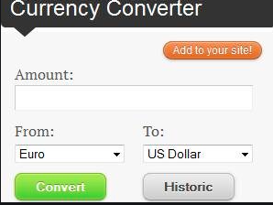
TC_003 | User is accesing the currency converter tool | Check whether the From and To dropdown are prepopulated with currencies as needed in the specification document | 1. Open the currency converter tool. 2. Select/open the dropdown for the from and To | The values should be populated in the dropdowns are as per the user specification | The values are populated in the dropdowns are as per the user specification | PASS
TC_004 | User is accesing the currency converter tool | Check whether the "Add to the site "button works as per the expectation | 1. Open the currency converter tool. 2. Click on the Add to site button | Click on the add to site button should help user add this particular tool onto the website | Click on the add to site button is helping user add this particular tool onto the website | PASS
TC_005 | User is accesing the currency converter tool | Check whether the Convert button converts the currency in the from to the correct value of "To" | 1. Open the currency converter tool. 2. Enter the amount in the Amount field. 3. Select the from and to. 4.Click on the convert button | The amount should be converted properly | The amount is converted properly | PASS
TC_006 | User is accesing the currency converter tool | Check if the historic button shows the previous history of conversions | 1. Open the currency converter tool. 2. Click on historic | On click of the historic button, the web page opens and shows the previous conversions we have made | Working as per the expected result | PASS

School admission form
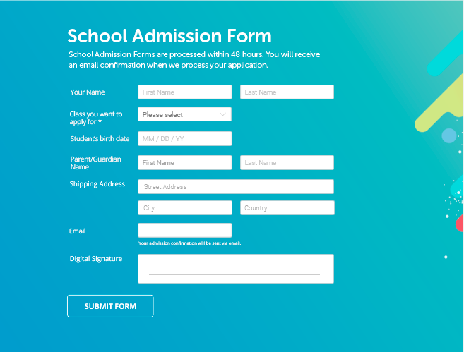
Testcase No | Assumptions | Testcase Criteria | Testcase Steps | Expected Result | Actual Result | Testcase Result
TC_001 | School admission form is available to test | Check if the font, font style, colour, background,logo,images, text are as per the requirement | 1. Open the school admission form. 2. Check for font, font style, colour, background,logo,images,text | The font, font style, colour, background,logo,images,text should be as per the requirement | The font, font style, colour, background,logo,images,text are as per the requirement | PASS
TC_002 | School admission form is available to test | Check if the first name, last name are taking only alphebet values | 1. Open the school admission form. 2. Enter the numeric/special charatcers in the text field | The system should flag an error
TC_003 | School admission form is available to test | Check if the dropdown has the classes client has asked for | 1. Open the school admission form. 2. Open the dropdown/combobox/select box. 3. Check the values in the dropdown | The values in the dropdown are as per the requirement document
TC_004

Mobile_sign up
Testcase No | Assumptions | Testcase Criteria | Testcase Steps | Expected Result | Actual Result | Testcase Result
TC_001 | Mobile app is available for the user to test | Check if the controls are as per the user specifications | 1. Launch mobile app. 2. Check for the controls | The controls should be as per the user specification(Checking for the font, font style,colour, logo) | The controls are as per the user specification | PASS
TC_002 | Mobile app is available for the user to test | Check if the first name accepts only alphabets | 1. Launch mobile app. 2. Enter the values other than alphabets in the first name(numbers/special characters) | The user should be alerted to provide proper values in the first name | The user is alerted in case the value other than alphabets is added | PASS
TC_003 | Mobile app is available for the user to test | Check if the last name accepts only alphabets | 1. Launch mobile app. 2. Enter the values other than alphabets in the last name (numbers /special characters) | The last name should not allow values other than the aphabets | The last does not allow values as other than alphabets | PASS
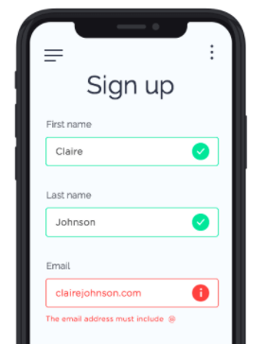
TC_004 | Mobile app is available for the user to test | Check if the email field accepts values without @ and . | 1. Launch mobile app . 2. Enter the email address without @ or . | The system should alert the user to provide proper email id | Works as expected | PASS
TC_005 | Mobile app is available for the user to test | Check if on the click of 3 bar opens the correct screen as per the specification | 1. Launch mobile app. 2. Click on the 3 bar on the left | The system should open the appropriate screen on the click of the 3 bar |  | DEFFERRED
TC_006 | Mobile app is available for the user to test | Check if on the click of 3 dots opens the correct screen as per the user specification | 1. Launch the mobile app. 2.Click on the 3 dot menu | The system should open the appropriate screen on the click of the 3 dots |  | DEFFERRED

Mobile_taxi booking
Testcase No | Assumptions | Testcase Criteria | Testcase Steps | Expected Result | TestData | Actual Result | Testcase Result
TC_001 | Taxi booking screen is available to test | The font, colour, font style, text , logo, background is as per the user specification | 1. Launch the application. 2. Check for the controls/fields on the mobile app | The controls should be per the user specification
TC_002 | Taxi booking screen is available to test | Check if the start, via, end location is suggested to the end user through google app | 1. Launch the application. 2. Start writing a location in the start via and end text field | The location should be suggested to the end user
TC_003 | Taxi booking screen is available to test | Check if the click on add stop gives the user another text field to enter the location | 1. Launch the application. 2. Click on Add stop button. | The user should be given an option to add the location of the halt/stop
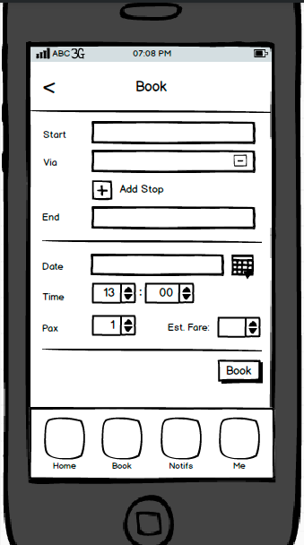
TC_004 | Taxi booking screen is available to test | Check if the click of calendar button helps user to select the date | 1. Launch the application. 2. Click on the calendar icon | User should be able to select the date and populate in the date field
TC_005 | Taxi booking screen is available to test | Check if the user is able to select the correct time from the time field | 1. Launch the application. 2.Click on the up/down arros(select control) | User should be able to select the time in hours and minutes
TC_006 | Taxi booking screen is available to test | Check if the user can see the corretc value for the estimated fare | 1. Launch the application. 2. Check for the field Est fare | User should be able to see the estimated fare in the this field/control
TC_007 | Taxi booking screen is available to test | Check if the user is able to book the taxi after clicking on the book button | 1. Launch the application. 2. Enter all the mandatory fields. 3. Click on the Book button | The user should receive a notification that the taxi is booked/not booked(reason)
TC_008 | Mandatory fields testcase

DesktopApplication_testcases
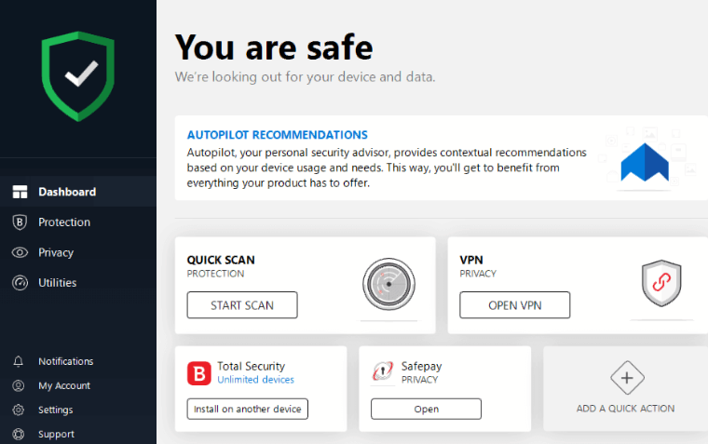
Testcase No | Assumptions | Testcase Criteria | Testcase Steps | Expected Result | TestData | Actual Result | Testcase Result
TC_001 | Anti Virus software is available for user to test | Check if the controls on the screen are as per the user specification/requirement document | 1. Launch/open anti virus software. 2. Check the controls on the anti virus software. | The logo/images/the font/font stylle/colour are as per the user specification.
TC_002 | Anti Virus software is available for user to test | Check if the dashboard is accesible if the dashboard link is clicked | 1. Launch/open anti virus software. 2. Click on the Dashboard | The dashboard should be accesible by the end user.
TC_003 | Anti Virus software is available for user to test | Check if the Protection link is accesible if the Protection link is clicked | 1. Launch/open antivirus software. 2. Click on protection | The protection page should open for the end user
TC_004 | Anti Virus software is available for user to test | Check if the privacy link is accesible if the privacy link is clicked | 1. Launch/open antivirus software. 2. Click on privacy link | The privacy page should open for the end user.
TC_005 | Anti Virus software is available for user to test | Check if the Utilities link is accesible if the Utilities link is clicked | 1. Launch/open antivirus software. 2. Click on utilites link | The utilities page should open for the end user.
TC_006 | Anti Virus software is available for user to test | Check if the Notifications link is accesible if the Notifications link is clicked | 1. Launch/open antivirus software. 2. Click on the notifications link | The notifications page should open for the end user.
TC_007 | Anti Virus software is available for user to test | Check if the my account link is accesible when the my account link is clicked | 1. Launch/open antivirus software. 2. Click on the My account link | The My account page should open on the click of My account
TC_008 | Anti Virus software is available for user to test | Check if the settings page is opened on click of the settingt link | 1. Launch/open the antivirus software. 2. Click on the settings link | The settings page should open on click of the settings link
TC_009 | Anti Virus software is available for user to test | Check if the support page is opened on the click of the support page | 1. Launch /open the antivirus software. 2. Click on the support page | The support page should open on the click of the support link.
TC_010 | Anti Virus software is available for user to test | Check if the start scan button is operational | 1. Launch open the antivirus software. 2. Click on the start scan | The start scan button should help the user to start a quick scan on the application
TC_011 | Anti Virus software is available for user to test | Check if the open vpm link button is operational | 1. Launch open the antivirus software. 2. Click on the open vpn scan | The open vpn button help user access the vpn page.
TC_012 | Anti Virus software is available for user to test | Check if the install on another device works as per the exected result | 1. Launch open the antivirus software. 2. Click on the install on another page button | The install on another page button should help user to open the page for install on another device.
TC_013 | Anti Virus software is available for user to test | Check if the safepay privacy open button is operational | 1. Launch topen the antivirus software. 2. Click on the open button | The open button should navigate the user to the desired result.
TC_014 | Anti Virus software is available for user to test | Check if the add a quick action button works as per the desired result | 1. Launch open the antivirus software. 2. Click on the "Add a quick action " button | The add a quick button should navigate the user to the desired page.

