BugReport
MOTHER HOSPITAL

VERSION : WINDOWS |  |  |  | DATE: 18- 01- 2023
VERIFIED BY: RAKHY |  |  |  | TESTED BY: ABIJITH V V
BUG REPORT
BUG ID | EXPECTED RESULT | BUG DESCRIPTION | STEPS TO REPRODUCE | SCREENSHOT | SEVERITY | PRIORITY | STATUS

Def_MH_01 | Should the map's zoomin(+) and zoomout(-) icon is working properly | The map's zoomin(+) and zoomout(-) icon is not working properly | 1. Open the link www.motherhospitalthrissur.org 2.Click on contact 3. Click the + and - button in the map |  | Minor | P2 | New
Def_MH_02 | Should the "search" icon is work properly | The "search" icon is not works properly | 1. Open the link www.motherhospitalthrissur.org 2. Click on search field 3. Type "cardiology" 4. Click on "search" icon |  | Major | P2 | New
Def_MH_03 | Should the "Make appointment" button in every doctors is working properly |  | 1. Open the link www.motherhospitalthrissur.org 2. Click on the "Make apointment" |  | Major | P2 | New
Def_MH_04 | Should the profile of doctors are have more details | The profile of doctors are no details | 1. Open the link www.motherhospitalthrissur.org 2. Click on the "Profile" | - | Minor | P3 | New
Def_MH_05 | Should the "Make appointment" button in every doctors profile is working properly | The "Make appointment" button in every doctors profile is not working properly | 1. Open the link www.motherhospitalthrissur.org 2. Click on the "Profile" 3. Click on the "Make Appointment" |  | Major | P2 | New
Def_MH_06 | Should the image is present in the "Mother hospital story" | The image is not present in the "Mother hospital story" | 1. Open the link www.motherhospitalthrissur.org | 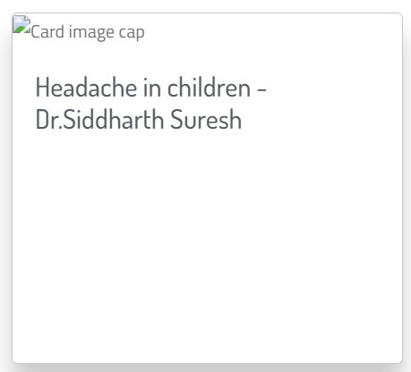 | Minor | P3 | New
Def_MH_07 | Should the"Home" button is clickable and redirected to the home page | It is not redirected to the home page | 1. Open the link www.motherhospitalthrissur.org 2. Click the Book appointment 3. Click the "Home" |  | Major | P2 | New
Def_MH_08 | Should the drop down have doctors in the "New Patient" | The drop down have no doctors in the "New Patient" | 1. Open the link www.motherhospitalthrissur.org 2. Click the Book appointment 3. Click the drop down of Doctors | 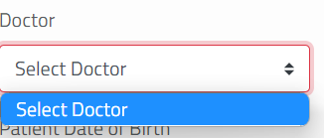 | Major | P2 | New
Def_MH_09 | Should the "phone" field have text field | The "Phone" field have increment decrement button | 1. Open the link www.motherhospitalthrissur.org 2. Click the Book appointment 3. Click on Phone |  | Major | P2 | New
Def_MH_10 | Should the submit button is present in the booking page | The Submit button is not present in the booking page | 1. Open the link www.motherhospitalthrissur.org 2. Click the Book appointment | - | Critical | P1 | New
Def_MH_11 | Should the "Health Checkup Brochure" button is working properly | The button is not worked properly | 1. Open the link www.motherhospitalthrissur.org 2. Click the Book appointment 3. Click the button "Health Checkup Brochure" |  | Major | P2 | New
Def_MH_12 | Should the "Post Covid Checkup Brochure" button is working properly | The button is not worked properly | 1. Open the link www.motherhospitalthrissur.org 2. Click the Book appointment 3. Click the button "Post Covid Checkup Brochure" |  | Major | P2 | New
Def_MH_13 | Should the submit button is present in the Video Consultaion | The Submit button is not present in the Video consultation | 1. Open the link www.motherhospitalthrissur.org 2. Click on appointment 3. Click video consultation | - | Critical | P1 | New
Def_MH_14 | Should the Home page is more attractive with much sufficient details | Not much informations or images is available in home page | 1. Open the link www.motherhospitalthrissur.org | - | Enhancement | P5 | New
Def_MH_15 | Should the alignments are proper order | Alignments are notin proper order | 1. Open the link www.motherhospitalthrissur.org | - | Trivial | P4 | New

DefectDistributionGraph
module name | Defect Distribution
Home page | 15
Booking page | 9

