Sheet1
 |  | X | Y
 |  | hell | o
 |  |  | Input
 |  | h | e | l | l
 |  | 1 | 0 | 0 | 0
 |  | 0 | 1 | 0 | 0
 |  | 0 | 0 | 1 | 1
 |  | 0 | 0 | 0 | 0

 |  |  | Wxh |  |  |  | Input(xt) |  | Wxh*xt
Step 1 |  | 0.1 | 0.1 | 0.1 | 0.1 |  | h |  | 0.1
 |  | 0.1 | 0.1 | 0.1 | 0.1 |  | 1 |  | 0.1
 |  | 0.1 | 0.1 | 0.1 | 0.1 |  | 0 |  | 0.1
 |  |  |  |  |  |  | 0
 |  |  |  |  |  |  | 0
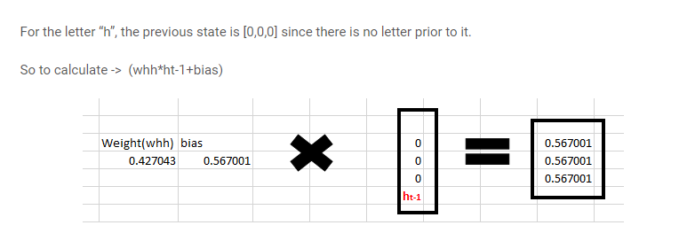

Step 2 | Rec Neuron

 | Weight(Whh) | bias |  | ht-1
 | 0.4 | 0.5 |  | 0 |  | 0.5
 |  |  |  | 0 |  | 0.5
 |  |  |  | 0 |  | 0.5

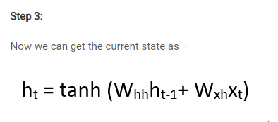
step 3
 | Wxh*xt |  | Whhht-1 |  | Total |  | tanh
 | 0.1 |  | 0.54 |  | 0.64 |  | 0.56489955285
 | 0.1 |  | 0.54 |  | 0.64 |  | 0.56489955285
 | 0.1 |  | 0.54 |  | 0.64 |  | 0.56489955285

Continue the above
step 4

 |  |  |  |  |  | Input(xt) |  | Wxh*xt
 |  | Wxh |  |  |  | e
 | 0.1 | 0.1 | 0.1 | 0.1 |  | 0 |  | 0.1
 | 0.1 | 0.1 | 0.1 | 0.1 |  | 1 |  | 0.1
 | 0.1 | 0.1 | 0.1 | 0.1 |  | 0 |  | 0.1
 |  |  |  |  |  | 0

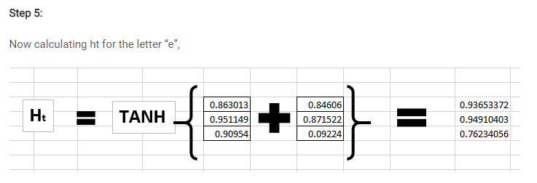
 | Weight(Whh) | bias |  |  |  | ht-1
 | 0.4 | 0.5 |  |  |  | 0.56489955285 |  | 0.72595982114
 |  |  |  |  |  | 0.56489955285 |  | 0.72595982114
 |  |  |  |  |  | 0.56489955285 |  | 0.72595982114

 |  |  |  |  |  |  | Ht
step-5 |  |  |  |  | Total |  | tanh
 |  | 0.1 |  | 0.72595982114 | 0.82595982114 |  | 0.67830065362
 |  | 0.1 |  | 0.72595982114 | 0.82595982114 |  | 0.67830065362
 |  | 0.1 |  | 0.72595982114 | 0.82595982114 |  | 0.67830065362

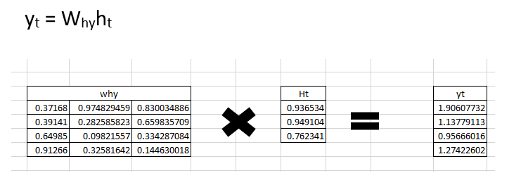
step-6

 | Why |  |  |  |  | ht |  |  |  | Yt
 | 0.2 | 0.2 | 0.2 |  |  | 0.67830065362 |  |  |  | 0.40698039217
 | 0.2 | 0.2 | 0.2 |  |  | 0.67830065362 |  |  |  | 0.40698039217
 | 0.2 | 0.2 | 0.2 |  |  | 0.67830065362 |  |  |  | 0.40698039217
 | 0.2 | 0.2 | 0.2 |  |  |  |  |  |  | 0.40698039217

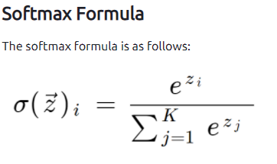
step-7
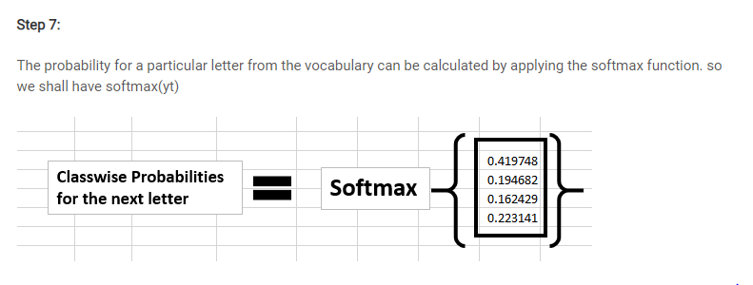

 |  |  | Yt |  | e | Probability
 |  |  | 0.40698039217 |  | 1.502274649 | 0.25
 |  |  | 0.40698039217 |  | 1.502274649 | 0.25
 |  |  | 0.40698039217 |  | 1.502274649 | 0.25
 |  |  | 0.40698039217 |  | 1.502274649 | 0.25
 |  |  |  |  | 6.0090985961

