UDIFF File Formats
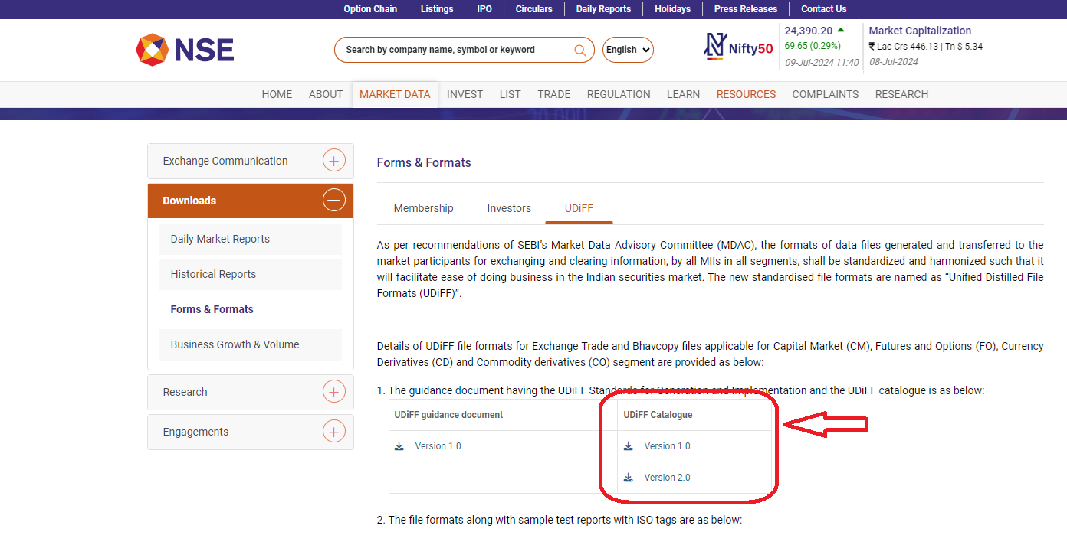 Website Link : https://www.nseindia.com/resources/forms-formats-members

