Sheet2
sex | length | sex | length
F | 18.3 | M | 19
F | 17.9 | M | 18.6
F | 17.6 | M | 18.3
F | 17.3 | M | 18
F | 17.5 | M | 18.2
F | 17.9 | M | 18.6
F | 17.8 | M | 18.5
F | 17 | M | 18.2
F | 17.7 | M | 18.4
F | 18.2 | M | 18.9
F | 19.2 | M | 19.9
F | 17.8 | M | 18.5
F | 16.2 | M | 16.9
F | 17.3 | M | 18
F | 16.6 | M | 17.3
F | 17.1 | M | 17.8
F | 19.3 | M | 20
F | 18.3 | M | 19
F | 18.5 | M | 19.2
F | 18 | M | 18.9
F | 16.8 | M | 17.5
F | 17.2 | M | 18.1
F | 17.3 | M | 18
F | 17.4 | M | 18.1
F | 16.7 | M | 17.4
F | 17.2 | M | 17.9
F | 16.7 | M | 17.4
F | 16.2 | M | 16.7
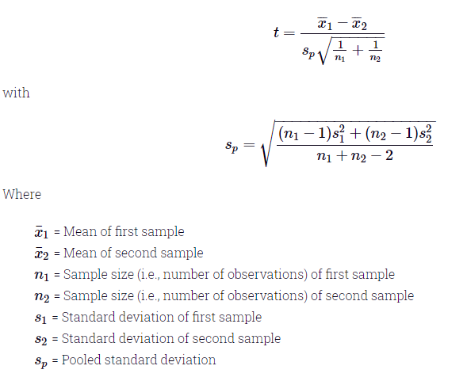
F | 19 | M | 19.7
F | 18.6 | M | 19.3
F | 18.3 | M | 19
F | 18.7 | M | 19.4
F | 19.1 | M | 19.8
F | 18.6 | M | 19.3
F | 17.8 | M | 18.5
SUM | 621.1 | SUM | 646.3
Avg | 17.745714286 | AVG | 18.465714286
X1bar-X2bar | -0.72
Var | 0.69608403361 | Var | 0.69937815126
(n1-1)*Var | 23.666857143 | CI
(n2-1)*Var | 23.778857143 | Upper CI | -0.3218468391
SUM | 47.445714286 | Lower CI | -1.1181531609
SUM/(n1+n2-2) | 0.69773109244
SP | 0.83530299439
1/n1 | 0.028571428571
1/n2 | 0.028571428571
SUM | 0.057142857143
 | 0.23904572187
Sp*SUM | 0.19967560727
t | -3.6058485553

