May 9
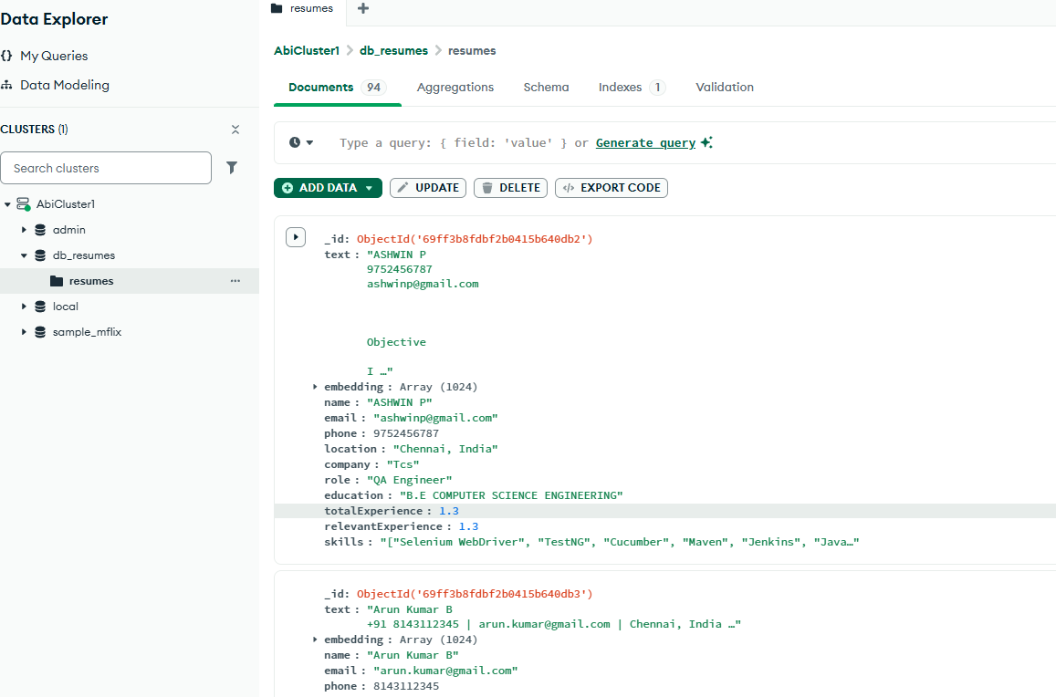
Architecture MD file

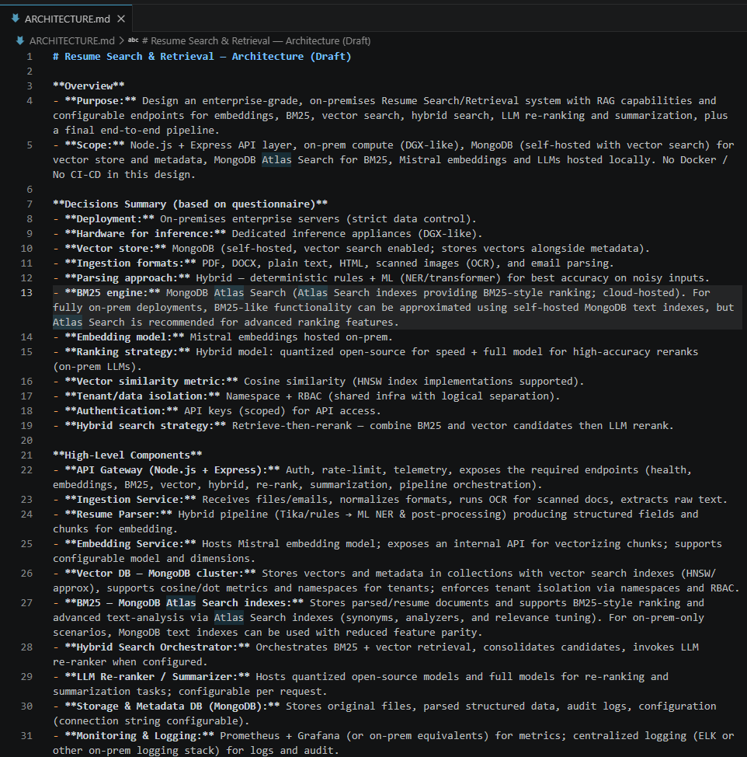
 | You are designing a technical Architecture MCQ(Questionnaire) for Node JS Express+ and enterprise grade RAG-BASED Resume Search/Retrieval system

 | Target system expectation
 | Build API END POINT
 | 1. Health Check API
 | 2. Mistral Embedding API (Configurable: Model + Embedding Dimensions)
 | 3. Mongo DB Connectivity (Configure: Connection String)
 | 4. BM25 search Endpoint (Configure: Index Name)
 | 5. Vector Search Endpoint (Configure: Index Name)
 | 6. Hybrid (BM25 + Vector) search Endpoint (Configure: Index Name, % of BM25 and Vector)
 | 7. LLM Based Re-Ranking Endpoint (Configure: Model)
 | 8. LLM Based Summarization Endpoint (Configure: Model)
 | 9. Final End to End Resume Search pipeline (Orchestrating all above)

 | Rules:
 | 1. DO NOT START ASKING QUESTION UNTILL I EXPLICT SAY "START"
 | 2. ONCE I SAY START, SHOW ME ONE QUESTION AT A TIME
 | 3. AFTER I ANSWER, USE MY PREVIOUS ANSWER TO DECIDE THE NEXT BEST MCQ
 | 4. ASK A TOTAL OF 12-15 MCQ'S
 | 5. BASED ON THOSE RESPONSES, YOU WILL GENERATE A COMPLETE TECHNICAL ARCHITECTURE MD FILE FOR THIS SYSTEM.
 | 6. PROMPT TO BUILD IT INCREMENTALLY
 | 7. NO DOCKER/NO CI/CD

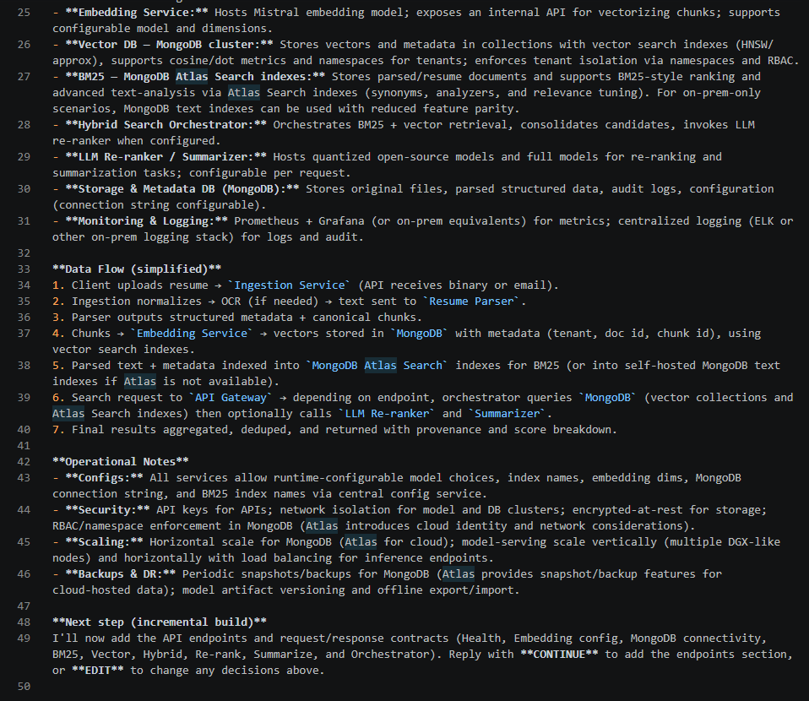

Langflow :

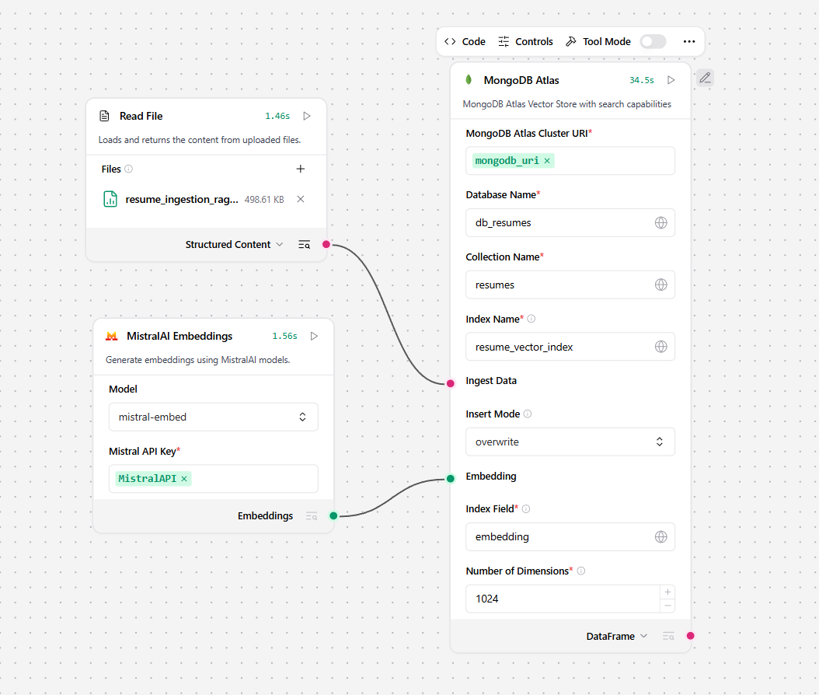

Mongo DB

