read document workflow
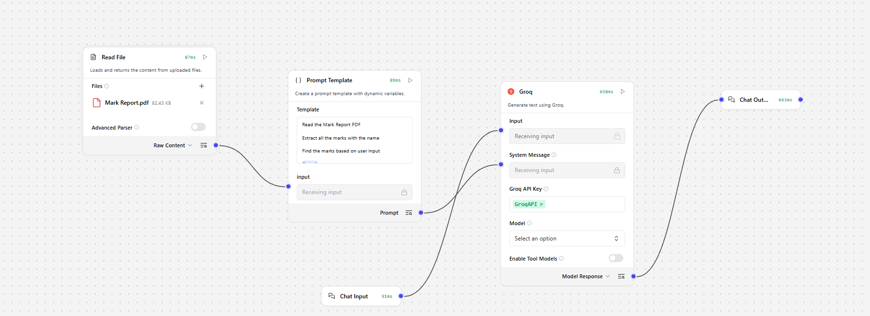
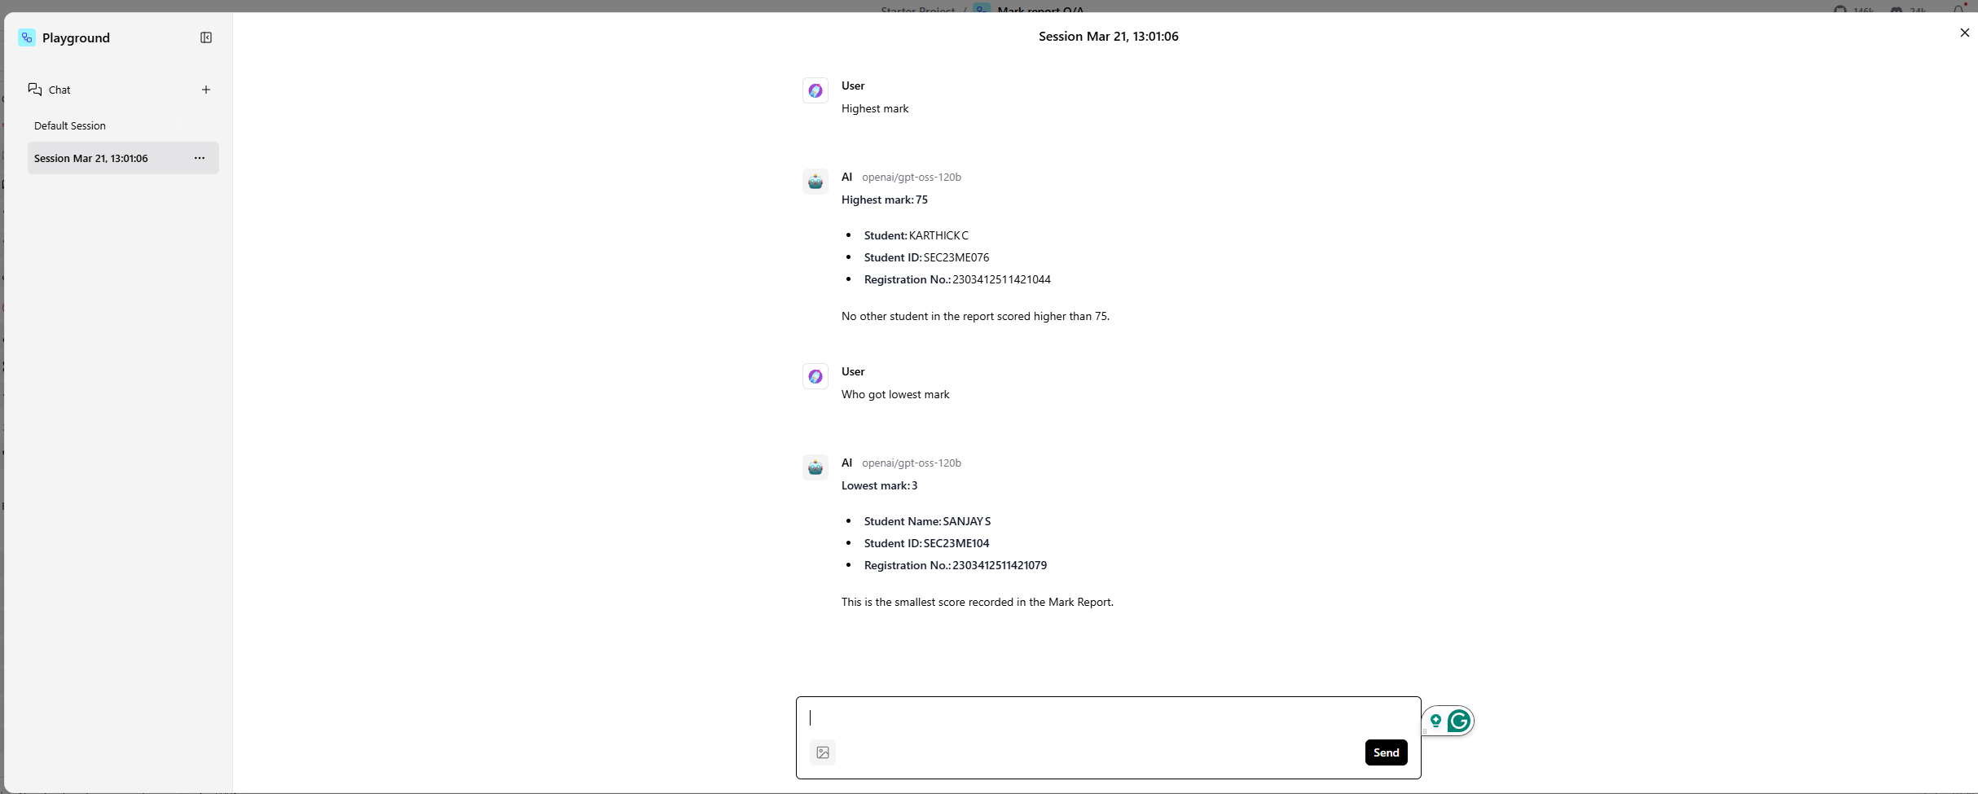
Develop a Workflow to read the document and extract the required data

Workflow: Read the mark report PDF and answer the question based on user input

us reviewer with custom nodes
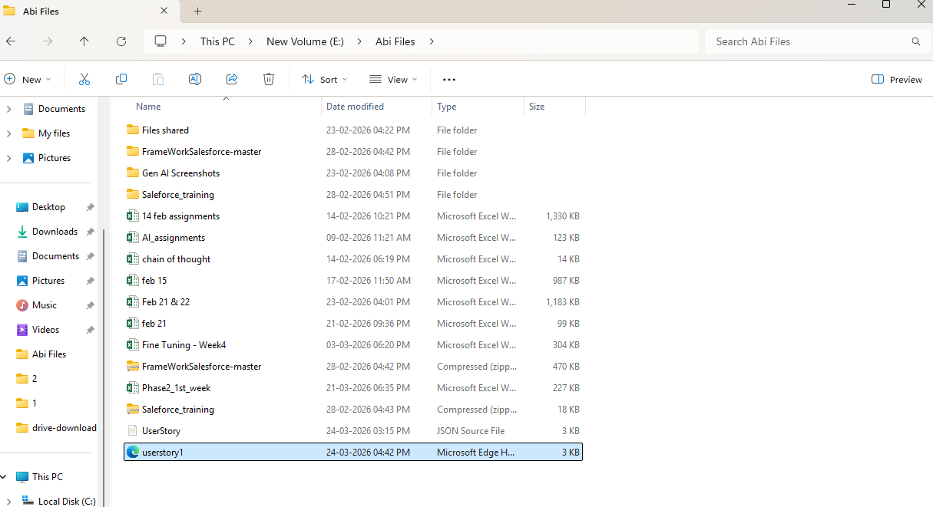
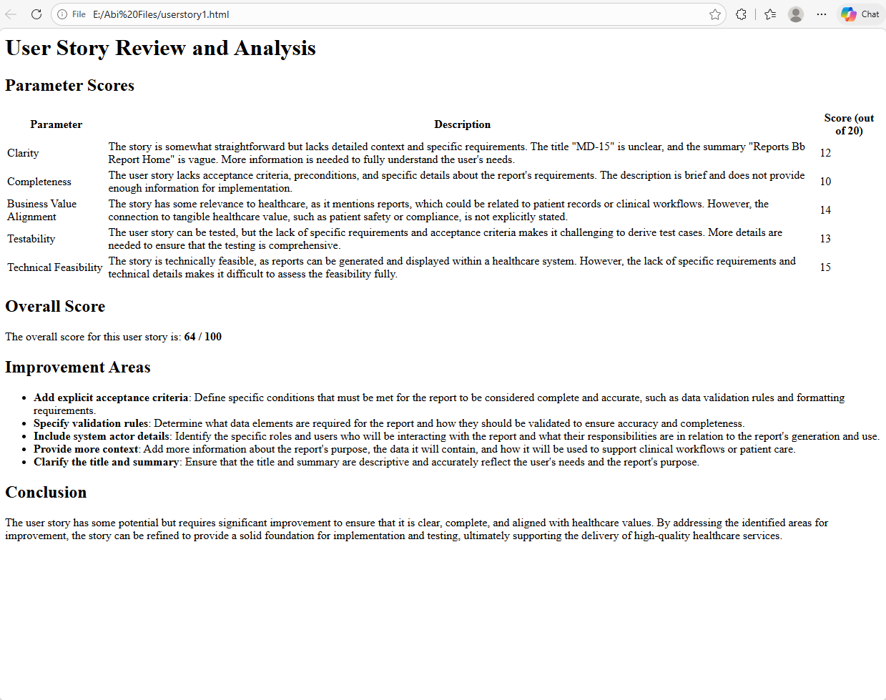
User Stories reviewer agent workflow

 | Instead of API request I added custom component for JIRA API.
 | API req component is continuously sending default empty body and get request.
 | So added a custom component where I am sending url and headers and post is called default

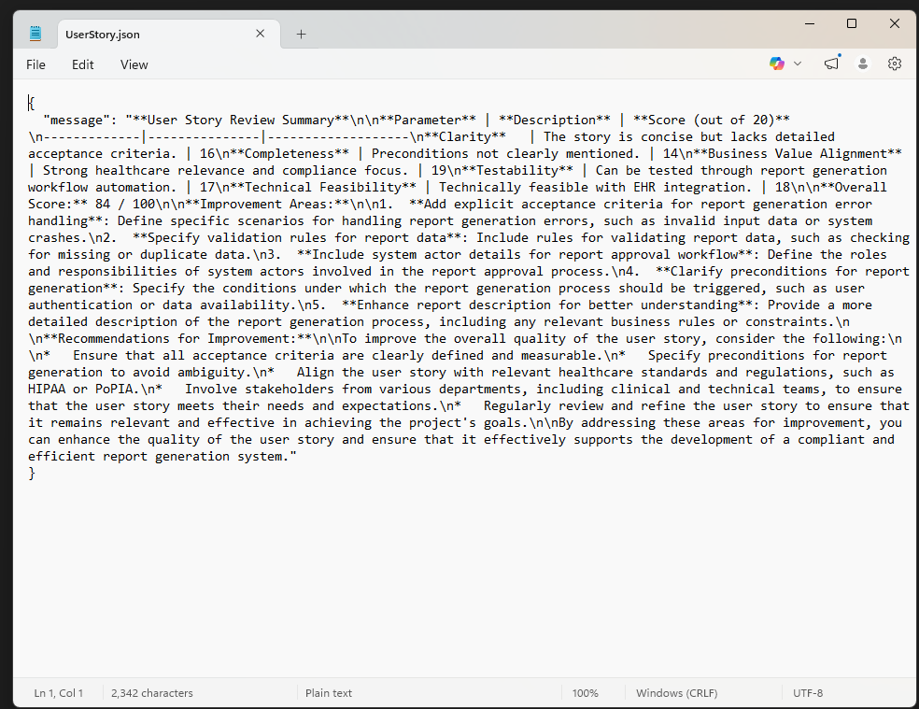

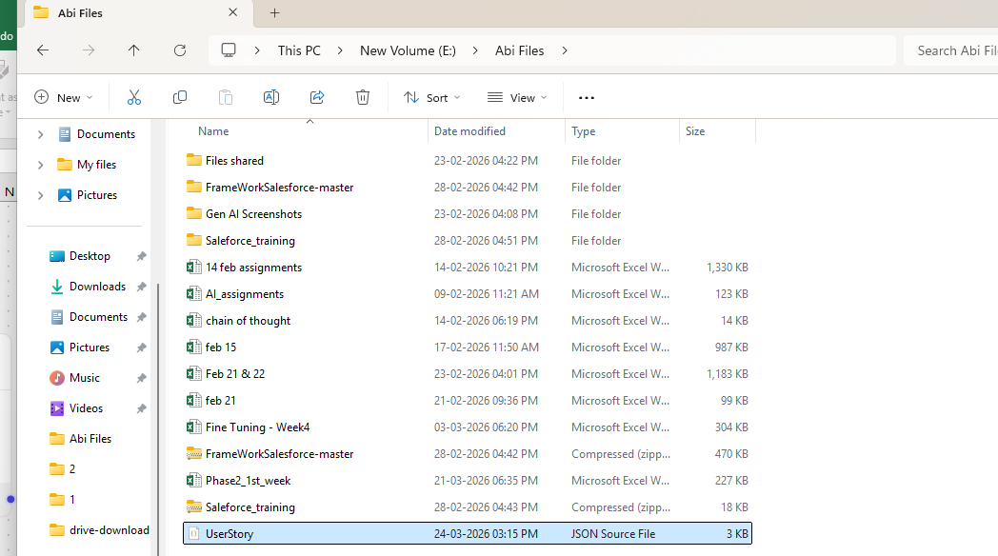

 | With custom component - write file with html format

