Feuil1
633. Fig. 13.1 shows the temperature/resistance graph of a conductor. The value of α0 is ________.

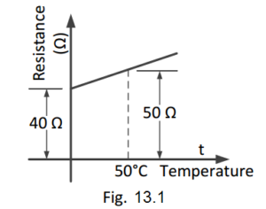

A. 0.005/°C

B. 0.004/°C

C. 0.1/°C

D. 0.4/°C
View Answer:

Answer: Option A

Solution:

634. Referring to Fig. 13.1, the value of the α50 will be ________.

A. 0.005/°C

B. 0.004/°C

C. 0.1/°C

D. 0.4/°C
View Answer:

Answer: Option B

Solution:

635. Referring to Fig. 13.2, the value of α0 is ________.

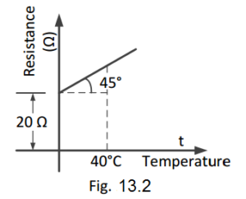

A. 1/30 per °C

B. 1/40 per °C

C. 1/1200 per °C

D. none of these
View Answer:

Answer: Option A

Solution:

636. Referring to Fig. 13.2, the value of R40 will be ________.

A. 70 ohms

B. 40 ohms

C. 35 ohms

D. 50 ohms
View Answer:

Answer: Option A

Solution:

637. Referring to Fig. 13.2, the value of α40 will be _________.

A. 1/30 per °C

B. 1/70 per °C

C. 1/50 per °C

D. 1/1200 per °C
View Answer:

Answer: Option B

Solution:

650. The charge delivered by a constant voltage source is shown. Determine the current supplied by the source at (a) t = 1 s (b) t = 3 s.

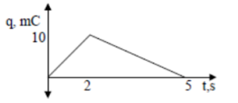

A. 5 ma, -3.33 ma

B. 5 ma, 3.33 ma

C. –3.33 ma, 5 ma

D. 3.33 ma, 5 ma
View Answer:

Answer: Option A

712. The voltage drop across 14.5 ohm resistor in Fig. 15.1 is __________.
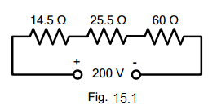

electrical circuit figure 15.1

A. 29 V

B. 14 V

C. 30.5 V

D. 18 V
View Answer:

Answer: Option A

Solution:

713. The circuit shown in Fig. 15.1 is called a series circuit because ________

electrical circuit figure 15.1

A. it contains a few resistances

B. it carries the same current throughout the circuit

C. it is a simple circuit

D. none of the above
View Answer:

Answer: Option B

Solution:

714. Referring to Fig. 15.2, the total circuit resistance will be _________
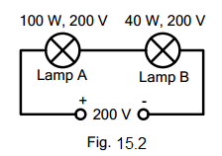

electrical circuit figure 15.2

A. 1000 ohms

B. 400 ohms

C. 1400 ohms

D. 135 ohms
View Answer:

Answer: Option C

Solution:

715. In Fig. 15.2 ____

electrical circuit figure 15.2

A. the lamp A will be brighter than lamp B

B. the lamp B will be brighter than lamp A

C. the two lamps will be equally bright

D. none of the above
View Answer:

Answer: Option B

Solution:

Solution:

718. The value of R that will give a total resistance of 1.5 ohms in Fig. 15.3 is ____
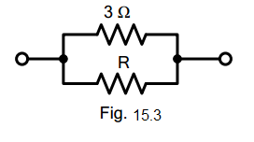

electrical circuit figure 15.3

A. 4 ohms

B. 6 ohms

C. 3 ohms

D. 9 ohms
View Answer:

Answer: Option C

Solution:

719. The current in 2.5 ohm resistor in Fig. 15.4 will be _________
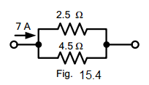

electrical circuit figure 15.4

A. 3 A

B. 4.5 A

C. 2.5 A

D. 2 A
View Answer:

Answer: Option B

Solution:

720. The current in 4.5 ohms resistor in Fig. 15.4 will be _________.

electrical circuit figure 15.4

A. 3.5 A

B. 3 A

C. 2 A

D. 2.5 A
View Answer:

Answer: Option D

Solution:

723. The resistance across the terminals AB of the circuit shown in Fig. 15.5 is ________
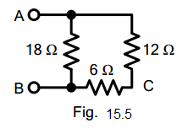

electrical circuit figure 15.5

A. 36 ohms

B. 18 ohms

C. 9 ohms

D. 15 ohms
View Answer:

Answer: Option C

Solution:

724. If a d.c. supply of 180 V is connected across terminals AB in Fig. 15.5, then current in 6 ohm resistor will be _________.

electrical circuit figure 15.5

A. 10 A

B. 5 A

C. 12 A

D. 6 A
View Answer:

Answer: Option A

Solution:

725. The resistance across terminals AC in Fig. 15.5 is ________

electrical circuit figure 15.5

A. 36 ohms

B. 9 ohms

C. 18 ohms

D. 8 ohms
View Answer:

Answer: Option D

Solution:

726. The resistance across terminals AB of the circuit shown in Fig. 15.6 is ________
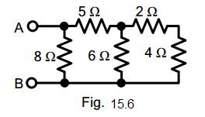

electrical circuit figure 15.6

A. 4 ohms

B. 18 ohms

C. 34 ohms

D. 8 ohms
View Answer:

Answer: Option A

Solution:

727. If a battery of 24 V is applied across terminals AB of the circuit shown in Fig. 15.6, then current in 2 ohm resistor will be ________

electrical circuit figure 15.6

A. 3 A

B. 6 A

C. 2.5 A

D. 1.5 A
View Answer:

Answer: Option D

Solution:

728. If a battery of 24 V is applied across terminals AB in Fig. 15.6, then power loss in 5 ohms resistor will be ________

electrical circuit figure 15.6

A. 180 W

B. 45 W

C. 90 W

D. 24 W
View Answer:

Answer: Option B

Solution:

729. The total conductance of the circuit shown in Fig. 15.7 is ________
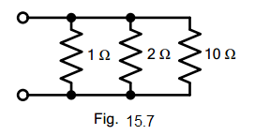

electrical circuit figure 15.7

A. 13 mhos

B. 1.6 mhos

C. 6 mhos

D. 2.5 mhos
View Answer:

Answer: Option B

Solution:

730. If 10 ohms resistance is removed in Fig. 15.7, then total conductance of the circuit will be ________

electrical circuit figure 15.7

A. 3 mhos

B. 6 mhos

C. 2 mhos

D. 1.5 mhos
View Answer:

Answer: Option D

Solution:

731. The voltage across the parallel circuit shown in Fig. 15.8 is ________
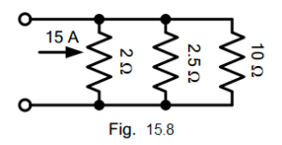

electrical circuit figure 15.8

A. 15 V

B. 10 V

C. 30 V

D. 12. 5 V
View Answer:

Answer: Option A

Solution:

732. The current in 10 ohms resistor in Fig. 15.8 is ________

electrical circuit figure 15.8

A. 3 A

B. 2.5 A

C. 1.5 A

D. 3.5 A
View Answer:

Answer: Option C

Solution:

733. The total resistance between terminals 1 and 2 of the circuit shown in Fig. 15.9 is _______
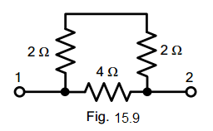

electrical circuit figure 15.9

A. 12 ohms

B. 2.67 ohms

C. 2 ohms

D. 64 ohms
View Answer:

Answer: Option C

Solution:

734. If a battery of 12 V is applied across terminals 1 and 2 of Fig. 15.9, then current through 4 ohms resistor will be ________

electrical circuit figure 15.9

A. 1.5 A

B. 3 A

C. 2 A

D. 2.5 A
View Answer:

Answer: Option B

Solution:

735. The resistance between terminals 1 and 2 of Fig. 15.10 is _________
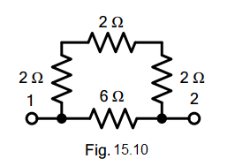

electrical circuit figure 15.10

A. 12 ohms

B. 8 ohms

C. 16 ohms

D. 3 ohms
View Answer:

Answer: Option C

Solution:

736. The resistance between terminals 1 and 2 in Fig. 15.11 is ________
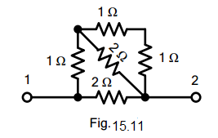

electrical circuit figure 15.11

A. 2 ohms

B. 1.5 ohms

C. 1 ohm

D. 4 ohms
View Answer:

Answer: Option C

Solution:

237. If a battery of 6 V is applied across terminals 1 and 2 in Fig. 15.11, then current in the horizontal 2 ohm resistor will be ________

electrical circuit figure 15.11

A. 1 A

B. 2 A

C. 3 A

D. 0.5 A
View Answer:

Answer: Option C

Solution:

738. The resistance across terminals 1 and 2 in Fig. 15.12 is _________
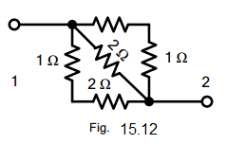

electrical circuit figure 15.12

A. 6 ohms

B. 12 ohms

C. 18 ohms

D. 24 ohms
View Answer:

Answer: Option A

Solution:

739. Two equal resistances are connected in series across a certain supply. If the resistances are now connected in parallel across the same supply, the power produced will be ________ that of series connection.

A. two times

B. four times

C. one-half

D. one-fourth
View Answer:

Answer: Option B

Solution:

740. Referring to Fig. 15.13, the resistance across terminals BE is ________
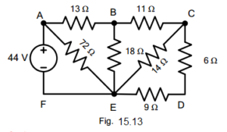

electrical circuit figure 15.13

A. 9 ohms

B. 18 ohms

C. 10 ohms

D. none of the above
View Answer:

Answer: Option A

Solution:

741. Referring to Fig. 15.13, the resistance across terminals AF is ________

electrical circuit figure 15.13

A. 20.5 ohms

B. 18 ohms

C. 11 ohms

D. none of the above
View Answer:

Answer: Option C

Solution:

742. Referring to Fig. 15.13, the current in 18 ohms resistor will be ________

electrical circuit figure 15.13

A. 2 A

B. 1.5 A

C. 1 A

D. none of the above
View Answer:

Answer: Option C

Solution:

743. Referring to Fig. 15.13, the power loss in 11 ohms will be ______

electrical circuit figure 15.13

A. 11 W

B. 24 W

C. 16 W

D. none of the above
View Answer:

Answer: Option A

Solution:

744. If in Fig. 15.14, switches S1 and S2 are closed, then total circuit resistance is _______
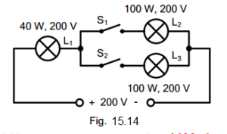

electrical circuit figure 15.14

A. 400 ohms

B. 1200 ohms

C. 1000 ohms

D. 2400 ohms
View Answer:

Answer: Option B

Solution:

745. If switch S1 is open and switch S2 is closed in Fig. 15.14, then circuit resistance will be _________

electrical circuit figure 15.14

A. 1200 ohms

B. 1000 ohms

C. 1400 ohms

D. 2400 ohms
View Answer:

Answer: Option C

Solution:

746. If in Fig. 15.14, both switches S1 and S2 are closed, then ________

electrical circuit figure 15.14

A. L1 will be brighter than L2 or L3

B. L1 will be dimmer than L2 or L3

C. L1 will be as bright as L2 or L3

D. none of the above
View Answer:

Answer: Option A

Solution:

747. If in Fig. 15.14 switches S1 and S2 are open, then lamp L1 will give output _______

electrical circuit figure 15.14

A. less than 40 W

B. more than 40 W

C. equal to 40 W

D. none of the above
View Answer:

Answer: Option D

Solution:

748. If in Fig. 15.14 switches S1 and S2 are closed and the supply voltage is increased to 400 V, then ________

electrical circuit figure 15.14

A. lamp L1 will burn out

B. lamp L2 will burn out

C. both lamps L2 and L3 will burn out

D. all the lamps will be safe
View Answer:

Answer: Option A

Solution:

749. If in Fig. 15.15, resistor R2 becomes open-circuited, the reading of the voltmeter will become
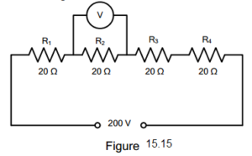

electrical circuit figure 15.15

A. zero

B. 150 V

C. 50 V

D. 200 V
View Answer:

Answer: Option D

Solution:

750. Whatever the battery voltage in Fig. 15.16, it is certain that smallest current will flow in the resistance of ______ ohm.
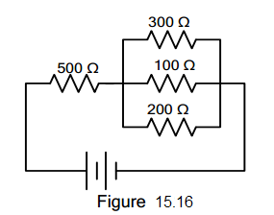

electrical circuit figure 15.16

A. 300

B. 500

C. 200

D. 100
View Answer:

Answer: Option A

Solution:
751. Which of the following statement is TRUE both for a series and parallel DC circuit?

A. powers are additive

B. voltages are additive

C. current additive

D. elements have individual currents
View Answer:

Answer: Option A

Solution:

752. A 100-W, 110-V and a 50-W lamp are connected in series across a 220-V dc source. If the resistances of the two lamps are assumed to remain constant, the voltage across the 100-W lamp is ________ volt.

A. 110

B. 73.3

C. 146.7

D. 220
View Answer:

Answer: Option A

Solution:

753. In the parallel circuit of Fig.16.1, the value of V0 is ________ volt.
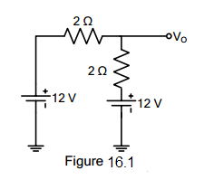

electrical circuit figure 16.1

A. 12

B. 24

C. 0

D. -12
View Answer:

Answer: Option C

Solution:

754. In the series circuit of Fig 16.2, the value of V0 is ___________ volt.
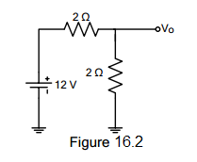

electrical circuit figure 16.2

A. 12

B. -12

C. 0

D. 6
View Answer:

Answer: Option D

Solution:

755. In Fig 16.3, there is a drop of 20 V on each resistor. The potential of point A would be _________ volt.
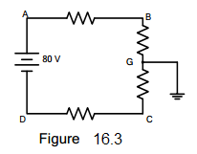

electrical circuit figure 16.3

A. +80

B. -40

C. +40

D. -80
View Answer:

Answer: Option C

Solution:

756. From the voltmeter reading of Fig. 16.4, is it obvious that
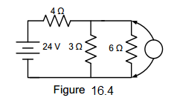

electrical circuit figure 16.4

A. the 3 Ω resistor is short circuited

B. the 6 Ω resistor is short circuited

C. nothing is wrong with the circuit

D. the 3 Ω resistor is open-circuited
View Answer:

Answer: Option D

Solution:

757. With reference to Fig 16.5, which of the following statement is true?
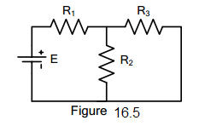

electrical circuit figure 16.5

A. E and R1 form a series circuit

B. R1 is in series with R3

C. R1 is in series with R2

D. there is no series circuit
View Answer:

Answer: Option A

Solution:

758. Which of the following statements is correct concerning the Fig. 16.6?
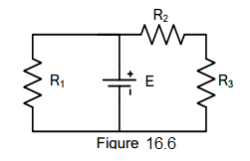

electrical circuit figure 16.6

A. R2 and R3 form a series of path

B. E is in series with R1

C. R1 is in parallel in R3

D. R1, R2 and R3 form a series of circuit
View Answer:

Answer: Option B

Solution:

759. What is the equivalent resistance in ohms between points A and B of Fig. 16.7? All resistances are in ohms
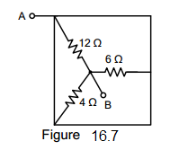

electrical circuit figure 16.7

A. 12

B. 14.4

C. 22

D. 2
View Answer:

Answer: Option D

Solution:

815. EE Board Exam August 1976

Find the value of the voltage V.
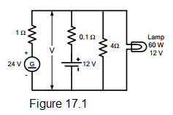

electrical circuit figure 17.1

A. 12.34 V

B. 11.24 V

C. 12.19 V

D. 11.66 V
View Answer:

Answer: Option A

Solution:

816. EE Board Exam April 1982

Referring to the circuit diagram below, if the charger voltage is 130 volts and the battery voltage is 120 volts, solve for the current Ib.
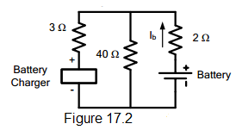

electrical circuit figure 17.2

A. -0.215 A

B. 0.215 A

C. -0.306 A

D. 0.306 A
View Answer:

Answer: Option A

Solution:

817. EE Board Exam August 1977

In the figure below R1 = 1 ohm, R2 = 1 ohm, R3 = 3 ohms, I2 = 2 A and VB = 120 V. Find Eg.
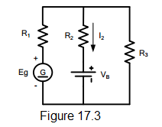

electrical circuit figure 17.3

A. 182.41 V

B. 153.32 V

C. 164.67 V

D. 157.22 V
View Answer:

Answer: Option C

Solution:

818. EE Board Exam October 1980, April 1984

In the dc circuit as shown, the high resistance voltmeter gives a reading of 0.435 volt. What is the value of the resistance R?
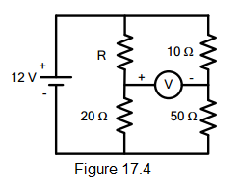

electrical circuit figure 17.4

A. 4 ohms

B. 5 ohms

C. 3 ohms

D. 2 ohms
View Answer:

Answer: Option C

Solution:

819. EE Board Exam April 1980

Determine I in the figure.
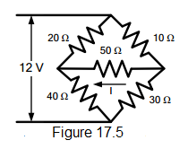

electrical circuit figure 17.5

A. 0.028 A

B. 0.010 A

C. 0.025 A

D. 0.014 A
View Answer:

Answer: Option D

Solution:

837. In the circuit shown in Fig. 17.6, the number of nodes is __________.
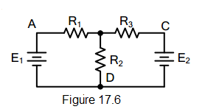

electrical circuit figure 17.6

A. one

B. two

C. three

D. four
View Answer:

Answer: Option B

Solution:

838. In the circuit shown in Fig. 17.6, there are _________ junctions.

electrical circuit figure 17.6

A. three

B. four

C. two

D. none of these
View Answer:

Answer: Option B

Solution:

839. The circuit shown in Fig. 17.6 has __________ branches.

electrical circuit figure 17.6

A. two

B. four

C. three

D. none of these
View Answer:

Answer: Option C

Solution:

840. The circuit shown in Fig. 17.6 has __________ loops.

electrical circuit figure 17.6

A. two

B. four

C. three

D. none of the above
View Answer:

Answer: Option C

Solution:

841. In the circuit shown in Fig. 17.6, there are ________ meshes.

electrical circuit figure 17.6

A. two

B. three

C. four

D. none of these
View Answer:

Answer: Option A

Solution:

842. To solve the circuit shown in Fig. 17.7 by Kirchhoff’s laws, we require ________
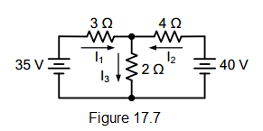

electrical circuit figure 17.7

A. one equation

B. two equations

C. three equations

D. four equations
View Answer:

Answer: Option C

Solution:

843. To solve the circuit shown in Fig. 17.7 by nodal analysis, we require ________

electrical circuit figure 17.7

A. one equation

B. two equation

C. three equations

D. none of these
View Answer:

Answer: Option A

Solution:

844. To solve the circuit shown in Fig. 17.7 by superposition theorem, we require ________

electrical circuit figure 17.7

A. one circuit

B. two circuits

C. three circuits

D. none of these
View Answer:

Answer: Option B

Solution:

845. To solve the circuit shown in Fig. 17.7 by Maxwell’s mesh current equation, we require

electrical circuit figure 17.7

A. one equation

B. three equations

C. two equations

D. none of these
View Answer:

Answer: Option C

Solution:

846. In the circuit shown in Fig. 17.8, the voltage at node B with D is calculated to be 15 V. The current in the 3 Ω resistor will be
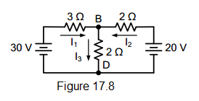

electrical circuit figure 17.8

A. 2 A

B. 5 A

C. 2.5 A

D. none of these
View Answer:

Answer: Option B

Solution:

847. The current in 2 Ω horizontal resistor in Fig. 17.8 is _________.

electrical circuit figure 17.8

A. 10 A

B. 5 A

C. 2 A

D. 2.5 A
View Answer:

Answer: Option D

Solution:

848. In order to solve the circuit shown in Fig. 17.8 by nodal analysis, we require

electrical circuit figure 17.8

A. one equation

B. two equation

C. three equations

D. none of these
View Answer:

Answer: Option A

Solution:

849. The superposition theorem is used when the circuit contains

A. a single voltage source

B. a number of passive source

C. passive elements only

D. none of these
View Answer:

Answer: Option B

Solution:

850. Fig. 3.4(b) shows the Thevenin’s equivalent circuit of Fig. 17.9(a). The value of Thevenin’s voltage Vth is ________.
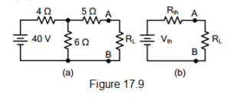

electrical circuit figure 17.9

A. 20 V

B. 24 V

C. 12 V

D. 36 V
View Answer:

Answer: Option B

Solution:
851. The value of Rth in Fig. 17.9(b) is _________.

electrical circuit figure 17.9

A. 15 Ω

B. 3.5 Ω

C. 6.4 Ω

D. 7.4 Ω
View Answer:

Answer: Option D

Solution:

852. The open-circuited voltage at terminals AB in Fig. 17.9(a) is

electrical circuit figure 17.9

A. 12 V

B. 20 V

C. 24 V

D. 40 V
View Answer:

Answer: Option C

Solution:

853. For transfer of maximum power in the circuit shown in Fig. 17.9(a), the value of RL should be _________.

electrical circuit figure 17.9

A. 3.5 Ω

B. 6.4 Ω

C. 7.4 Ω

D. 15 Ω
View Answer:

Answer: Option C

Solution:

854. Fig. 18.2(b) shows Norton’s equivalent circuit of Fig. 3.5(a). The value of RN is _______.
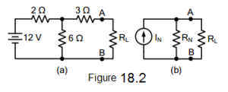

electrical circuit figure 18.2

A. 5 Ω

B. 4.5 Ω

C. 10.5 Ω

D. none of the above
View Answer:

Answer: Option B

Solution:

855. The value of IN in Fig. 8.2(b) is _________.

electrical circuit figure 18.2

A. 3 A

B. 1 A

C. 2 A

D. none of the above
View Answer:

Answer: Option C

Solution:

856. Thevenin’s theorem is _________ form on an equivalent circuit.

A. voltage

B. current

C. both voltage and current

D. none of the above
View Answer:

Answer: Option A

Solution:

857. Norton’s theorem is ________ Thevenin’s theorem.

A. A the same as.

B. converse of

C. equal to

D. none of the above
View Answer:

Answer: Option B

Solution:

858. In the analysis of a vacuum tube circuit, we generally use _________.

A. superposition

B. Norton’s

C. Thevenin’s

D. reciprocity
View Answer:

Answer: Option C

Solution:

859. Norton’s theorem is __________ form of an equivalent circuit

A. voltage

B. current

C. both voltage and current

D. none of the above
View Answer:

Answer: Option B

Solution:

860. In the analysis of a transistor circuit, we generally use _________.

A. Norton’s

B. Thevenin’s

C. reciprocity

D. superposition
View Answer:

Answer: Option A

Solution:

861. Fig. 18.3(a) shows Norton’s equivalent circuit of a network whereas Fig. 18.3(b) shows its Thevenin’s equivalent circuit. The value of Vth is ________.
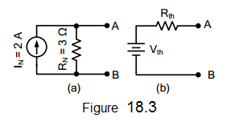

electrical circuit figure 18.3

A. 1.5 V

B. 0.866 V

C. 3 V

D. 6 V
View Answer:

Answer: Option D

Solution:

862. The value of Rth in Fig. 18.3(b) is ________.

electrical circuit figure 18.3

A. 3 Ω

B. 2 Ω

C. 1.5 Ω

D. 6 Ω
View Answer:

Answer: Option A

Solution:

863. If in Fig. 18.3(a), the value of IN is 3 A, then value of Vth in Fig. 18.3(b) will be _________.

electrical circuit figure 18.3

A. 1 V

B. 9 V

C. 5 V

D. none of these
View Answer:

Answer: Option B

Solution:

864. For maximum power transfer, the relation between load resistance RL and internal resistance Ri of the voltage source is _________.

A. RL = 2Ri

B. RL = 0.5Ri

C. RL = 1.5Ri

D. RL = Ri
View Answer:

Answer: Option D

Solution:

865. Under the conditions of maximum power transfer, the efficiency is _________.

A. 75%

B. 100%

C. 50%

D. 25%
View Answer:

Answer: Option C

Solution:

866. The open-circuited voltage at terminals of load RL is 30 V Under the conditions of maximum power transfer, the load voltage would be _________.

A. 30 V

B. 10 V

C. 5 V

D. 15 V
View Answer:

Answer: Option D

Solution:

867. The maximum power transfer theorem is used in _________.

A. electronic circuits

B. power system

C. home lighting circuits

D. none of these
View Answer:

Answer: Option A

Solution:

868. Under the conditions of maximum power transfer, a voltage source is delivering a power of 30 W to the load. The power generated by the source is __________.

A. 45 W

B. 30 W

C. 60 W

D. 90 W
View Answer:

Answer: Option C

Solution:

869. For the circuit shown in Fig. 18.4, the power transferred will be maximum when RL is equal to _______.
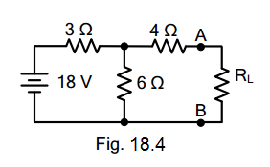

electrical circuit figure 18.4

A. 4.5 Ω

B. 6 Ω

C. 3 Ω

D. none of these
View Answer:

Answer: Option B

Solution:

870. The open-circuited voltage at terminals AB in Fig. 18.4 is _________.

electrical circuit figure 18.4

A. 12 V

B. 6 V

C. 15 V

D. 9.5 V
View Answer:

Answer: Option A

Solution:

871. If in Fig. 18.4, the value of RL = 6 Ω, then current through RL is _______.

electrical circuit figure 18.4

A. 2 A

B. 1.5 A

C. 1.75 A

D. 1 A
View Answer:

Answer: Option D

Solution:

872. Under the conditions of maximum power transfer, the voltage across RL in Fig. 18.4 is _________.

electrical circuit figure 18.4

A. 6 V

B. 4 V

C. 9 V

D. 12 V
View Answer:

Answer: Option A

Solution:

873. The output resistance of a voltage source is 4 Ω. Its internal resistance will be ________.

A. 4 Ω

B. 2 Ω

C. 1 Ω

D. infinite
View Answer:

Answer: Option A

Solution:

874. Delta/star of star/delta transformation technique is applied to _________.

A. one terminal

B. two terminal

C. three terminal

D. none of the above
View Answer:

Answer: Option C

Solution:

875. Kirchhoff’s current law is applicable to only

A. closed loops in a network

B. electronic circuits

C. conjunctions in a network

D. electric circuits
View Answer:

Answer: Option C

Solution:

876. Kirchhoff’s voltage law is concerned with

A. IR drops

B. battery e.m.f.s.

C. junction voltages

D. both A and B
View Answer:

Answer: Option D

Solution:

877. According to KVL, the algebraic sum of all IR drops and e.m.f.s in any closed loop of a network is always

A. zero

B. positive

C. negative

D. determined by the battery e.m.f.s
View Answer:

Answer: Option A

Solution:

878. The algebraic sign of an IR drop is primarily dependent upon the

A. amount of current flowing through it

B. value of R

C. direction of current flow

D. battery connection
View Answer:

Answer: Option C

Solution:

879. Maxwell’s loop current method of solving electrical networks

A. uses branch currents

B. utilizes Kirchhoff’s voltage law

C. is confined to single-loop circuits

D. is a network reduction method
View Answer:

Answer: Option B

Solution:

880. Point out the WRONG statement. In the node-voltage technique of solving networks, choice of a reference node does not

A. affect the operation of the circuit

B. change the voltage across any element

C. alter the p.d. between any pair of nodes

D. affect the voltages of various nodes
View Answer:

Answer: Option D

Solution:

881. The nodal analysis is primarily based on the application of

A. KVL

B. KCL

C. Ohm’s Law

D. both B and C
View Answer:

Answer: Option D

Solution:

882. Superposition theorem is can be applied only to circuits having _________ elements.

A. non-linear

B. passive

C. linear bilateral

D. resistive
View Answer:

Answer: Option C

Solution:

883. The Superposition theorem is essentially based on the concept of

A. duality

B. linearity

C. reciprocity

D. non-linearity
View Answer:

Answer: Option C

Solution:

884. While Thevenizing a circuit between two terminals, Vth equals

A. short-circuit terminal voltage

B. open circuit terminal voltage

C. EMF of the battery nearest to the terminal

D. net voltage available in the circuit
View Answer:

Answer: Option B

Solution:

885. Thevenin resistance Rth is found

A. between any two “open” terminals

B. by short-circuiting the given two terminals

C. by removing voltage sources along with their internal resistance

D. between same open terminals as for Vth
View Answer:

Answer: Option D

Solution:

886. While calculating Rth, constant -current sources in the circuit are

A. replaced by “opens”

B. replaced by “shorts”

C. treated in parallel with other voltage sources

D. converted into equivalent voltage sources
View Answer:

Answer: Option A

Solution:

887. Thevenin resistance of the circuit of Fig. 18.5 across its terminals A and B is ______ ohm.
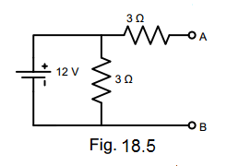

electrical circuit figure 18.5

A. 6 ohms

B. 3 ohms

C. 9 ohms

D. 2 ohms
View Answer:

Answer: Option A

Solution:

888. The load resistance needed to extract maximum power from the circuit of Fig. 18.6 is _______ ohm.
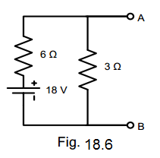

electrical circuit figure 18.6

A. 2 ohms

B. 9 ohms

C. 6 ohms

D. 18 ohms
View Answer:

Answer: Option C

Solution:

889. The Norton equivalent circuit for the network of Fig. 18.6 between A and B is ______ current source with parallel resistance of ______.

electrical circuit figure 18.6

A. 2 A, 6 Ω

B. 3 A, 2 Ω

C. 2 A, 3 Ω

D. 3 A, 9 Ω
View Answer:

Answer: Option B

Solution:

890. The Norton equivalent of a circuit consists of a 2 A current source in parallel with a 4 Ω resistor. Thevenin equivalent of this circuit is a ____ volt source in series with a 4 Ω resistor.

A. 2 ohms

B. 0.5 ohms

C. 6 ohms

D. 8 ohms
View Answer:

Answer: Option D

Solution:

891. If two identical 3 A, 4 Ω Norton equivalent circuits are connected in parallel with like polarity to like, the combined Norton equivalent circuit is

A. 6 A, 4 Ω

B. 6 A, 2 Ω

C. 3 A, 2 Ω

D. 6 A, 8 Ω
View Answer:

Answer: Option D

Solution:

892. Two 6 V, 2 Ω batteries are connected in series aiding. This combination can be replaced by a single equivalent current generator of ______ with a parallel resistance of ______ ohm.

A. 3 A, 4 Ω

B. 3 A, 2 Ω

C. 3 A, 1 Ω

D. 5 A, 2 Ω
View Answer:

Answer: Option B

Solution:

893. Two identical 3 A, 1 Ω batteries are connected in parallel with like polarity with like polarity to like. The Norton equivalent circuit of the combination is

A. 3 A, 0.5 Ω

B. 6 A, 1 Ω

C. 3 A, 1 Ω

D. 6 A, 0.5 Ω
View Answer:

Answer: Option D

Solution:

894. Thevenin equivalent circuit of the network shown in Fig. 18.7 is required. The value of the open-circuit voltage across terminals A and B of this circuit is ________ volt.
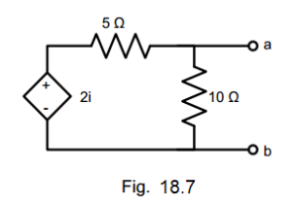

electrical circuit figure 18.7

A. zero

B. 2i/10

C. 2i/5

D. 2i
View Answer:

Answer: Option A

Solution:

895. For a linear network containing generators and impedance, the ratio of the voltage to the current produced in other loop is the same as the ratio of voltage and current obtained when the positions of the voltage source and the ammeter measuring the current are interchanged. This network theorem is known as _________ theorem.

A. Millman’s

B. Norton’s

C. Tellegen’s

D. Reciprocity
View Answer:

Answer: Option D

Solution:

896. A 12 volt source with an internal resistance of 1.2 ohms is connected across a wire-wound resistor. Maximum power will be dissipated in the resistor when its resistance is equal to

A. zero

B. 1.2 ohm

C. 12 ohms

D. infinity
View Answer:

Answer: Option B

Solution:

897. Three 3.33 Ω resistors are connected in wye. What is the value of the equivalent resistors connected in delta?

A. 3.33 Ω

B. 10 Ω

C. 6.67 Ω

D. 20 Ω
View Answer:

Answer: Option B

Solution:

898. Find the equivalent resistance between terminals a and b of the circuit shown. Each resistance has a value of 1 ohm.
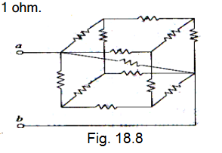

electrical circuit figure 18.8

A. 5/6 ohms

B. 5/11 ohms

C. 5/14 ohms

D. 5/21 ohms
View Answer:

Answer: Option B

Solution:

899. What do you call the head to tail connection of two or more op-amp circuits wherein the output of one op-amp is the input of another op-amp?

A. Parallel Op-Amps

B. Follow-Thru Connection

C. Cascade Connection

D. Series Op-Amps
View Answer:

Answer: Option C

Solution:

900. Find the power dissipation in the 6 ohms resistor in the next figure.
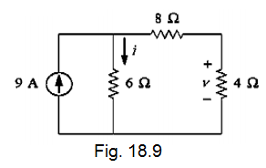

electrical circuit figure 18.9

A. 54 W

B. 216 W

C. 121.5 W

D. 150 W
View Answer:

Answer: Option B

Solution:

Questions and Answers in Electrical Circuit

