ER-Diagram
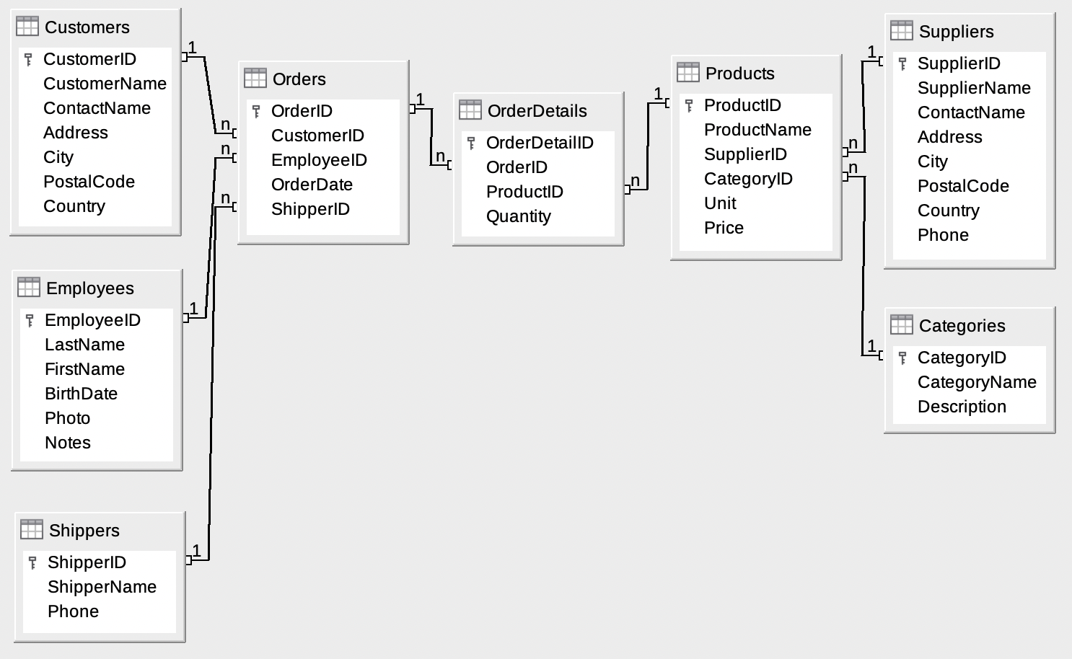
ER-Diagram Northwind Database

https://en.wikiversity.org/wiki/Database_Examples/Northwind

