Instructions
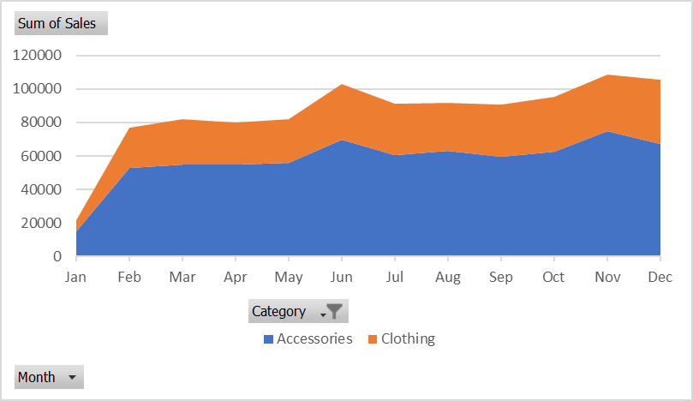

 |  | Excel Skills for Data Analytics and Visualization
 |  | Course 3 - Excel Power Tools for Data Analysis

 |  | Week 2 Practice Challenge

Instructions
Have a look at the Sales Summary workbook. It is very easy to read but we cannot use this data to create PivotTables or Pivot Charts. Use Power Query to import the data and convert it o a form more suitable for data analysis.

1) | Create a query to get the data from the Sales Summary Workbook.
2) | Remove any unnecessary rows so that the data headers are in the top row and then convert top row to headers
3) | Ensure that the Category is filled down.
4) | Remove the Monthly Average column.
5) | Unpivot the data and adjust the column names so it looks like this (not all rows shown):
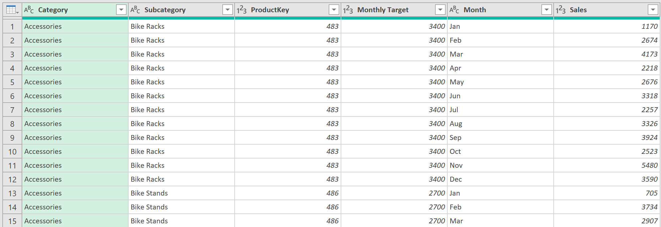

6) | Add a column called % Target Achieved that divides Sales by Monthly Target and change the data type to Percentage.
7) | Close and Load the query to the A3 in the Sales Data sheet.
8) | Using the Sales Data query results, create a pivot table that returns Average % Target Achieved by Subcategory.
 | Which Subcategory performed best (highest %)? |  | Shorts | 1
9) | Create another PivotTable to show total sales by Category and Month. Filter the Pivot to only show Accessories and Clothes.
 | What was the total combined sales for Accessories and Clothes for February? |  | 76645 | 1
10) | Create a stacked area Pivot Chart to visualise sales trends in the PivotTable. It should look like this:

Sales Trends
Sum of Sales | Column Labels
Row Labels | Accessories | Clothing | Grand Total
Jan | 14811 | 6823 | 21634
Feb | 52759 | 23886 | 76645
Mar | 54908 | 27238 | 82146
Apr | 54740 | 25021 | 79761
May | 56046 | 26007 | 82053
Jun | 69833 | 33325 | 103158
Jul | 60494 | 30478 | 90972
Aug | 63082 | 28511 | 91593
Sep | 59743 | 30961 | 90704
Oct | 62709 | 32393 | 95102
Nov | 74855 | 33653 | 108508
Dec | 67371 | 38253 | 105624
Grand Total | 691351 | 336549 | 1027900

