KPI Summary
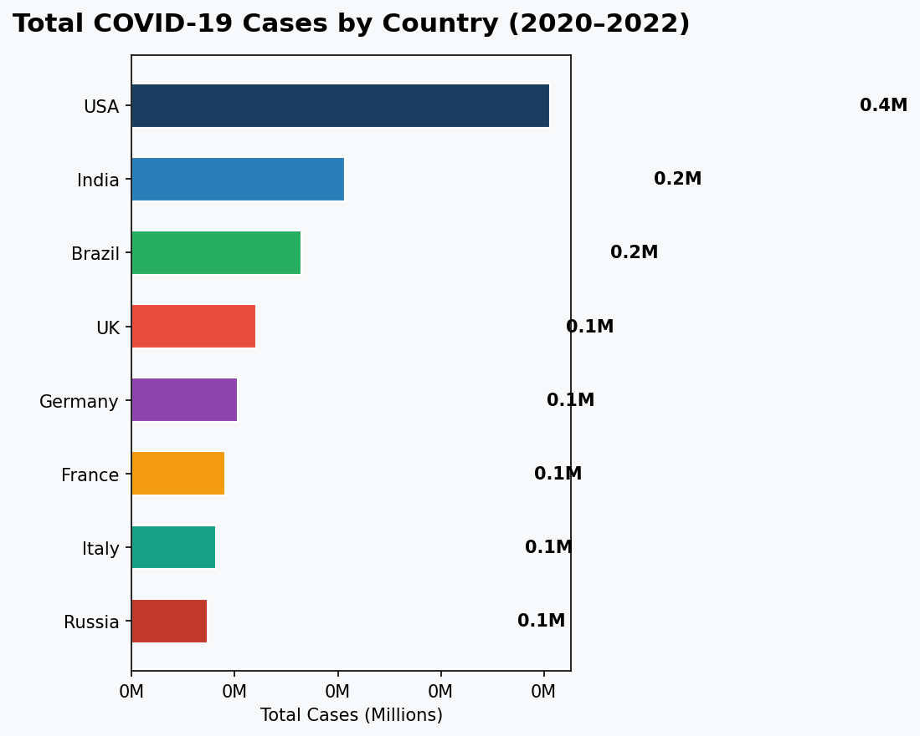
COVID-19 TREND ANALYSIS — KPI SUMMARY
Global overview: Jan 2020 – Dec 2022 | 8 Countries tracked

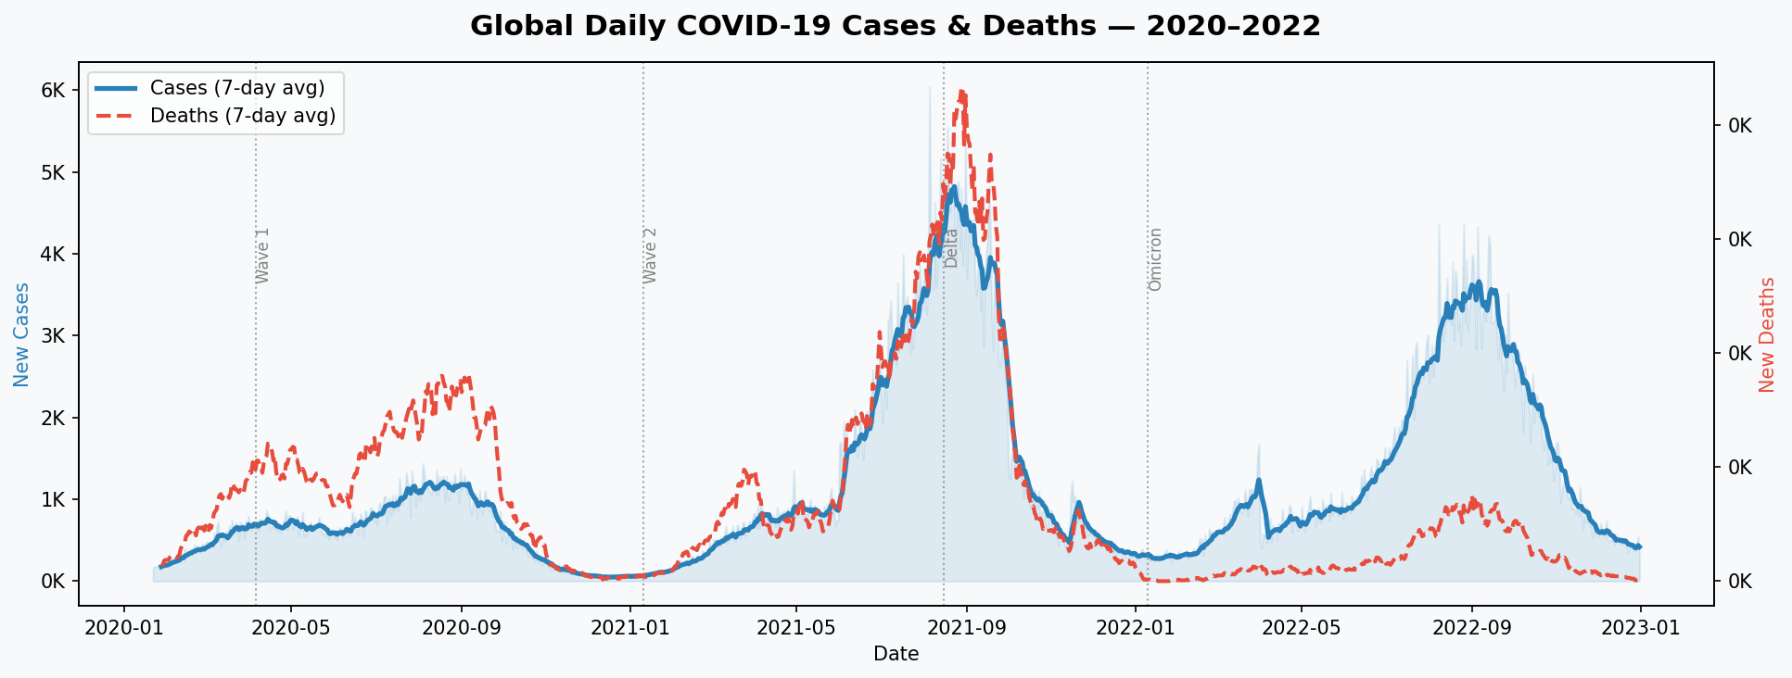
KPI Metric | Value
Total Global Cases | 1,248,347
Total Global Deaths | 15,354
Total Global Recovered | 1,138,241
Global Case Fatality Rate | 1.23%
Peak Daily Cases | 6,038
Peak Date | 2021-08-05
Avg Vaccination Rate (2021+) | 57.1%
Countries Tracked | 8
Analysis Period | Jan 2020 – Dec 2022

Country Performance
COUNTRY-WISE COVID-19 PERFORMANCE
Sorted by total confirmed cases (descending)

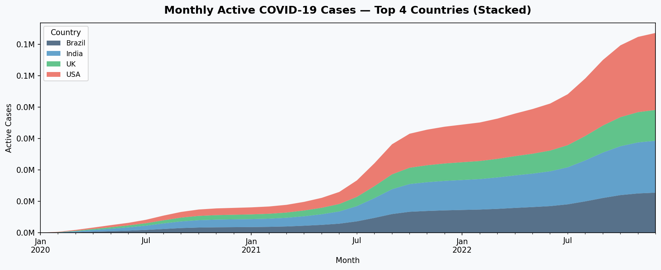
Country | Total Cases | Total Deaths | Total Recovered | CFR (%) | Recovery Rate (%)
USA | 406386 | 10284 | 371417 | 2.53 | 91.4
India | 206938 | 1363 | 188929 | 0.66 | 91.3
Brazil | 164804 | 1722 | 150208 | 1.04 | 91.1
UK | 121163 | 854 | 110433 | 0.7 | 91.1
Germany | 102934 | 298 | 93707 | 0.29 | 91
France | 90477 | 335 | 82274 | 0.37 | 90.9
Italy | 81675 | 404 | 74098 | 0.49 | 90.7
Russia | 73970 | 94 | 67175 | 0.13 | 90.8

Monthly Trends
MONTHLY COVID-19 GLOBAL TRENDS
Aggregated monthly new cases, deaths, and recoveries worldwide

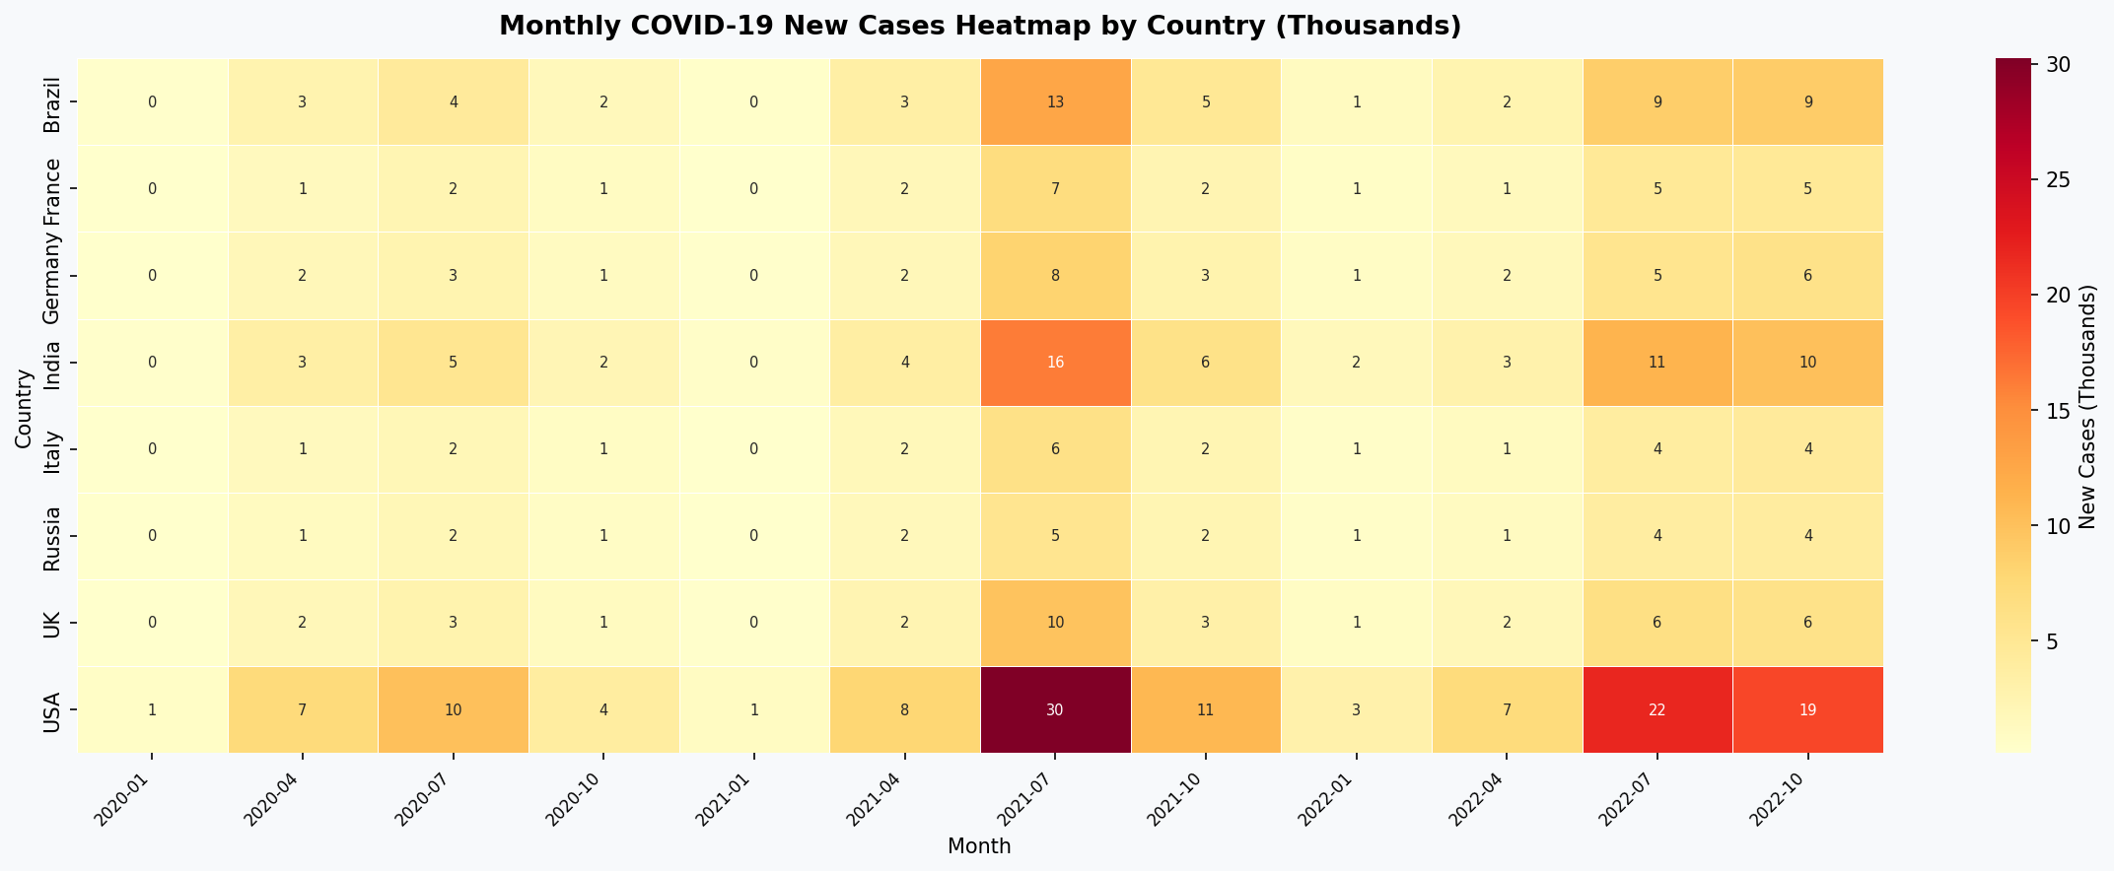
Month | New Cases | New Deaths | New Recovered
2020-01 | 1865 | 33 | 1666
2020-02 | 9559 | 214 | 8569
2020-03 | 18361 | 477 | 16702
2020-04 | 21044 | 636 | 19120
2020-05 | 20039 | 536 | 18273
2020-06 | 20657 | 589 | 18766
2020-07 | 30995 | 843 | 28205
2020-08 | 36142 | 1032 | 33007
2020-09 | 27433 | 786 | 25035
2020-10 | 12593 | 276 | 11399
2020-11 | 3708 | 58 | 3286
2020-12 | 1747 | 21 | 1458
2021-01 | 2954 | 39 | 2568
2021-02 | 7639 | 164 | 6900
2021-03 | 17994 | 484 | 16370
2021-04 | 24283 | 300 | 22154
2021-05 | 26521 | 338 | 24197
2021-06 | 57269 | 943 | 52263
2021-07 | 95362 | 1376 | 87271
2021-08 | 135845 | 2256 | 124244
2021-09 | 107132 | 1729 | 98027
2021-10 | 34663 | 417 | 31577
2021-11 | 20209 | 235 | 18307
2021-12 | 12794 | 137 | 11553
2022-01 | 9217 | 4 | 8300
2022-02 | 11876 | 14 | 10754
2022-03 | 28169 | 61 | 25550
2022-04 | 19704 | 45 | 17888
2022-05 | 26044 | 60 | 23728
2022-06 | 35092 | 95 | 32089
2022-07 | 66278 | 201 | 60218
2022-08 | 100679 | 357 | 92293
2022-09 | 97197 | 337 | 88881
2022-10 | 63437 | 173 | 57795
2022-11 | 28482 | 69 | 25906
2022-12 | 15364 | 19 | 13922

CFR & Vaccination
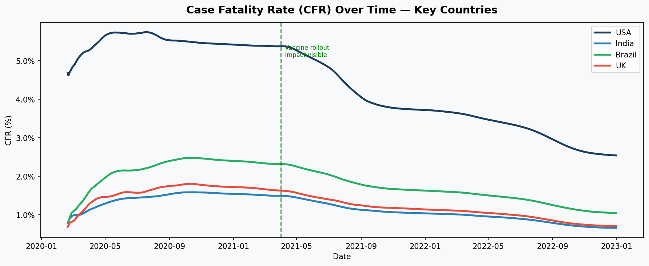
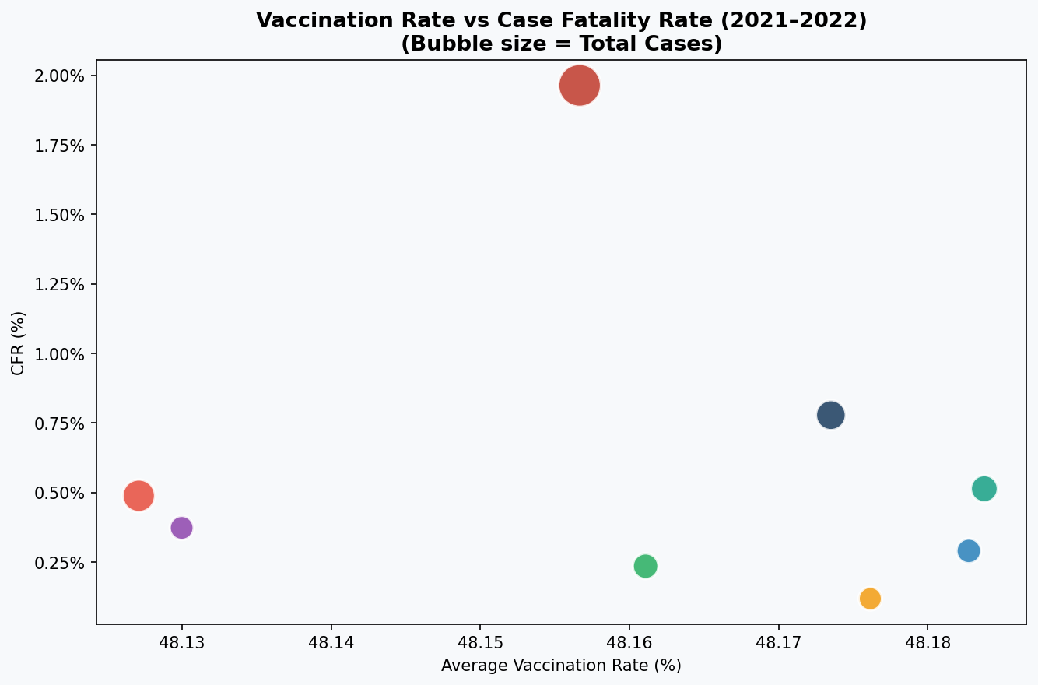
CASE FATALITY RATE & VACCINATION IMPACT
CFR trends and vaccination correlation analysis

