📈 Revenue & EBITDA
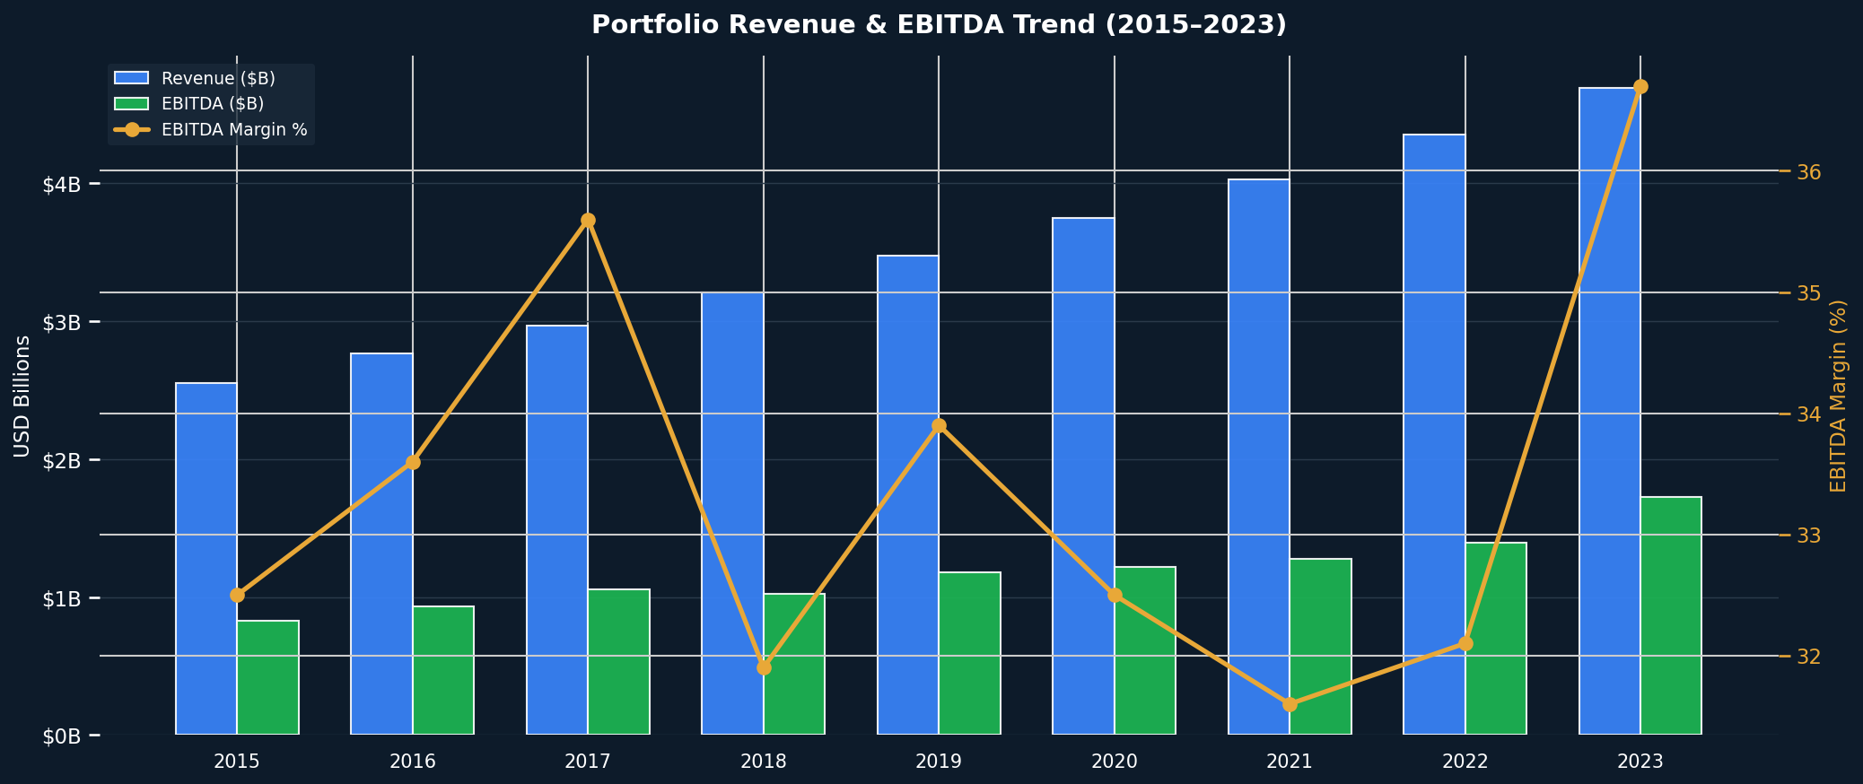
📈 Revenue & EBITDA Trend (2015–2023)
Combined bar + line chart | EBITDA Margin overlay

📉 Margin Trends
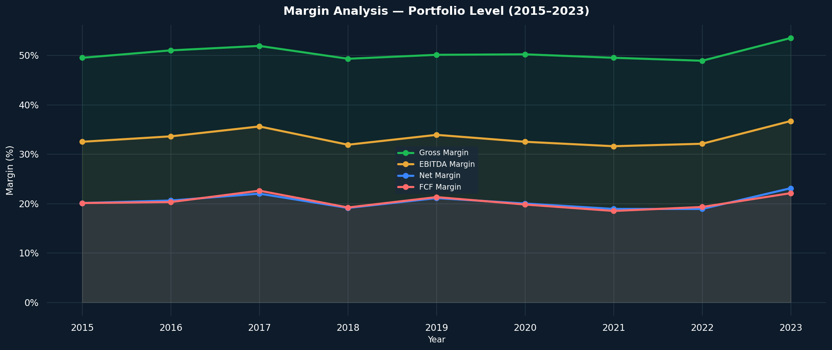
📉 Margin Trends — Gross / EBITDA / Net / FCF
All four key margins tracked 2015–2023

💧 Cash Flow Waterfall
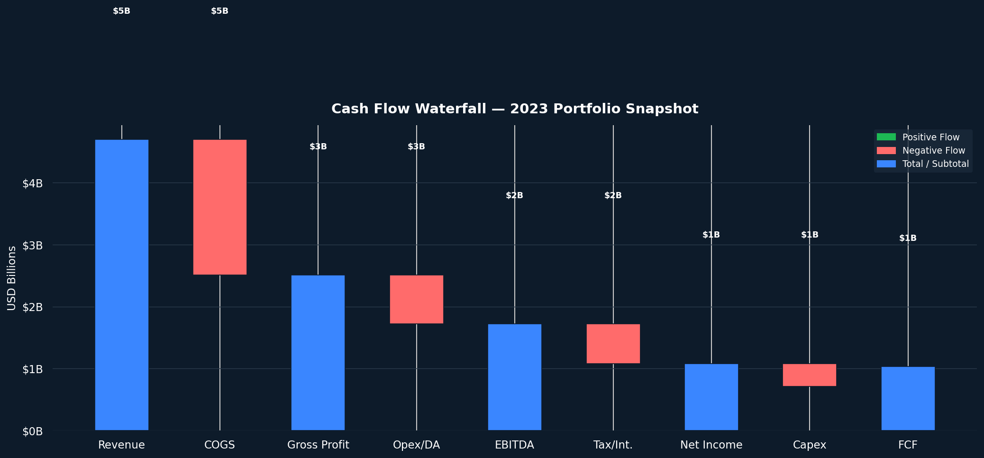
💧 Cash Flow Waterfall — 2023 Snapshot
Revenue → COGS → Gross Profit → EBITDA → Net Income → FCF

🫧 Company Benchmark
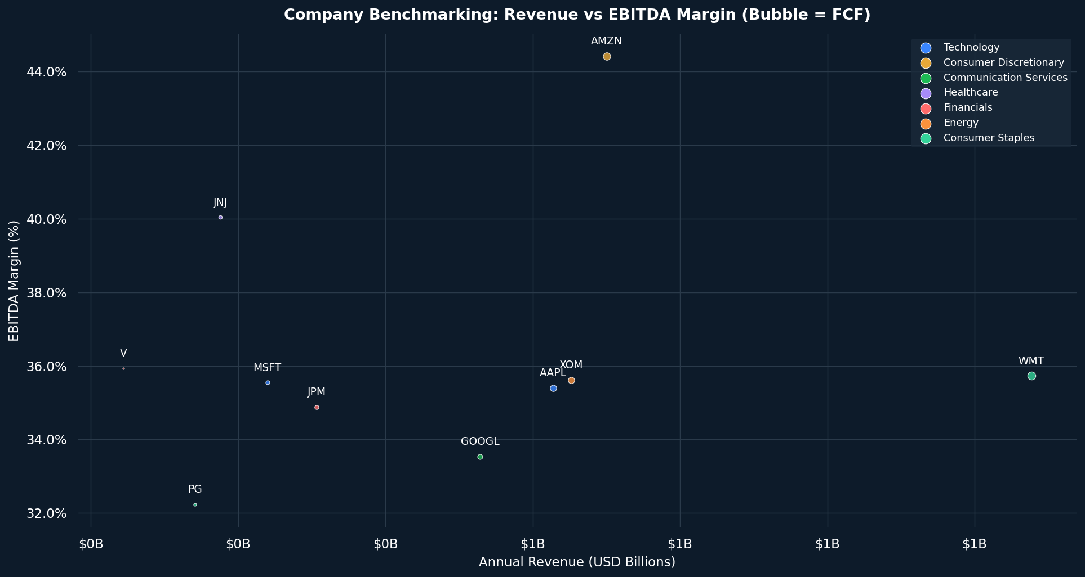
🫧 Company Benchmarking — Revenue vs EBITDA Margin
Bubble size = FCF | 2023 data

🏭 Sector Revenue
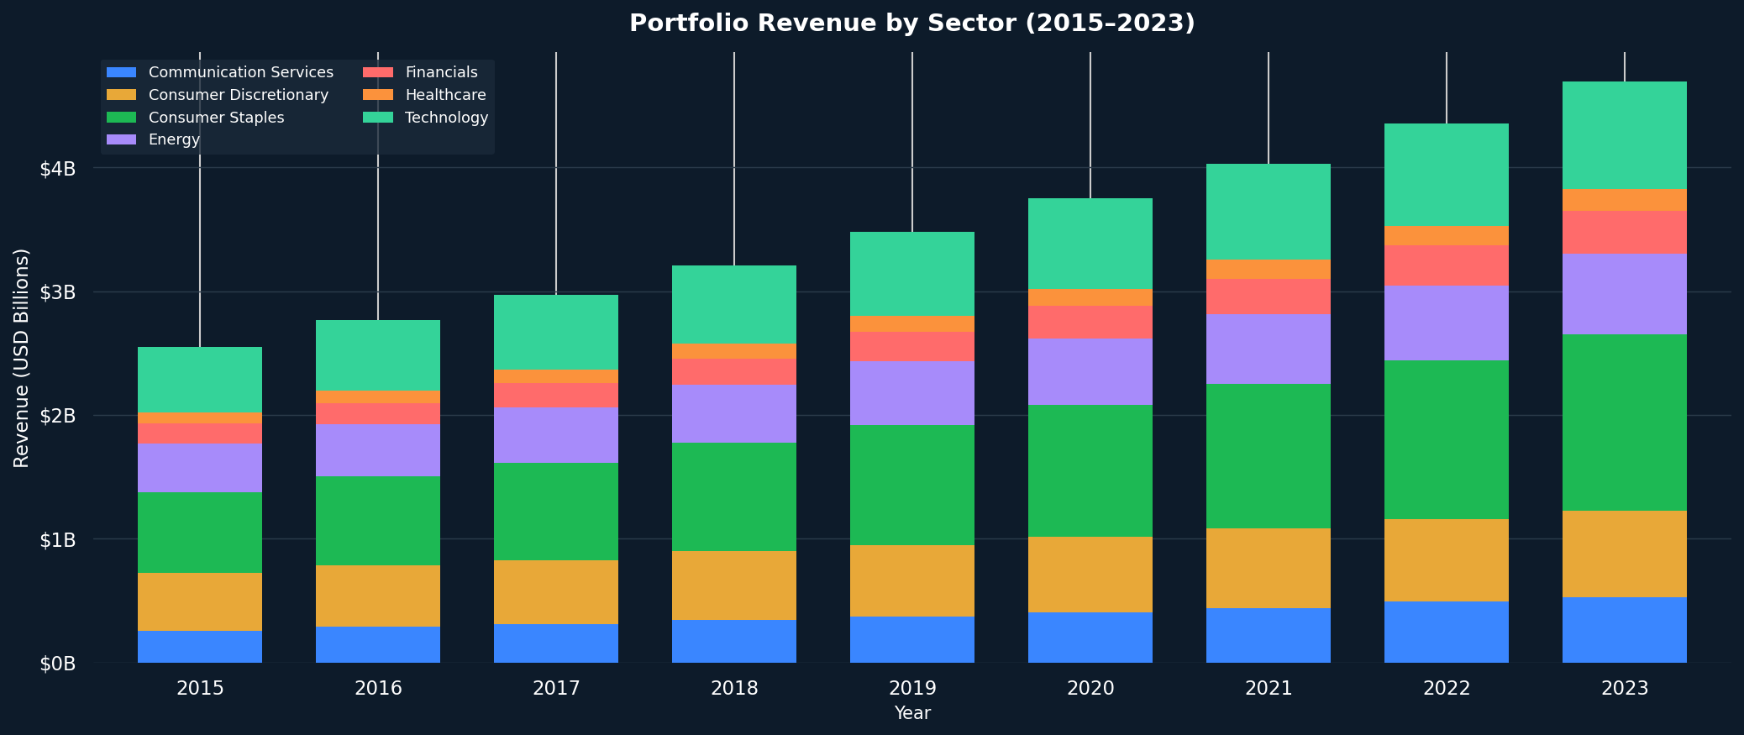
🏭 Portfolio Revenue by Sector (2015–2023)
Stacked bar chart across all years

🔩 FCF vs CapEx
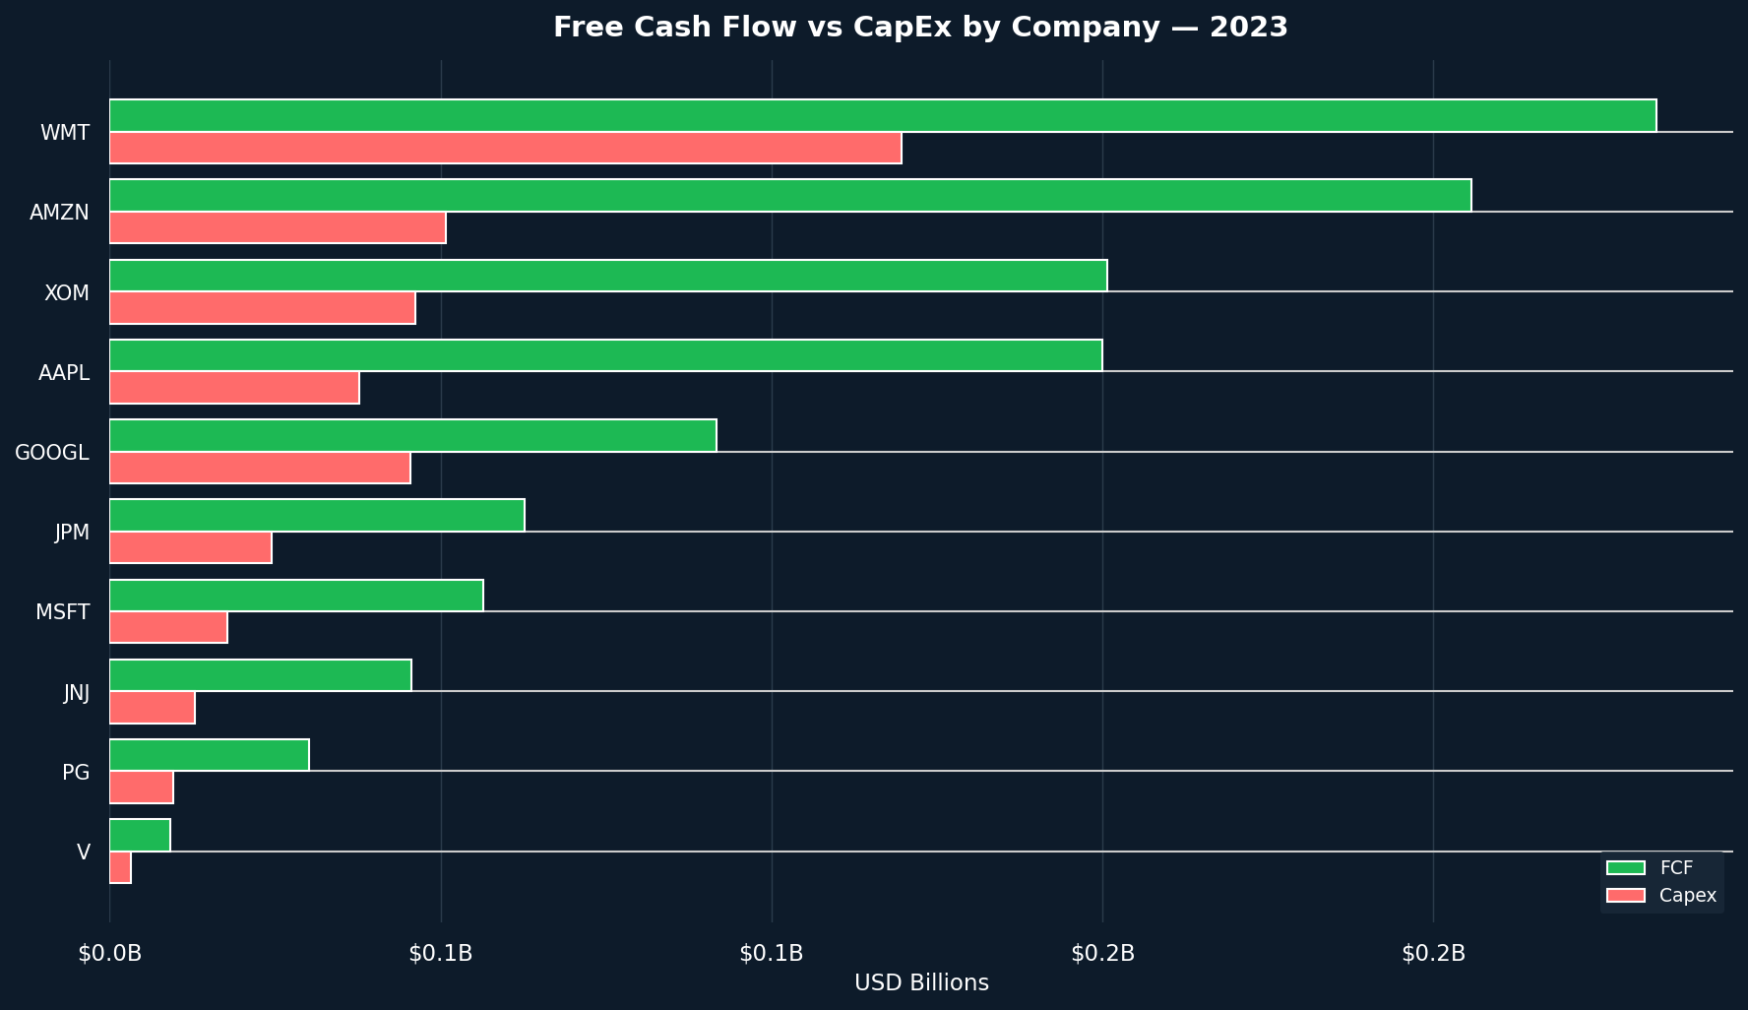
🔩 Free Cash Flow vs CapEx by Company (2023)
Horizontal grouped bar chart

🔥 KPI Correlations
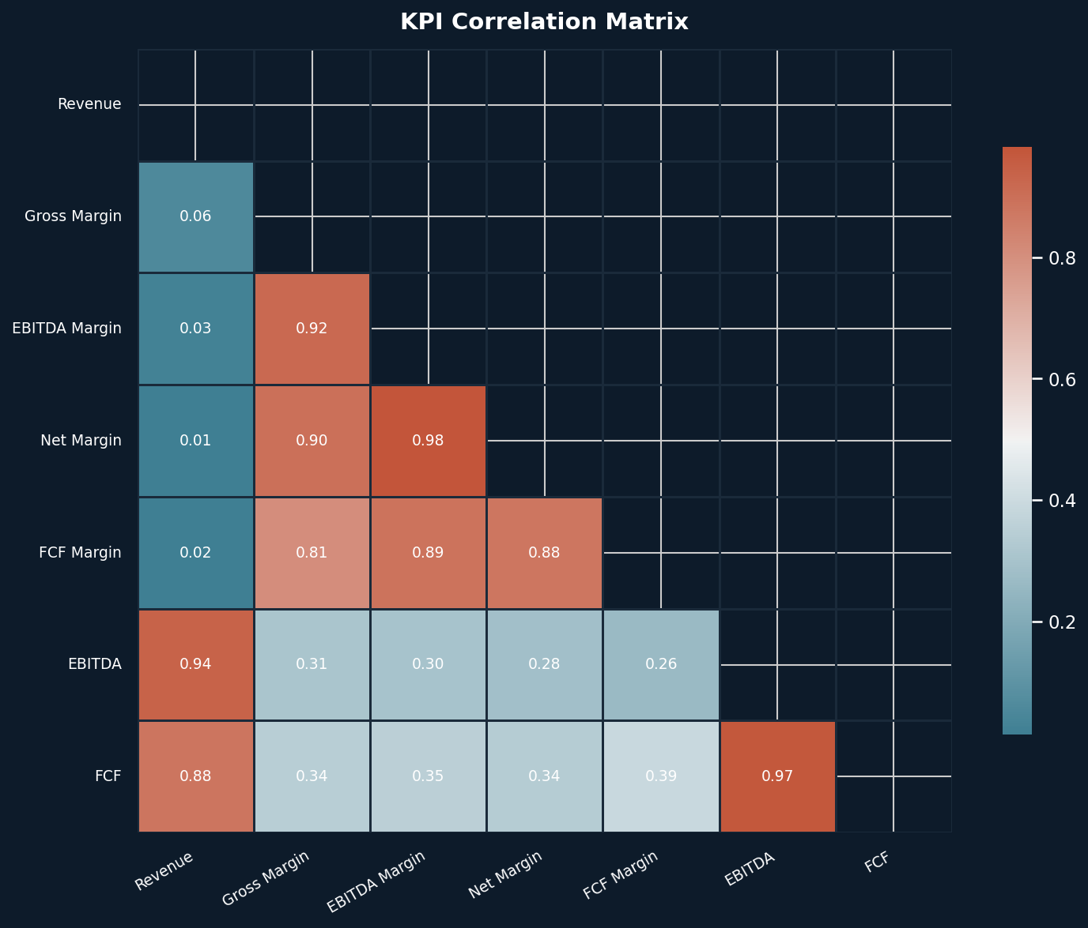
🔥 KPI Correlation Heatmap
Pearson correlation across all KPI metrics

📐 Revenue Growth
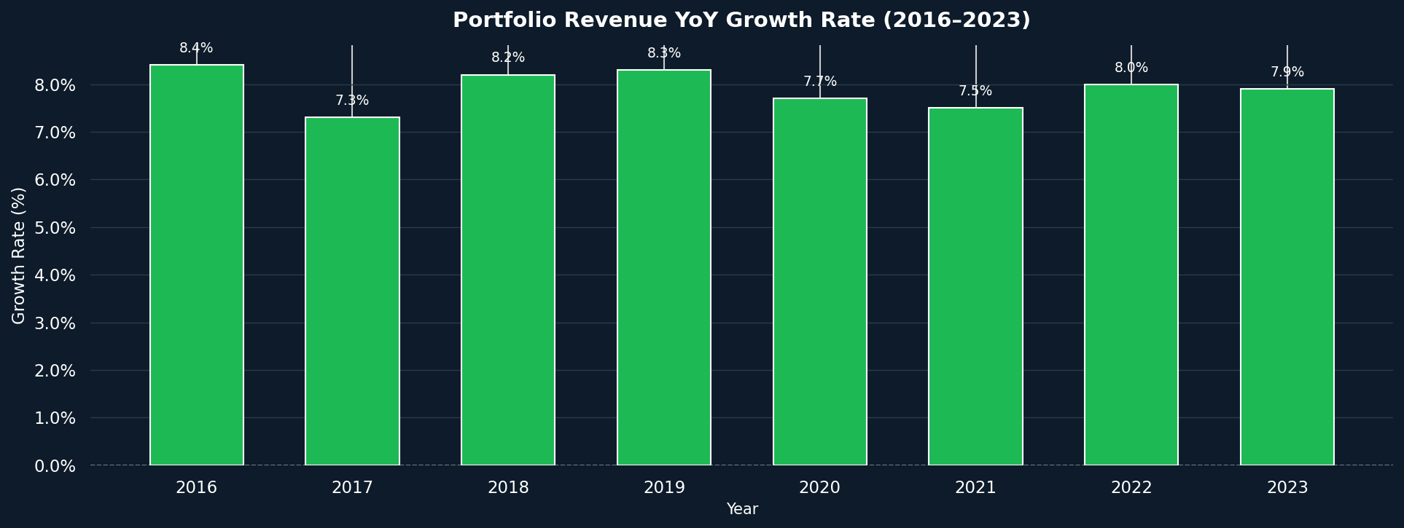
📐 Portfolio Revenue YoY Growth Rate (2016–2023)
Green = positive growth | Red = contraction

📅 Quarterly Heatmap
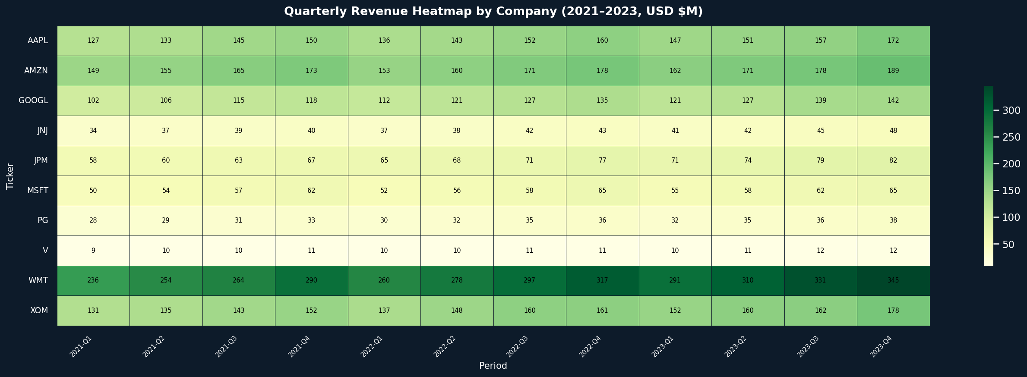
📅 Quarterly Revenue Heatmap by Company (2021–2023)
Color intensity = revenue magnitude (USD $M)

🥧 Expense Structure
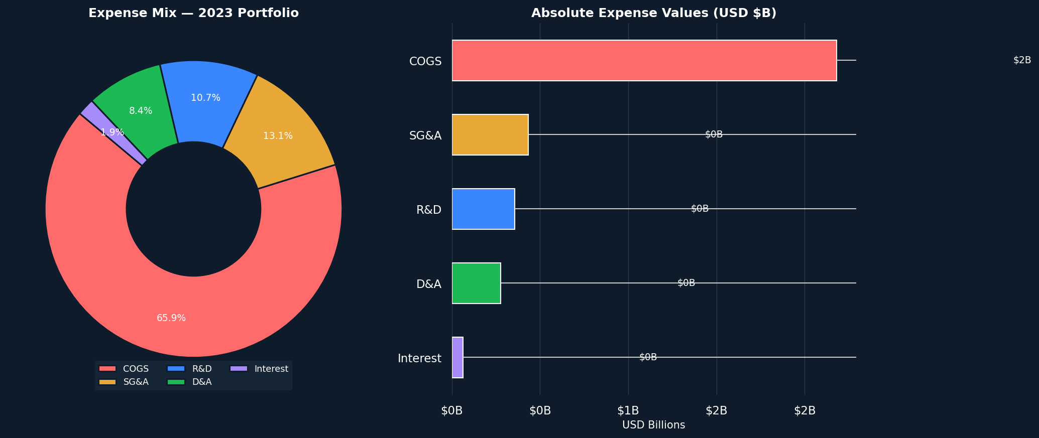
🥧 Expense Structure — 2023 Portfolio
Donut + horizontal bar — COGS · SG&A · R&D · D&A · Interest

