Features Legend And Scores
Features Legend |  |  | Accuracy | Precission | Recall | F1-Scores
Light Blue | Corner - Harrist | Decission Tree | 0.73 | 0.74 | 0.74 | 0.74
Orange | Corner - good feature to track | Random Forest | 0.76 | 0.76 | 0.76 | 0.76
Red | Rectanlge with from the biggest contour | K-Nearest Neighbor | 0.88 | 0.89 | 0.9 | 0.89
Blue (line) | Hull Area | CNN | 0.68 | 0.72 | 0.69 | 0.68
Green | Area Approximation | * we are using 800 images (400 - Brush and 400 - Comb) with 10% as test data

Feature Extracted | Note | Note for CNN
n_corner' | number of corner from good feature to track | Batch | 100
n_h_corner' | number of corner from harist corner | Epoch | 400
n_contour' | number of contour detected | Learning Rate | 0.01
a_rect' | area of rectangle (Red) | Loss Function | Stochastic Gradient Decent
a_hull' | area of hull (Blue)
a_approx' | area of contour apporximation
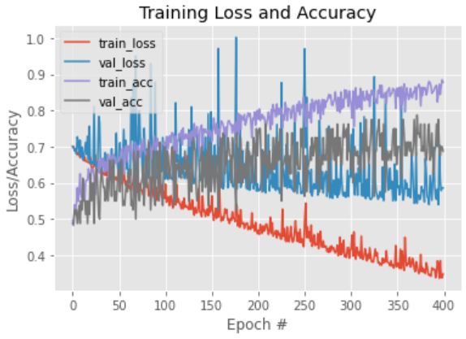
l_perimeters' | perimeter length
wide/length' | ratio of the rectangle wide and length
perim/a_rect' | ratio of the rectangle perimeter and rectangle area
perim/a_hull' | ratio of the rectangle perimeter and hull area
perim/a_appx' | ratio of the rectangle perimeter and area approximation
corner/a_rect' | ratio of the rectangle corner and rectangle area
corner/a_hull' | ratio of the rectangle corner and hull area
corner/a_appx' | ratio of the rectangle corner and area approximation
corner/l_perim' | ratio of the rectangle corner and perimeter length
h_corner/a_rect' | ratio of the rectangle corner harist and rectangle area
h_corner/a_hull' | ratio of the rectangle corner harist and hull area
h_corner/a_appx' | ratio of the rectangle corner harist and area approximation
h_corner/l_perim' | ratio of the rectangle corner harist and perimeter length
extent' | ratio of approximation area and rectangle area
solidity' | ratio of approximation area and hull area

