Sheet1
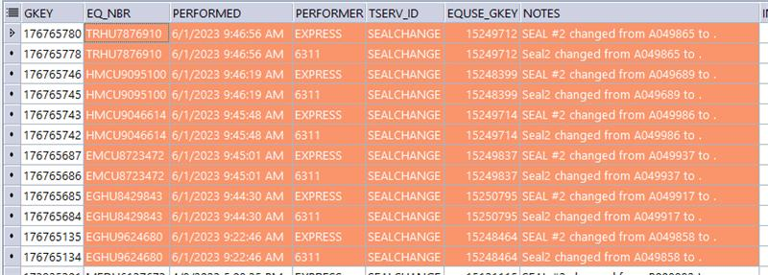
EQ_NBR | Seal2
EGHU8429843 | A049858
EMCU8723472 | A049937
HMCU9046614 | A049986
TRHU7876910 | A049865
EGHU9624680 | A049858
HMCU9095100 | A049689
MEDU6137673
HMCU9109076
HLXU3064715
CAAU2076489
UACU3720104
WECU9111616
UACU4005923

