Instructions
Instructions

Purpose and functionality of the workbook

This workbook is designed to forecast future Uber performance in 2 differents cities (City_A, City_B)

Overall structure
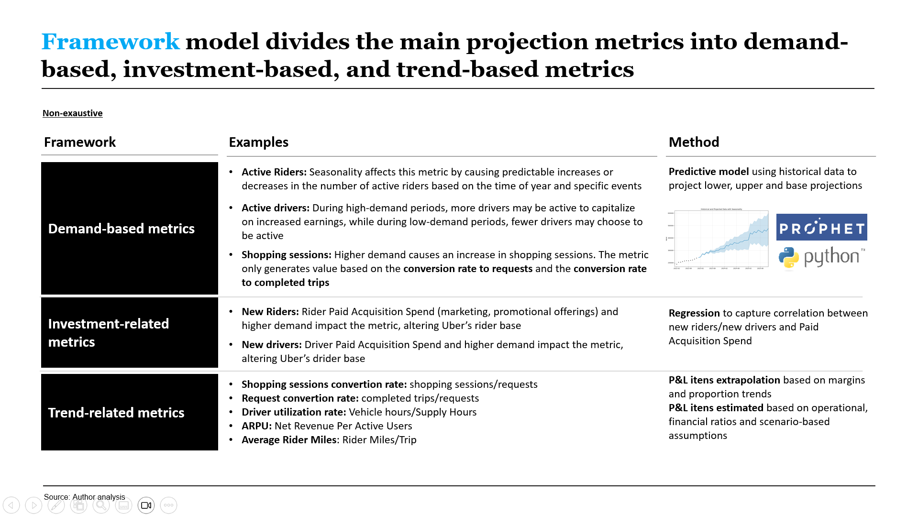

Worksheet specific notes

Sheet 1
TBD

Sheet 2
TBD

Cell formatting guide

Throughout the model the following formatting conventions are used:

Cells | Numerical values in black font are other calculated values which you should not change
 | Numerical values in blue font are 'hard-coded' assumptions which you should not change
 | Numerical values in blue font and blue fill contain variables for you to input
 | Numerical values in white font and cyan fill are final results used in external documents (e.g. PowerPoint, Word)
Sheets | Grey tabs indicate input sheets
 | Cyan tabs indicate output sheets

Contact details

If you have any questions about this workbook please contact:
Abraão Luiz |  | Strategy Consultant
abraaoufpr@live.com

Sensivity Analysis
Sensivity Analysis
Output Sheet: This sheet consolidates P&L according to the selected scenario

Live Scenario | Base Case Scenario
Model Currency | USD

1 - Sensivity

Min
Max

 | 2023 |  |  | 2025 |  |  | Change
Metric | Weak Case Scenario | Base Case Scenario | Strong Case Scenario | Weak Case Scenario | Base Case Scenario | Strong Case Scenario | Weak Case Scenario | Base Case Scenario | Strong Case Scenario

Active Riders | 28,449,861 | 29,104,813 | 29,764,983 | 51,632,626 | 53,324,318 | 54,993,504 | 81% | 83% | 85%
Active Drivers | 1,106,053 | 1,161,301 | 1,217,388 | 2,856,625 | 2,913,567 | 2,970,722 | 158% | 151% | 144%
Requests | 141,076,140 | 197,400,162 | 255,831,010 | 269,210,706 | 490,434,286 | 559,866,038 | 91% | 148% | 119%
Completed Trips | 109,783,551 | 157,924,957 | 205,611,349 | 210,013,970 | 388,292,730 | 449,519,613 | 91% | 146% | 119%
Supply_Hours | 68,366,615 | 76,515,764 | 80,147,687 | 172,566,954 | 188,492,223 | 192,190,708 | 152% | 146% | 140%
Net Bookings | 528,096,737 | 764,148,145 | 1,001,715,669 | 1,046,014,635 | 2,000,585,423 | 2,283,552,132 | 98% | 162% | 128%
Gross Profit | 29,759,242 | 41,965,131 | 53,348,956 | 60,172,756 | 98,658,054 | 120,357,117 | 102% | 135% | 126%
EBIT | 6,078,879 | 8,657,021 | 10,520,150 | 14,748,334 | 16,339,432 | 25,171,712 | 143% | 89% | 139%

