UserExist
Title | User Exist
Description | When try to signup other new user, show the message "This user already exist" and cant add new users

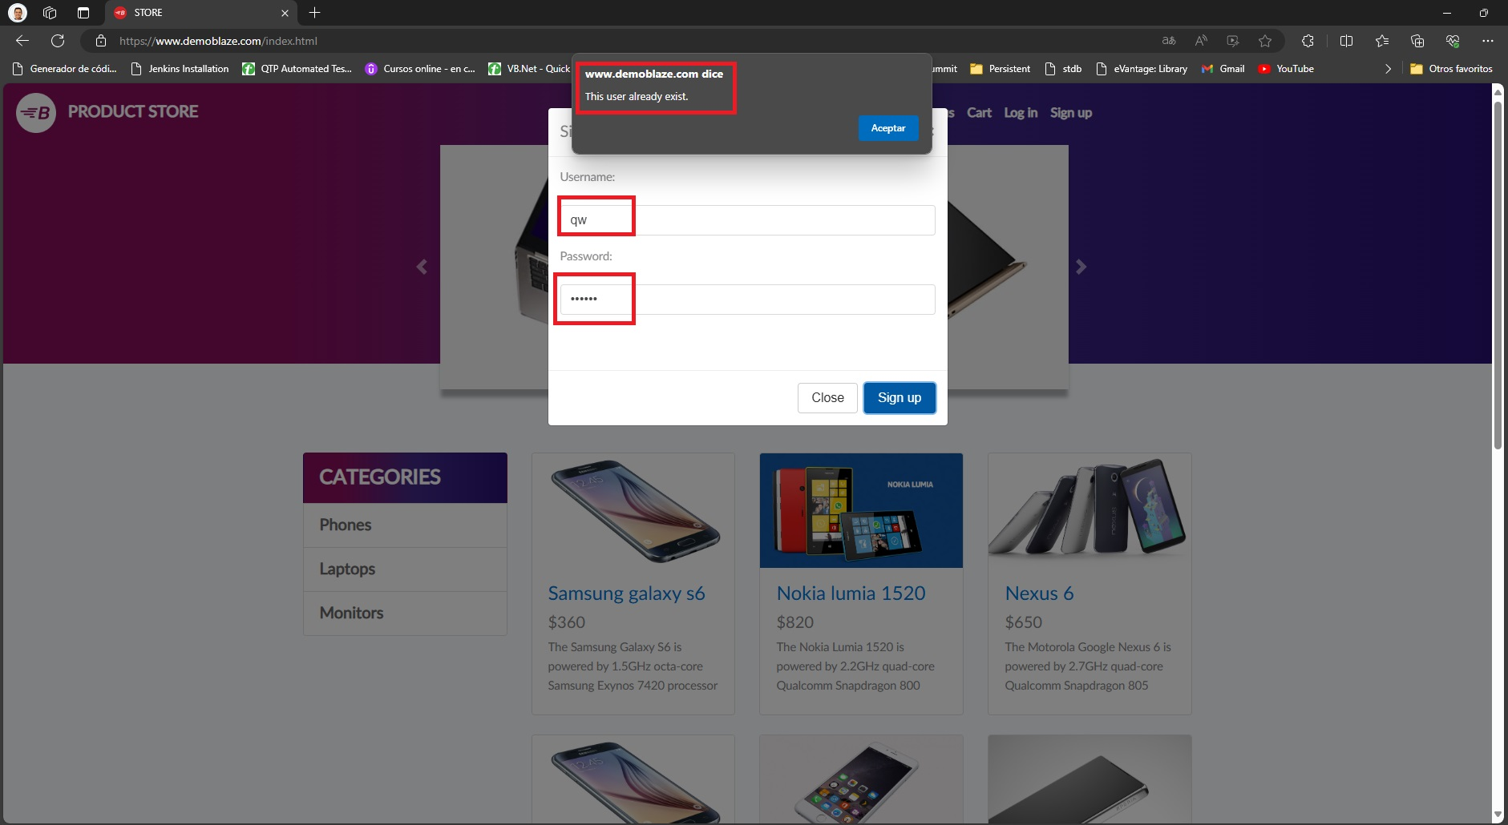

Steps to reproduce | 1.- Enter on the page https://www.demoblaze.com/ 2.-With a previous user registered go to sign up option 3.-Enter a new user name 4.-Enter new password 5.-Click on Sign Up button

ExpectedResults | The application should add the new user

Current Results | The application cant add new user on the application and show the message "This user already exist."

IncorrectDate
Title | Incorrect Month
Description | When you select any item and add to cart and place order the proof of payment show incorrect month of the date.

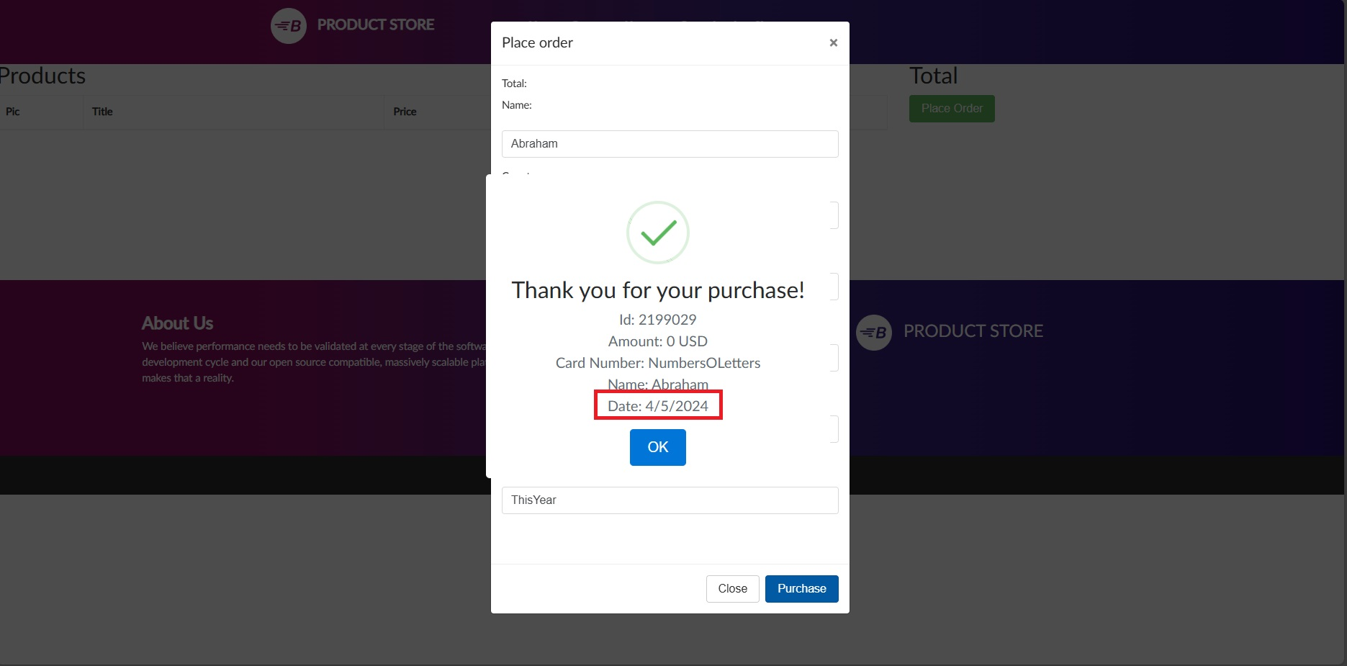

Steps to reproduce | 1.- Login on the page https://www.demoblaze.com/ with your credentials 2.-Select any product and add to cart. 3.-Go to cart 4.-Click on Place Order 5.-Enter all the information and click on Purchase

ExpectedResults | The application should show al the proof of payment with the month of the date correct

Current Results | The application show al the proof of payment with the month of the date incorrect(-1)

CanPurchaseNothing
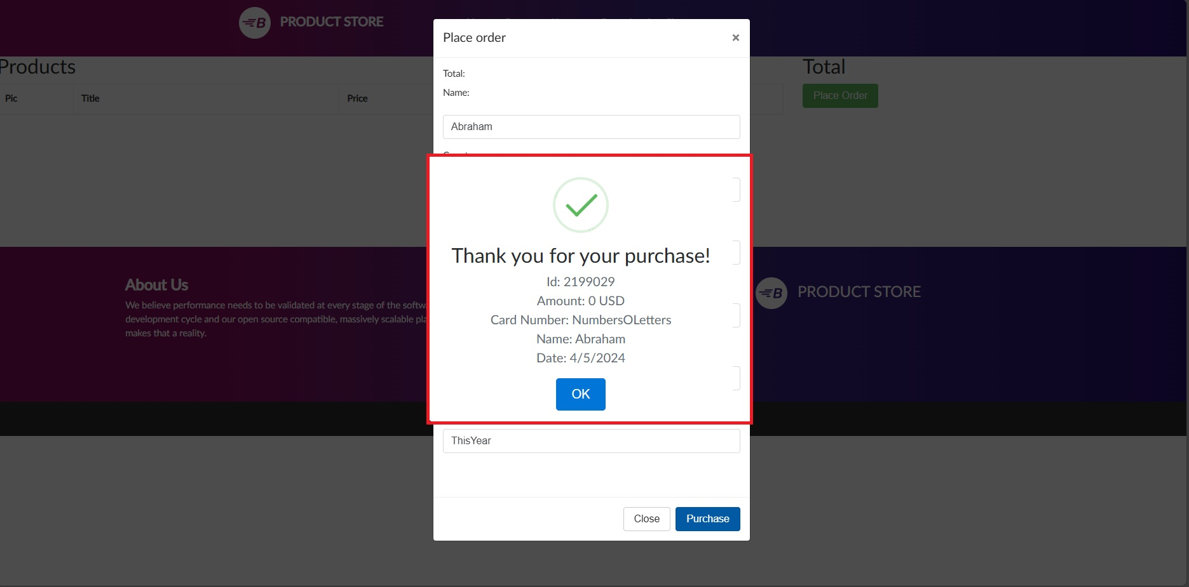
Title | Can Purchase Nothing
Description | When you select any item and add to cart, after delete it and try to pay this item is posible pay it with 0 DLS

Steps to reproduce | 1.- Login on the page https://www.demoblaze.com/ with your credentials 2.-Select any product and add to cart. 3.-Go to cart 4.-Delete these product. 5.-Try pay the cart 6.-Enter the information and click on purchase button

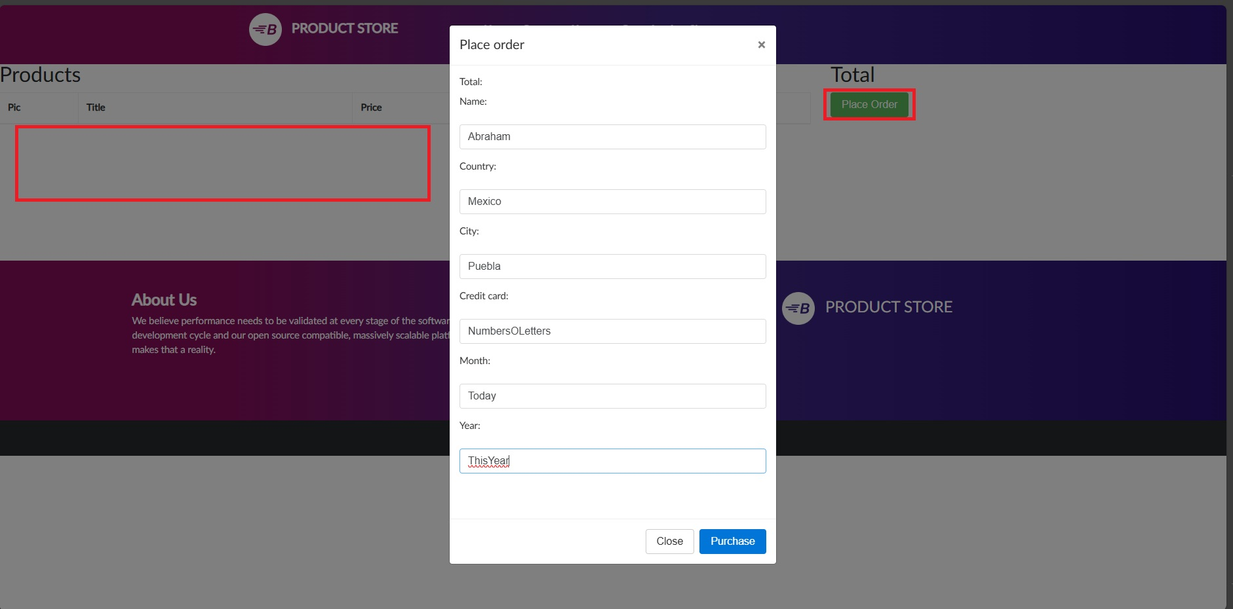
ExpectedResults | The application shouldn't let you pay for something that doesn't exist in the shopping cart.

Current Results | The application let you pay for something that doesn't exist in the shopping cart and show the proof of payment on 0DLS

CantSelectProductFromImage
Title | Cant Select Product From Image
Description | When change the page from the home to the second page, you cant select any item when click on the image

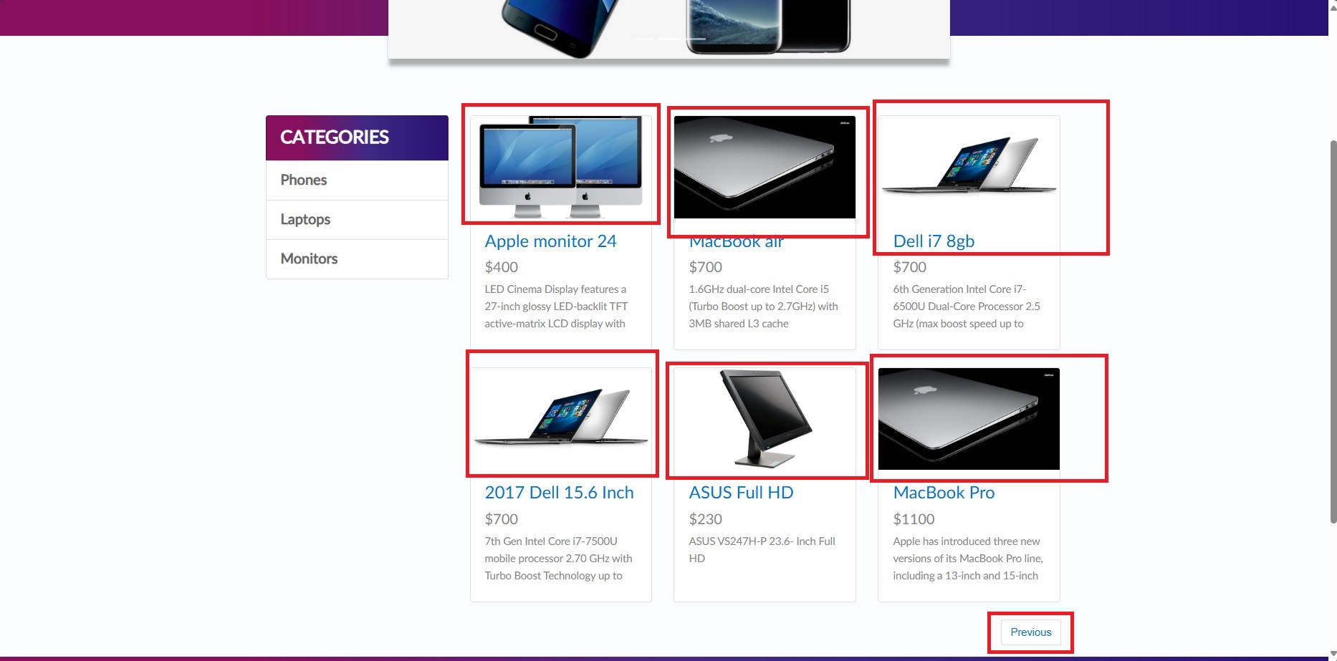

Steps to reproduce | 1.- Login on the page https://www.demoblaze.com/ with your credentials 2.-Scroll down and click on Next Button 3.-Select any product but click on the image

ExpectedResults | The application should open the product information when click on the image like the previous page.

Current Results | The application can not open the product information when click on the image like the previous page.

CartNotResponsive
Title | Cart Not Responsive
Description | The cart page is not responsive

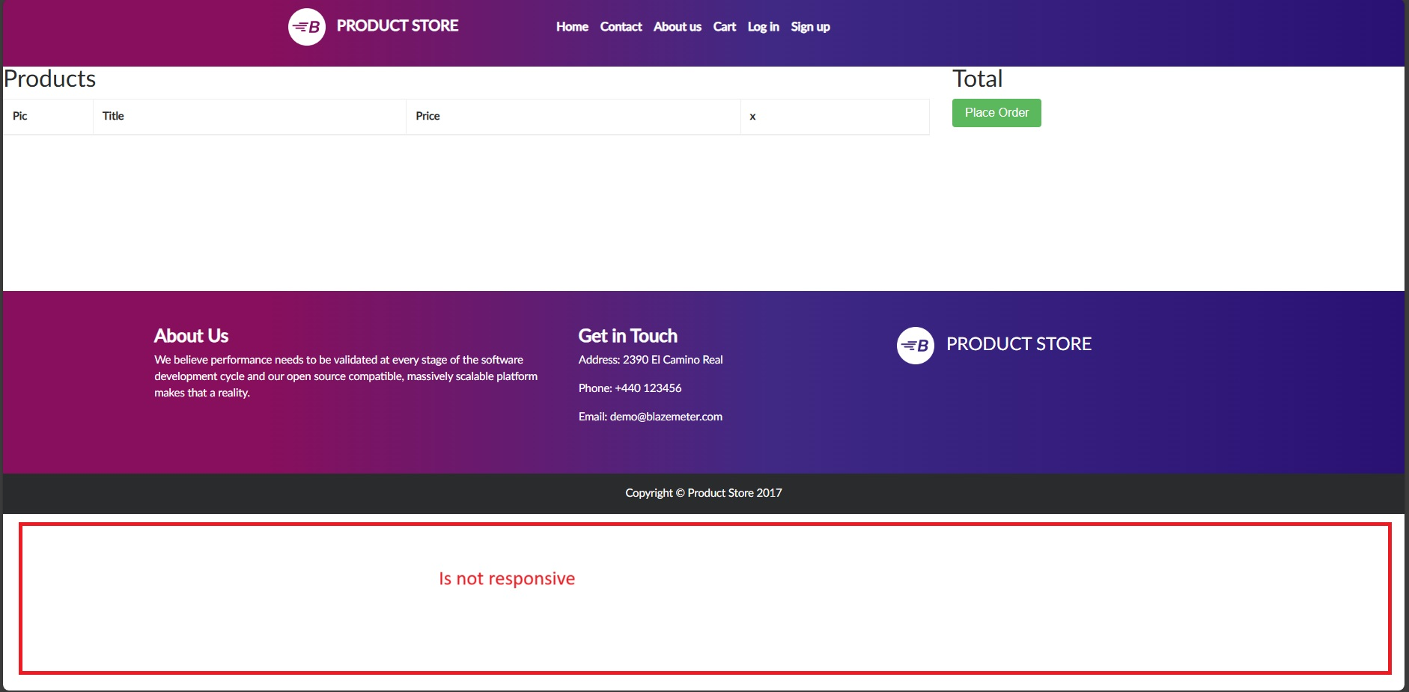

Steps to reproduce | 1.- Login on the page https://www.demoblaze.com/ with your credentials 2.-Go to cart page

ExpectedResults | The application should be responsive every page

Current Results | The application is not responsive on cart page

CreditCardData
Title | Credit cart month and year data
Description | After select any product to pay and insert the information for pay, the fields Credit Card, Month and Year accepted alphanumeric characters

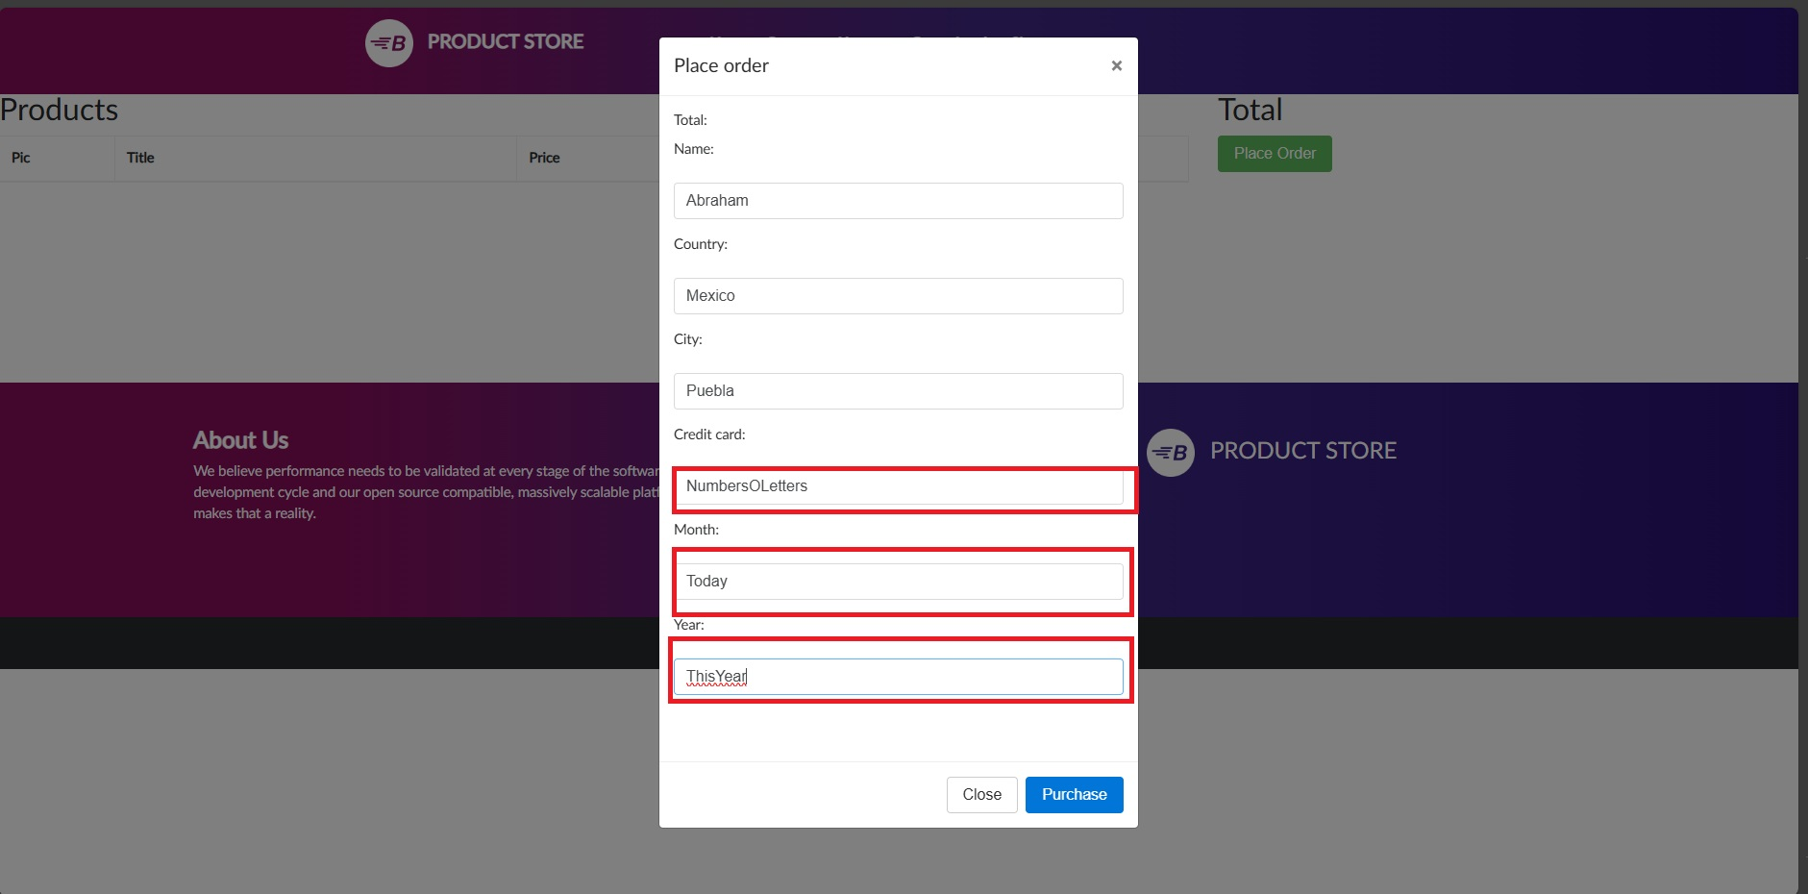

Steps to reproduce | 1.- Login on the page https://www.demoblaze.com/ with your credentials. 2.-Select any product and add to cart. 3.-Go to cart. 4.-Click on Place Order button. 5.- Insert the data, but on Credit Card, Month and year insert alphanumeric data.

ExpectedResults | The application just shuld accept numeric data on that fields

Current Results | The application accept alphanumeric data when should accept only numeric data

ExtraLine
Title | Extra line on the down bar
Description | In the lower banner of the home page an extra line appears in the text

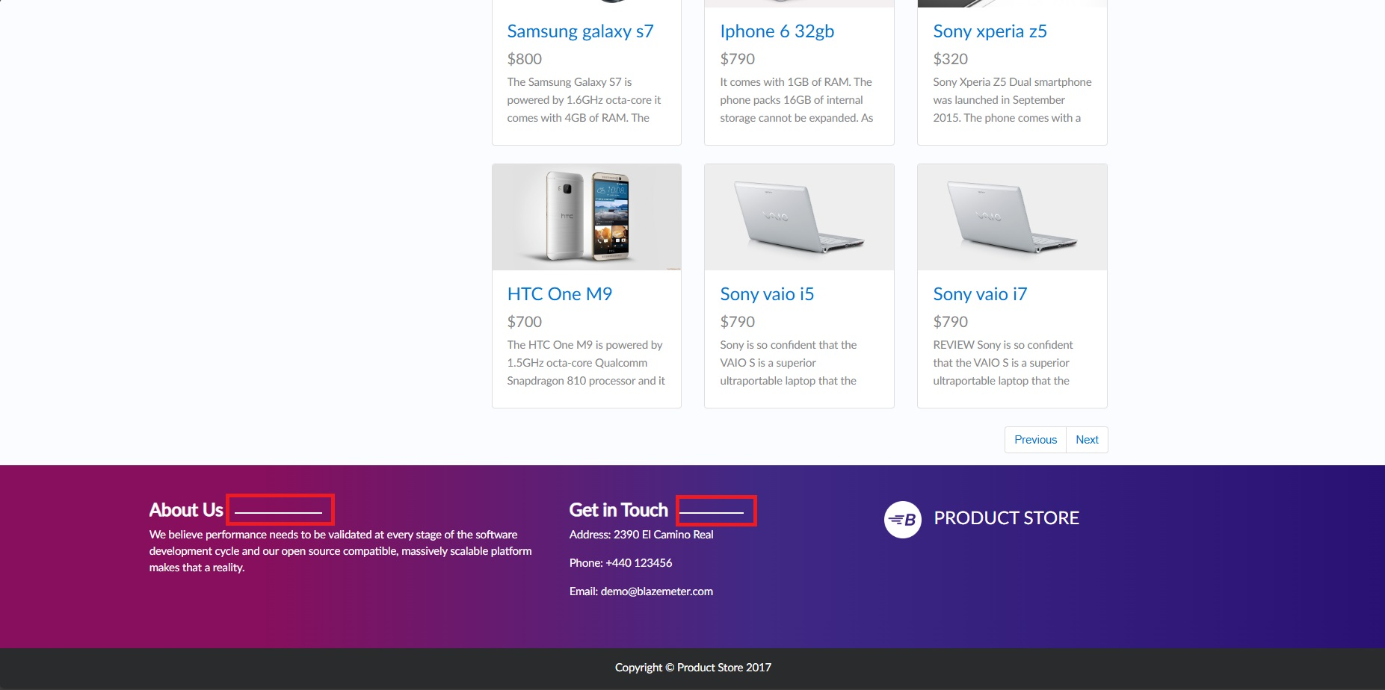

Steps to reproduce | 1.- Login on the page https://www.demoblaze.com/ with your credentials. 2.-Scroll down and check the banner

ExpectedResults | The banner should be About Us and Get in touch but show About Us ----------- and Get in touch -----------

Current Results | The banner should be About Us and Get in touch but show About Us ----------- and Get in touch -----------

