Register and Login
TASK | REQUIREMENTS | EXPECTED RESULT | ACTUAL RESULT | NOTE
Registraion | Write correct phone number | valid accept | pass | Register
Write wrong phone number | Should be right number | valid error | pass
Write the sent code wrong | The code sent must be correct | valid error | pass
Write 1 letter | Should be minimum 5 symbols | valid error | pass
Write 5 digits but same digits | Minimum 6 | valid accept | fail | 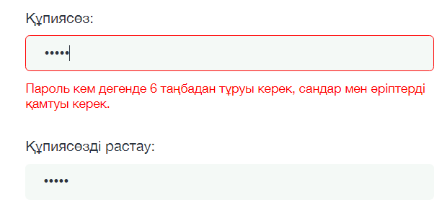 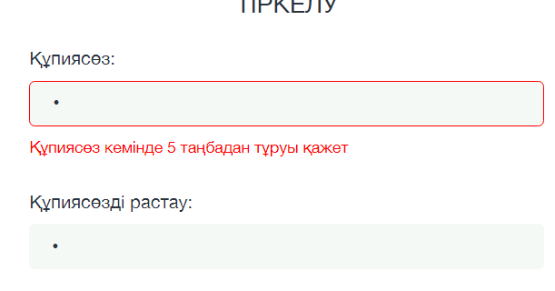
Write only one number | At least 5 symbols | valid error | pass
Write same 6 symbols | Minimum 6 | valid accept | fail | 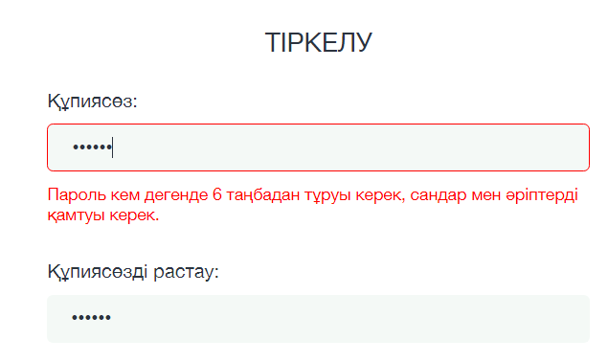
Put 5 different symbols | Minimum 5 symbols | valid accept | pass
Write 5 symbols from 1 to 5 | Minimum 6 number | valid error | fail
Write 5 letter | Minimum 6 symbols | valid accept | fail
Write already registrated number | Should be unregistrated number | valid error | pass
Put 5 spacebar | This box must be filled in | valid error | pass
Write right password | Right password | valid accept | pass
Write two different passwords for passsword section and confirm password section | Should be same password | valid error | pass
Write 6 symbols(plus) | Minimum 6 symbols with letters and digits | valid error | pass
Only with symbol(plus) and letter | Minimum 6 symbols with letters and digits | valid error | pass
Write with kazakh letter and digit | Successfull password | valid error | pass
Write wrong phone number | Should be right number | valid error | pass | login
Write right password | Right password | valid accept | pass
Write right phone number | Write successfull phone number | valid accept | pass
Write 4 letter 1 digit | Minimum 6 symbols with letters and digits | valid error | fail
Write wrong password | Write right password | valid error | pass
Put 5 spacebar | This box must be filled in | valid error | fail | Forget password регистрацияда отпеды
Put 6 spacebar | This box must be filled in | valid error | fail

function
TASK | REQUIREMENTS | EXPECTED RESULT | ACTUAL RESULT | NOTE
Enter to help page | Have to be enter | open help page | fail |  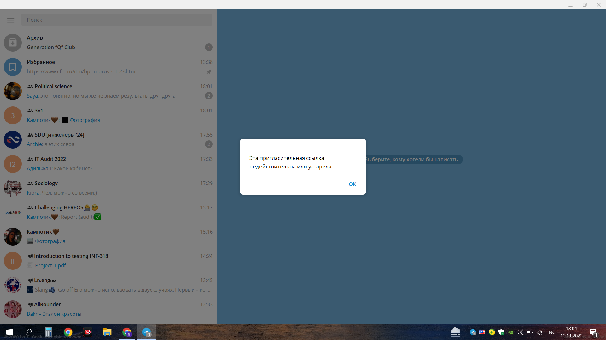
Go to main page | Should open main page | open main page | pass
Contact us page | Should open contact us page | open contact us page | pass
Profile page (fill out the questionnaire) | Should open profile page | open profile page | pass
Profile page (subscription) | Should open subscription page | open subscription page | pass
Profile page(balance) | Should open balance page | open balance page | pass
Profile page(statistics) | Should open statistics page | open statistics page | pass
Profile page(logout) | Should open login page | open login page | pass
Answer-question section | Go to this page | other page with FAQ | pass
Our experts section | Go to page | show page | pass
Using conditions section | Open condition page | show condition page | pass
Privacy policy section | Open privacy policy page | show privacy policy page | pass
About iTest section | Open about iTest page | open iTest page | pass
Click to 'ЕНТ' | Show subjects list | go to section 'ЕНТ' | pass
Click to 'Итоговая аттестация' | Show section | go to section 'Итоговая аттестация' | pass
Click to ВОУД | Show section | go to section 'ВОУД' | pass
Click to Купить | Open page Купить with instructions purchase a subscription | go to page КУПИТЬ | pass
Click to Новости | Open page with news about schools and college | go to page Новости | pass
Place Ваше Имя | Able to write symbols, digits, letters | availability | pass | Contacts' page
Write correct Email | The "Your E-Mail" field must be a valid e-mail address. | valid accept | pass
Write incorrect email | The "Your E-Mail" field must be a valid e-mail address. | valid error | pass
Place Soobshenie | Able to write symbols, digits, letters | availability | pass
Click Ya ne robot | Should be clicked | should be clicked | pass
Click to phone numbers on section Telefony | Should call | open app for calling | pass
Click to Elektronnaya pochta | Should open page for gmail | page for gmail | pass
Place Vasha Organizatsia | Able to write symbols, digits, letters | availability | pass | grammatical mistake 'Vasha Oganizatsia'

filter
TASK | REQUIREMENTS | EXPECTED RESULT | ACTUAL RESULT | NOTE
Search filter | Should find short version of the word | show result | 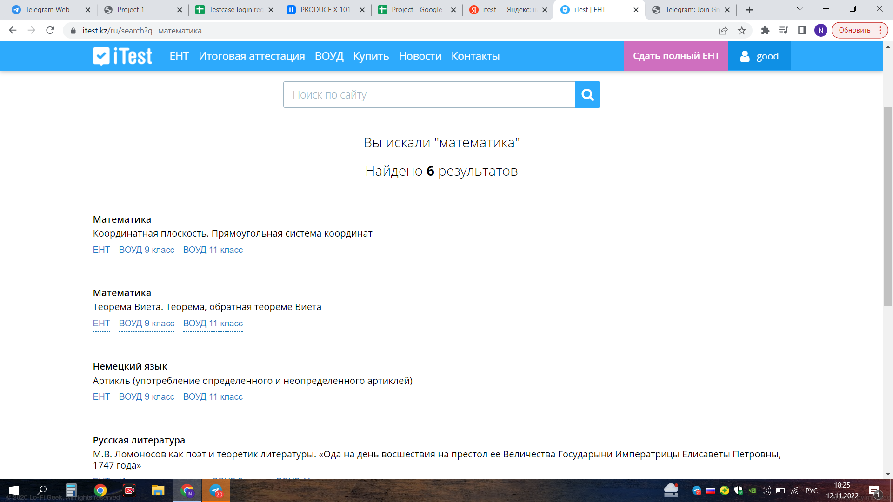 fail | 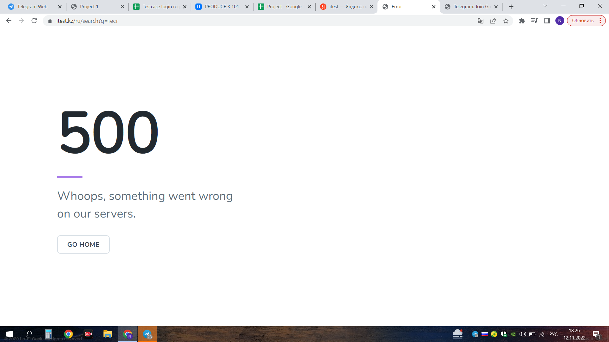
Switch language | Should switch to kazakh or russian language | changed page | pass
Click buy a subscribe(Купить) | Should open payment method lists | list of payment method | pass | 44,907,790
Click button for switch | Should open "Жаңалықтар" page 1 or 2 | show result | pass | купить
Click pay by bank card | Instructions how to do payment | instructions for payment | pass
Click pay via QIWI Terminal | Instructions for payment with QIWI Terminal | instructions for payment | pass
Payment via QIWI wallet | Instructions for payment with your QIWI wallet | Instructions how to pay with QIWI wallet | pass
Personal account Kaspi.kz | Qr code and the cost of course | Scan kaspi qr and pay | pass
Go to page for mat.statistics | Select topic | lessons for selected topic | pass
Go to page for history of KZ | Select topic | lessons for selected topic | pass
Go to page for "Oku sauatt." | Select topic | lessons for selected topic | pass
Go to page for Math | Select class | lessons for only this class | pass
Go to page for Kaz. lang. | Select topic | subtopics for this topic | pass
Go to page Rus. lang. | Select topic | subtopics for this topic | pass
Go to page for Physics | Select topic | subtopics for this topic | pass
Choose "Osnovy prava" | Rest subject should be wolrd history | only w.h. is available | pass
Choose "geography" | Rest subjects should be german and math | only geography, german, french, math, english, biology, world history are available | pass
Choose "french language" | Rest subjects should be geography and world history | only geography, world history are available | pass
Choose "english" | Rest subject should be geography and world history | only geography, world history are available | pass
Choose "biology" | Rest subjects should be khimya and geography | only geography and khimya is available | pass
Choose "химия" | 2nd subject should be only физика | rest subject is физика | pass
Select subjects, that you choose for UNT | Able to choose | clicked subjects | pass
Choose "russian literature" | 2nd subject must be russian lang. | only rus. lang. is available | pass
Choose "math" | 2nd subject must be physics | only phyis. is available | pass
Go to page for Khimya | Select topic page | subtopics for chosen topic | pass
Go to page for Biology | Select topic page | subtopics for chosen topic | pass
Go to page for German lang. | Select topic page | subtopics for chosen topic | pass

