Learning
Case | Step | Test Steps | Test Data | Expected Result | Status | Notes
Buttons | 1 | click to "UP ARROW" at the bottom | Privacy & Terms, Apps | Show all information in these sections | pass | These type of buttons are common to all subpages in "Learning" page
 | 2 | click to "INLearning" | IN Learning | user's current page should be changed to HOME page | pass | "Home" subpage's buttons
 | 3 | ME "under arrow" | Me | all tools and informations of user | pass
 | 4 | LANGUAGE "under arrow" | Lang. | User should be able to see list of languages | pass
 | 5 | click "X" to close ad | X | Ads should be closed | pass
 | 6 | click to "right, left arrow" | moving to right, left arrows in recommendations videos sections | Show new recommendations videos | pass
 | 7 | click to "Follow on LInkedIn" | To Follower recomendations | Subscibe to this instructor | pass
 | 8 | click to "X" to remove recommendation | recommendations sections | video should be closed and recommendation should be removed | pass
 | 9 | click "UNDO" to re-remove recommendation video | recommendations sections | recommendation should be turn back | pass
 | 10 | click to "SAVE" to recommendation | recommendations sections | chosen recommendation should be saved somewhere | fail | "Saved" recommendation haven't saved anywhere. I checked "Saved", "Collections" section in "My Library" page, but can't find my saved recommendation
 | 11 | click to "Autofill with Linkedin" | AutoFill with LInkedIn | Information about user must be filled | pass | Contact Us minipage's buttons
 | 12 | click to "LinkedIn" | "LinkedIn" button near to search section, Down Arrow | Downward opening with types of professsions | pass
 | 13 | click to "Magnifying glass" to search | Search section | Should give info. with a search word | pass
 | 14 | click to "PLAY/STOP" button in video | recommendations sections | should be played/stopped when click | pass
 | 15 | click to "SHOW MORE" | under of role guides | show more roles, specialties | pass | "Browse" subpage's buttons
 | 16 | click to "SHOW LESS" | under of role guides | show less | pass
Filter | 17 | search for something by writing full word | "Search" section at the top | show results according to word | pass | "Home" subpage's filters
 | 18 | search for smth and choose "lang." filter | "Search" section at the top | show results in chosen lang. | pass
 | 19 | search for smth and choose "types" filter | "Search" section at the top | show results only for chosen type | pass
 | 20 | choose "level" filter | "Search" section at the top | show results only for chosen level | pass
 | 21 | choose "Time to complete" filter | "Search" section at the top | show results only for chosen time | pass
 | 22 | enter any speciality | Identify the skills you need to advance your career | show results according to speciality | pass
 | 23 | choose "Business" specialties | Business | specialities for business | pass | "Browse" subpage's filters
 | 24 | choose "Creative" specialities | Creative | specialities for creative | pass
 | 25 | choose "Technology" specialities | Technology | specialities for technology | pass
 | 26 | choose "Certifications" | Certifications | should show courses for certifications | pass
Functionality | 27 | Go to "Project Manager" speciality | Business | show advises, courses, guides | pass | "Browse" subpage's functionality
 | 28 | Go to "Accountant" speciality | Business | show advises, courses, guides | pass
 | 29 | Open any topic in "Business topics" section | Business | courses according to topic | pass
 | 30 | Go to "Graphic designer" speciality | Creative | show advises, courses, guides | pass
 | 31 | Open any topic | Creative topics | courses according to topic | pass
 | 32 | Go and open specialistics in Technology | Role Guides | show advises, courses, guides | pass
 | 33 | Open any topic in Technology | Technology topics | courses according to topic | pass
 | 34 | Open Certification section | Certifications | courses according to type of certification | pass
 | 35 | Open "Software" part in every sections | Business, Creative, Technology | courses for chosen software | pass
 | 36 | Open "Learning paths" part in every sections | Business, Creative, Technology | explanations, guides for speciality | pass
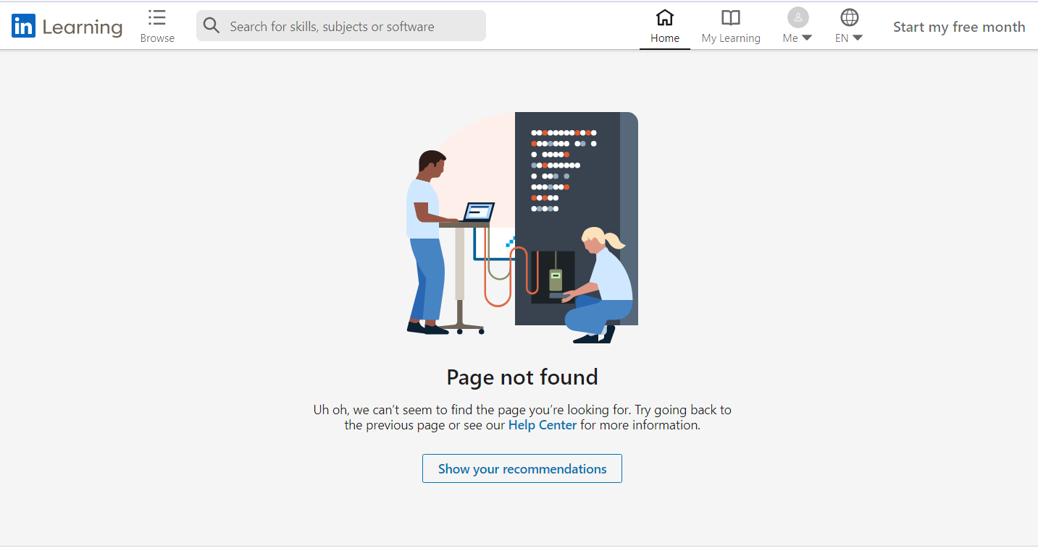
 | 37 | choose each language in (LANGUAGE "under arrow") button | German, Spanish, French, Italian, other | Whole page should be translated | pass | "Home" subpage's functionality
 | 38 | Go to instructor's page "Claudia "Kladi" Vergine" | Instructor's recommendations section | Open chosen instructor's page | fail
 | 39 | Open every course at the page | Home subpage | should go to course's new page | pass
 | 40 | Try to open results from filter | Identify the skills you need to advance your career | Should go to result's new page | pass
 | 41 | Click for Learn more | Need to train your team? Learn More. | Show new page for request | pass
 | 42 | Click to start free subscribe for month | Start my free month | Open new page for information about subscribe | pass
 | 43 | Go to "Business" new subpage | Business | Show solutions, advices for business in new page | pass | These functions are common to all subpages in "Learning" page
 | 44 | Go to "Higher Education" new subpage | Higher Education | Show solutions, advices for higher education in new page | pass
 | 45 | Go to "Government" new subpage | Government | Show solutions, advices for government in new page | pass
 | 46 | Click to "About" | "About" at the bottom of "Home" | New page to show info about LInkedin | pass
 | 47 | Click to "Become an instructor" | Become an instructor | New page to send resume | pass
 | 48 | Click to "By for my team" | By for my team | Open page with instructions to buy | pass
 | 49 | Click to "Help" | Help | Open page to support user | pass
 | 50 | click to "Accessibility" | Accessibility | Open page for info about Accessibility | pass
 | 51 | click "Settings" | "Me" button | Open settings' page | pass
 | 52 | click "Go to my LInkedin profile" | "Me" button | Open Users' profile page | pass |  | 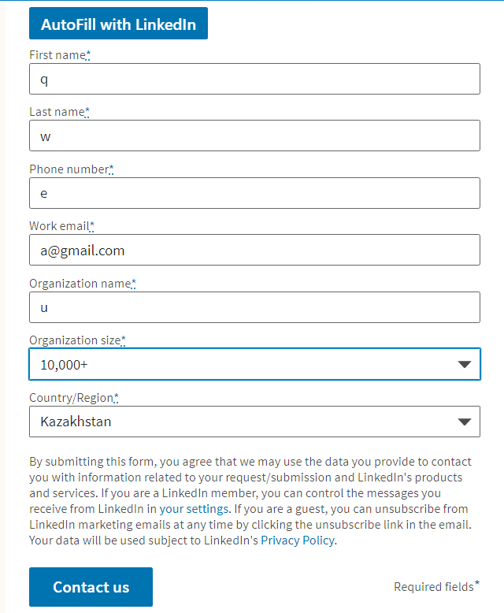
 | 53 | click "Get help" | "Me" button | Small minipage to ask a question | pass
 | 54 | click "Sign Out" | "Me" button | Leave account, go to Log in/register page | pass
 | 55 | Put correct info. about yourself into every fileds | Required fields | Info/s should be accepted | pass | Contact Us minipage's functionality
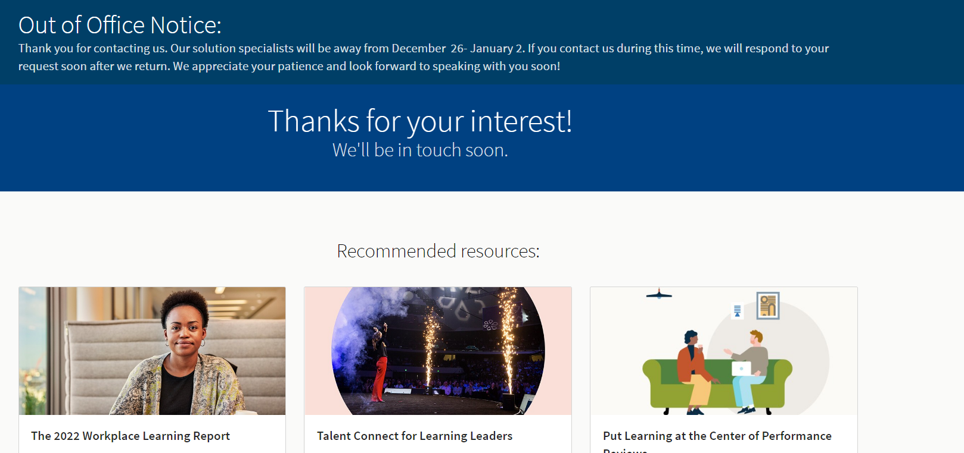
 | 56 | Fill info. with leaving one | Required fields | Info/s should not be accepted | pass
 | 57 | Fill in, but put letters instead digits | Phone Number required field | Phone number should not be accepted and new page can't be opened | fail
 | 58 | Click to "Open a support ticket" | Open a suppot ticket | New page for send resume | pass | Next testcses done in "Open a support ticket" part of ""Contact us" minipage
 | 59 | Change minipage's lang. to any | Lang/s minisection at the bottom | Page's language must be translated to chosen one | pass
 | 60 | Change minipage's lang. to Turkish | Lang/s minisection at the bottom | Page's every words must be translated to chosen one | fail | To show this fail here I've putted 3 results in 3 lang/s. In english and russian version word "example" translated, but in turkish it remained unchanged
Video | 61 | Choose any video in recommendations | Home subpage | Video should start playing | pass | Videos in "Home" subpage
 | 62 | Choose any video in courses | Browse subpage | Video should start playing | pass | Videos in "Browse" subpage

