Sheet1
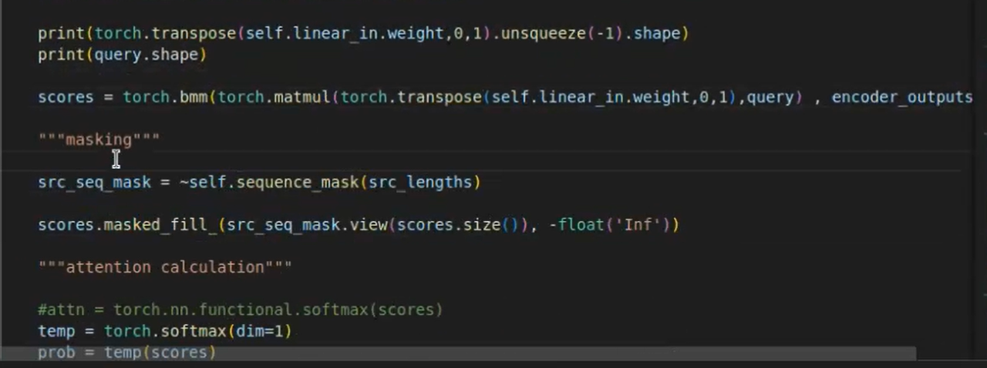
QUESTION 2.5
 | Learning Rate = 0.01 | Learning Rate = 0.0005 | Learning Rate = 0.00001
Training Loss | 0.4572 | 0.044 | 0.3714
Validation Acuracy | 0.843 | 0.9871 | 0.9556
Final test Accuracy | 0.7209 | 0.9581 | 0.8896

