Unit 1 Data
Time (IST) | Temperature (°C) | Humidity (%)
2024-11-09 11:04:28 AM | 26 | 61
2024-11-09 11:04:36 AM | 26 | 62
2024-11-09 11:04:44 AM | 26 | 63
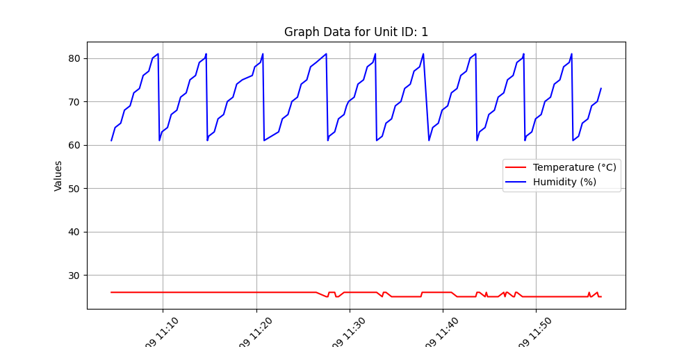
2024-11-09 11:04:52 AM | 26 | 64
2024-11-09 11:05:28 AM | 26 | 65
2024-11-09 11:05:36 AM | 26 | 66
2024-11-09 11:05:44 AM | 26 | 67
2024-11-09 11:05:52 AM | 26 | 68
2024-11-09 11:06:28 AM | 26 | 69
2024-11-09 11:06:36 AM | 26 | 70
2024-11-09 11:06:44 AM | 26 | 71
2024-11-09 11:06:52 AM | 26 | 72
2024-11-09 11:07:28 AM | 26 | 73
2024-11-09 11:07:36 AM | 26 | 74
2024-11-09 11:07:44 AM | 26 | 75
2024-11-09 11:07:52 AM | 26 | 76
2024-11-09 11:08:29 AM | 26 | 77
2024-11-09 11:08:37 AM | 26 | 78
2024-11-09 11:08:45 AM | 26 | 79
2024-11-09 11:08:53 AM | 26 | 80
2024-11-09 11:09:29 AM | 26 | 81
2024-11-09 11:09:37 AM | 26 | 61
2024-11-09 11:09:45 AM | 26 | 62
2024-11-09 11:09:53 AM | 26 | 63
2024-11-09 11:10:29 AM | 26 | 64
2024-11-09 11:10:37 AM | 26 | 65
2024-11-09 11:10:45 AM | 26 | 66
2024-11-09 11:10:53 AM | 26 | 67
2024-11-09 11:11:29 AM | 26 | 68
2024-11-09 11:11:37 AM | 26 | 69
2024-11-09 11:11:45 AM | 26 | 70
2024-11-09 11:11:53 AM | 26 | 71
2024-11-09 11:12:29 AM | 26 | 72
2024-11-09 11:12:37 AM | 26 | 73
2024-11-09 11:12:45 AM | 26 | 74
2024-11-09 11:12:53 AM | 26 | 75
2024-11-09 11:13:29 AM | 26 | 76
2024-11-09 11:13:37 AM | 26 | 77
2024-11-09 11:13:46 AM | 26 | 78
2024-11-09 11:13:54 AM | 26 | 79
2024-11-09 11:14:30 AM | 26 | 80
2024-11-09 11:14:38 AM | 26 | 81
2024-11-09 11:14:46 AM | 26 | 61
2024-11-09 11:14:54 AM | 26 | 62
2024-11-09 11:15:30 AM | 26 | 63
2024-11-09 11:15:38 AM | 26 | 64
2024-11-09 11:15:46 AM | 26 | 65
2024-11-09 11:15:54 AM | 26 | 66
2024-11-09 11:16:30 AM | 26 | 67
2024-11-09 11:16:38 AM | 26 | 68
2024-11-09 11:16:46 AM | 26 | 69
2024-11-09 11:16:54 AM | 26 | 70
2024-11-09 11:17:30 AM | 26 | 71
2024-11-09 11:17:38 AM | 26 | 72
2024-11-09 11:17:46 AM | 26 | 73
2024-11-09 11:17:54 AM | 26 | 74
2024-11-09 11:18:30 AM | 26 | 75
2024-11-09 11:19:34 AM | 26 | 76
2024-11-09 11:19:42 AM | 26 | 77
2024-11-09 11:19:50 AM | 26 | 78
2024-11-09 11:20:26 AM | 26 | 79
2024-11-09 11:20:35 AM | 26 | 80
2024-11-09 11:20:43 AM | 26 | 81
2024-11-09 11:20:51 AM | 26 | 61
2024-11-09 11:22:24 AM | 26 | 63
2024-11-09 11:22:32 AM | 26 | 64
2024-11-09 11:22:40 AM | 26 | 65
2024-11-09 11:22:48 AM | 26 | 66
2024-11-09 11:23:24 AM | 26 | 67
2024-11-09 11:23:32 AM | 26 | 68
2024-11-09 11:23:41 AM | 26 | 69
2024-11-09 11:23:49 AM | 26 | 70
2024-11-09 11:24:25 AM | 26 | 71
2024-11-09 11:24:33 AM | 26 | 72
2024-11-09 11:24:41 AM | 26 | 73
2024-11-09 11:24:49 AM | 26 | 74
2024-11-09 11:25:25 AM | 26 | 75
2024-11-09 11:25:33 AM | 26 | 76
2024-11-09 11:25:41 AM | 26 | 77
2024-11-09 11:25:49 AM | 26 | 78
2024-11-09 11:26:25 AM | 26 | 79
2024-11-09 11:27:30 AM | 25 | 81
2024-11-09 11:27:40 AM | 25 | 61
2024-11-09 11:27:48 AM | 26 | 62
2024-11-09 11:28:25 AM | 26 | 63
2024-11-09 11:28:33 AM | 25 | 64
2024-11-09 11:28:41 AM | 25 | 65
2024-11-09 11:28:49 AM | 25 | 66
2024-11-09 11:29:25 AM | 26 | 67
2024-11-09 11:29:33 AM | 26 | 68
2024-11-09 11:29:41 AM | 26 | 69
2024-11-09 11:29:54 AM | 26 | 70
2024-11-09 11:30:30 AM | 26 | 71
2024-11-09 11:30:38 AM | 26 | 72
2024-11-09 11:30:46 AM | 26 | 73
2024-11-09 11:30:54 AM | 26 | 74
2024-11-09 11:31:30 AM | 26 | 75
2024-11-09 11:31:38 AM | 26 | 76
2024-11-09 11:31:46 AM | 26 | 77
2024-11-09 11:31:54 AM | 26 | 78
2024-11-09 11:32:30 AM | 26 | 79
2024-11-09 11:32:38 AM | 26 | 80
2024-11-09 11:32:46 AM | 26 | 81
2024-11-09 11:32:54 AM | 26 | 61
2024-11-09 11:33:30 AM | 25 | 62
2024-11-09 11:33:38 AM | 26 | 63
2024-11-09 11:33:46 AM | 26 | 64
2024-11-09 11:33:54 AM | 26 | 65
2024-11-09 11:34:30 AM | 25 | 66
2024-11-09 11:34:38 AM | 25 | 67
2024-11-09 11:34:46 AM | 25 | 68
2024-11-09 11:34:55 AM | 25 | 69
2024-11-09 11:35:31 AM | 25 | 70
2024-11-09 11:35:39 AM | 25 | 71
2024-11-09 11:35:47 AM | 25 | 72
2024-11-09 11:35:55 AM | 25 | 73
2024-11-09 11:36:31 AM | 25 | 74
2024-11-09 11:36:39 AM | 25 | 75
2024-11-09 11:36:47 AM | 25 | 76
2024-11-09 11:36:55 AM | 25 | 77
2024-11-09 11:37:31 AM | 25 | 78
2024-11-09 11:37:39 AM | 25 | 79
2024-11-09 11:37:47 AM | 26 | 80
2024-11-09 11:37:55 AM | 26 | 81
2024-11-09 11:38:31 AM | 26 | 61
2024-11-09 11:38:39 AM | 26 | 62
2024-11-09 11:38:47 AM | 26 | 63
2024-11-09 11:38:55 AM | 26 | 64
2024-11-09 11:39:31 AM | 26 | 65
2024-11-09 11:39:39 AM | 26 | 66
2024-11-09 11:39:47 AM | 26 | 67
2024-11-09 11:39:55 AM | 26 | 68
2024-11-09 11:40:31 AM | 26 | 69
2024-11-09 11:40:39 AM | 26 | 70
2024-11-09 11:40:47 AM | 26 | 71
2024-11-09 11:40:55 AM | 26 | 72
2024-11-09 11:41:31 AM | 25 | 73
2024-11-09 11:41:39 AM | 25 | 74
2024-11-09 11:41:47 AM | 25 | 75
2024-11-09 11:41:55 AM | 25 | 76
2024-11-09 11:42:32 AM | 25 | 77
2024-11-09 11:42:40 AM | 25 | 78
2024-11-09 11:42:48 AM | 25 | 79
2024-11-09 11:42:56 AM | 25 | 80
2024-11-09 11:43:32 AM | 25 | 81
2024-11-09 11:43:40 AM | 26 | 61
2024-11-09 11:43:48 AM | 26 | 62
2024-11-09 11:43:56 AM | 26 | 63
2024-11-09 11:44:32 AM | 25 | 64
2024-11-09 11:44:40 AM | 26 | 65
2024-11-09 11:44:48 AM | 25 | 66
2024-11-09 11:44:56 AM | 25 | 67
2024-11-09 11:45:32 AM | 25 | 68
2024-11-09 11:45:40 AM | 25 | 69
2024-11-09 11:45:48 AM | 25 | 70
2024-11-09 11:45:56 AM | 25 | 71
2024-11-09 11:46:32 AM | 26 | 72
2024-11-09 11:46:40 AM | 25 | 73
2024-11-09 11:46:48 AM | 26 | 74
2024-11-09 11:46:56 AM | 26 | 75
2024-11-09 11:47:32 AM | 25 | 76
2024-11-09 11:47:40 AM | 25 | 77
2024-11-09 11:47:48 AM | 26 | 78
2024-11-09 11:47:56 AM | 26 | 79
2024-11-09 11:48:32 AM | 25 | 80
2024-11-09 11:48:40 AM | 25 | 81
2024-11-09 11:48:49 AM | 25 | 61
2024-11-09 11:48:57 AM | 25 | 62
2024-11-09 11:49:33 AM | 25 | 63
2024-11-09 11:49:41 AM | 25 | 64
2024-11-09 11:49:49 AM | 25 | 65
2024-11-09 11:49:57 AM | 25 | 66
2024-11-09 11:50:33 AM | 25 | 67
2024-11-09 11:50:41 AM | 25 | 68
2024-11-09 11:50:49 AM | 25 | 69
2024-11-09 11:50:57 AM | 25 | 70
2024-11-09 11:51:33 AM | 25 | 71
2024-11-09 11:51:41 AM | 25 | 72
2024-11-09 11:51:49 AM | 25 | 73
2024-11-09 11:51:57 AM | 25 | 74
2024-11-09 11:52:33 AM | 25 | 75
2024-11-09 11:52:41 AM | 25 | 76
2024-11-09 11:52:49 AM | 25 | 77
2024-11-09 11:52:57 AM | 25 | 78
2024-11-09 11:53:33 AM | 25 | 79
2024-11-09 11:53:41 AM | 25 | 80
2024-11-09 11:53:49 AM | 25 | 81
2024-11-09 11:53:57 AM | 25 | 61
2024-11-09 11:54:33 AM | 25 | 62
2024-11-09 11:54:41 AM | 25 | 63
2024-11-09 11:54:49 AM | 25 | 64
2024-11-09 11:54:57 AM | 25 | 65
2024-11-09 11:55:34 AM | 25 | 66
2024-11-09 11:55:42 AM | 26 | 67
2024-11-09 11:55:50 AM | 25 | 68
2024-11-09 11:55:58 AM | 25 | 69
2024-11-09 11:56:34 AM | 26 | 70
2024-11-09 11:56:42 AM | 25 | 71
2024-11-09 11:56:50 AM | 25 | 72
2024-11-09 11:56:58 AM | 25 | 73

