Unit 2 Data
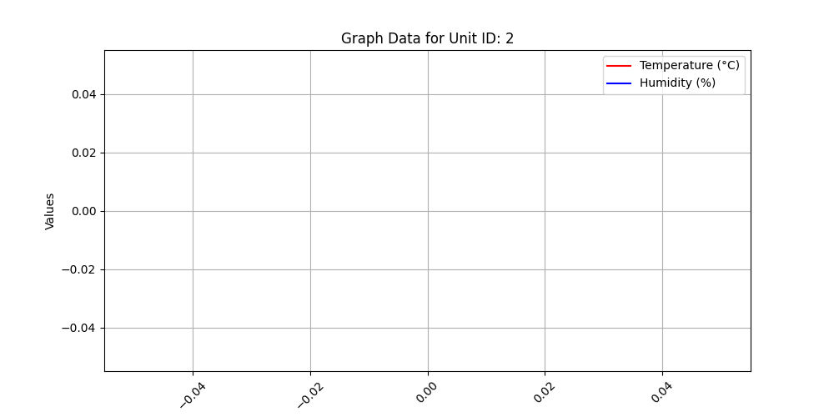
Time (IST) | Temperature (°C) | Humidity (%)

