Sheet1
Alliance Internal

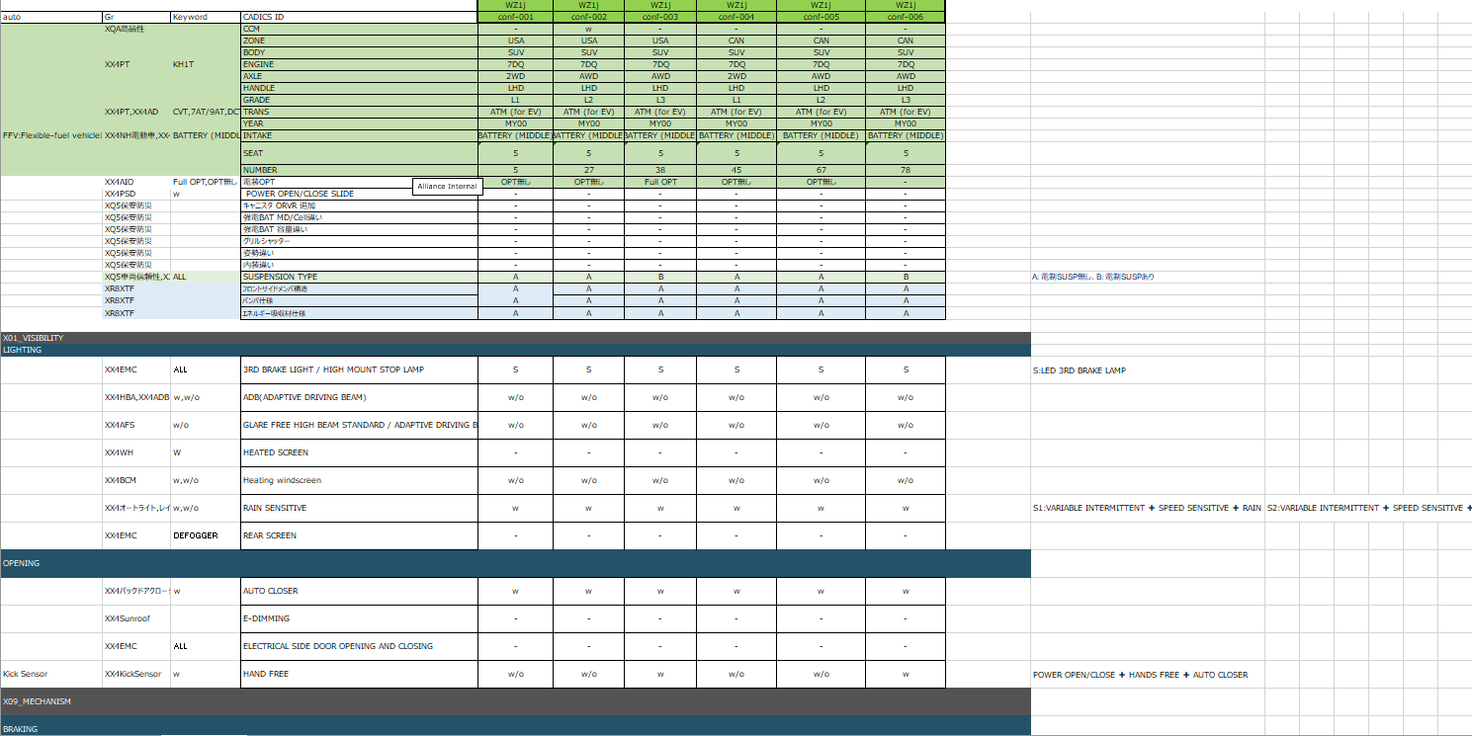
1
2
4
5
v
v
61
v
761

1+2=3

