02_Testing
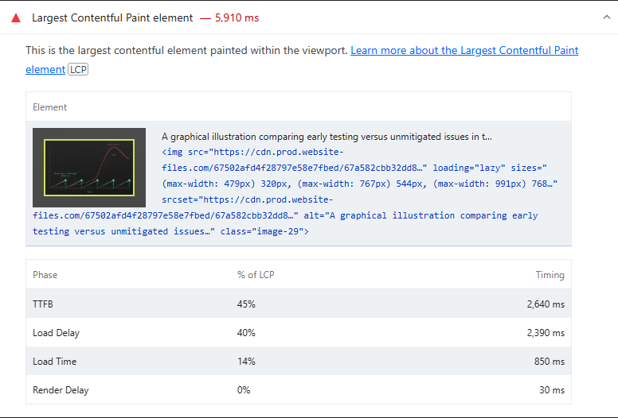
 | 0
02_Testing | Desktop | With Cache | https://www.cheqsystems.com/testing-services — Desktop-Normal
 |  | Without Cache | https://www.cheqsystems.com/testing-services — Desktop-Incognito
 | Mobile | With Cache | https://www.cheqsystems.com/testing-services — Mobile-Normal
 |  | Without Cache | https://www.cheqsystems.com/testing-services — Mobile-Incognito

Best Insight
URL: | 0
Diagnostic: | Defer offscreen images
Recommendation: | Learn how to defer offscreen images

Worst Insight
URL: | 0
Diagnostic: | Largest Contentful Paint element — 5,910 ms
Recommendation: | Learn more about the Largest Contentful Paint element

