01_Home
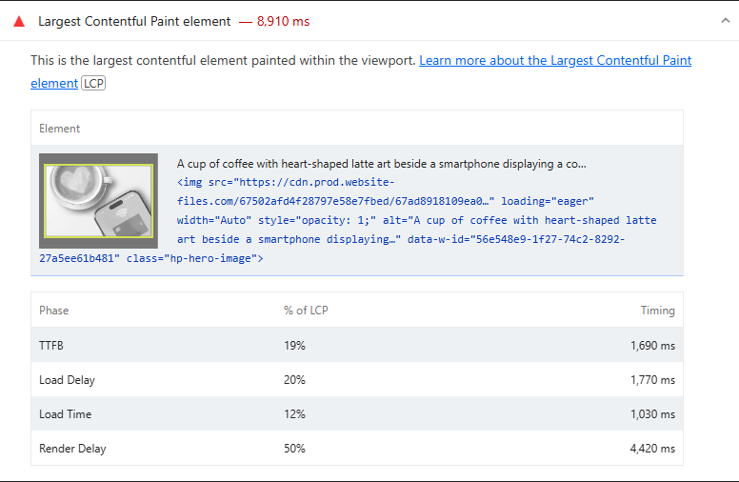
 | 0
01_Home | Desktop | With Cache | https://www.cheqsystems.com — Desktop-Normal
 |  | Without Cache | https://www.cheqsystems.com — Desktop-Incognito
 | Mobile | With Cache | https://www.cheqsystems.com — Mobile-Normal
 |  | Without Cache | https://www.cheqsystems.com — Mobile-Incognito

Best Insight
URL: | 0
Diagnostic: | Defer offscreen images
Recommendation: | Learn how to defer offscreen images

Worst Insight
URL: | 0
Diagnostic: | Largest Contentful Paint element — 8,910 ms
Recommendation: | Learn more about the Largest Contentful Paint element

02_Testing
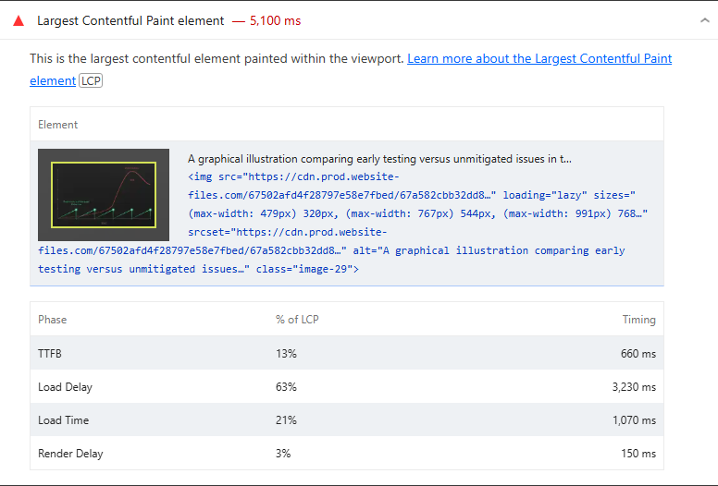
 | 0
02_Testing | Desktop | With Cache | https://www.cheqsystems.com/testing-services — Desktop-Normal
 |  | Without Cache | https://www.cheqsystems.com/testing-services — Desktop-Incognito
 | Mobile | With Cache | https://www.cheqsystems.com/testing-services — Mobile-Normal
 |  | Without Cache | https://www.cheqsystems.com/testing-services — Mobile-Incognito

Best Insight
URL: | 0
Diagnostic: | Defer offscreen images
Recommendation: | Learn how to defer offscreen images

Worst Insight
URL: | 0
Diagnostic: | Largest Contentful Paint element — 5,100 ms
Recommendation: | Learn more about the Largest Contentful Paint element

03_About
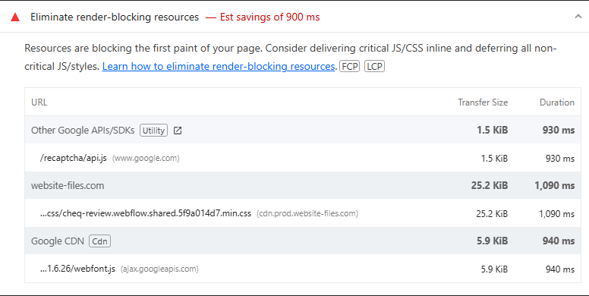
 | 0
03_About | Desktop | With Cache | https://www.cheqsystems.com/about — Desktop-Normal
 |  | Without Cache | https://www.cheqsystems.com/about — Desktop-Incognito
 | Mobile | With Cache | https://www.cheqsystems.com/about — Mobile-Normal
 |  | Without Cache | https://www.cheqsystems.com/about — Mobile-Incognito

Best Insight
URL: | 0
Diagnostic: | Defer offscreen images
Recommendation: | Learn how to defer offscreen images

Worst Insight
URL: | 0
Diagnostic: | Eliminate render-blocking resources — Est savings of 900 ms
Recommendation: | Learn how to eliminate render-blocking resources

04_News
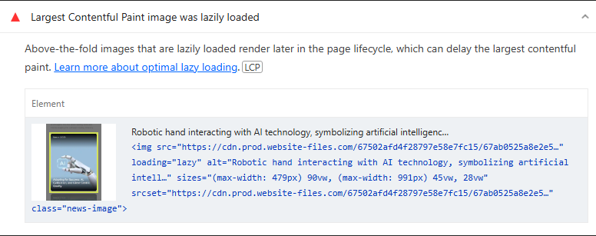
 | 0
04_News | Desktop | With Cache | https://www.cheqsystems.com/news — Desktop-Normal
 |  | Without Cache | https://www.cheqsystems.com/news — Desktop-Incognito
 | Mobile | With Cache | https://www.cheqsystems.com/news — Mobile-Normal
 |  | Without Cache | https://www.cheqsystems.com/news — Mobile-Incognito

Best Insight
URL: | 0
Diagnostic: | Defer offscreen images
Recommendation: | Learn how to defer offscreen images

Worst Insight
URL: | 0
Diagnostic: | Largest Contentful Paint image was lazily loaded
Recommendation: | Learn more about optimal lazy loading

05_Careers
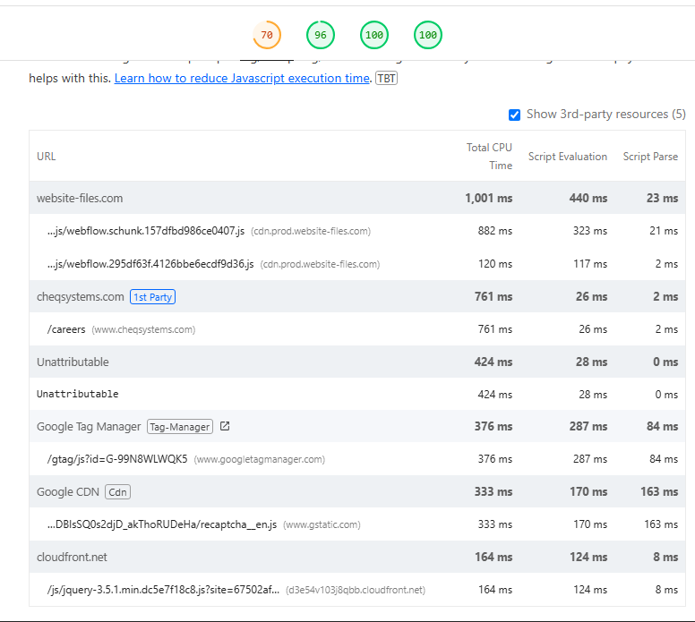
 | 0
05_Careers | Desktop | With Cache | https://www.cheqsystems.com/careers — Desktop-Normal
 |  | Without Cache | https://www.cheqsystems.com/careers — Desktop-Incognito
 | Mobile | With Cache | https://www.cheqsystems.com/careers — Mobile-Normal
 |  | Without Cache | https://www.cheqsystems.com/careers — Mobile-Incognito

Best Insight
URL: | 0
Diagnostic: | Defer offscreen images
Recommendation: | Learn how to defer offscreen images

Worst Insight
URL: | 0
Diagnostic: | Reduce JavaScript execution time — 1.4 s
Recommendation: | Learn how to reduce Javascript execution time

06_Contact
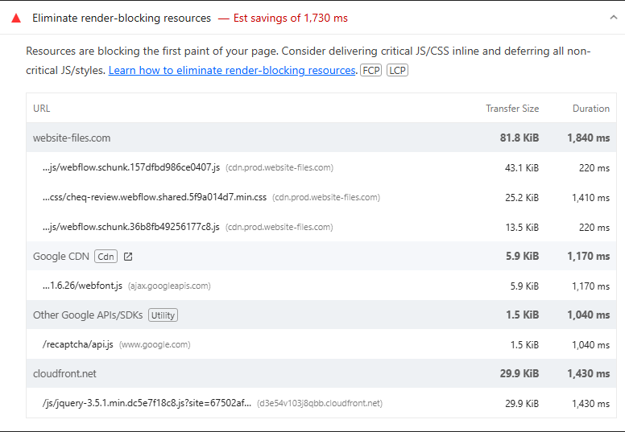
 | 0
06_Contact | Desktop | With Cache | https://www.cheqsystems.com/contact — Desktop-Normal
 |  | Without Cache | https://www.cheqsystems.com/contact — Desktop-Incognito
 | Mobile | With Cache | https://www.cheqsystems.com/contact — Mobile-Normal
 |  | Without Cache | https://www.cheqsystems.com/contact — Mobile-Incognito

Best Insight
URL: | 0
Diagnostic: | Defer offscreen images
Recommendation: | Learn how to defer offscreen images

Worst Insight
URL: | 0
Diagnostic: | Eliminate render-blocking resources — Est savings of 1,730 ms
Recommendation: | Learn how to eliminate render-blocking resources

07_Privacy
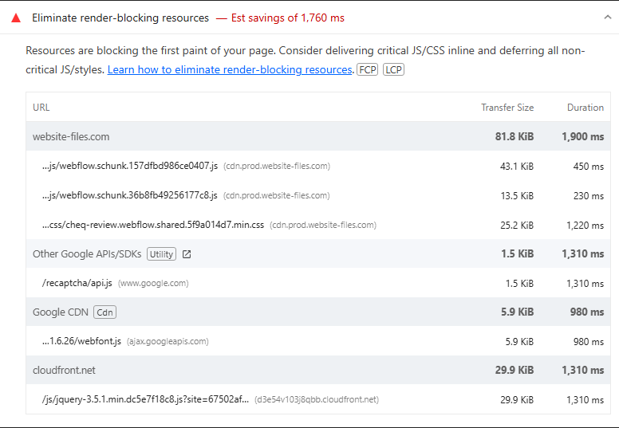
 | 0
07_Privacy | Desktop | With Cache | https://www.cheqsystems.com/privacy-policy — Desktop-Normal
 |  | Without Cache | https://www.cheqsystems.com/privacy-policy — Desktop-Incognito
 | Mobile | With Cache | https://www.cheqsystems.com/privacy-policy — Mobile-Normal
 |  | Without Cache | https://www.cheqsystems.com/privacy-policy — Mobile-Incognito

Best Insight
URL: | 0
Diagnostic: | Defer offscreen images
Recommendation: | Learn how to defer offscreen images

Worst Insight
URL: | 0
Diagnostic: | Eliminate render-blocking resources — Est savings of 1,760 ms
Recommendation: | Learn how to eliminate render-blocking resources

08_Game Testing
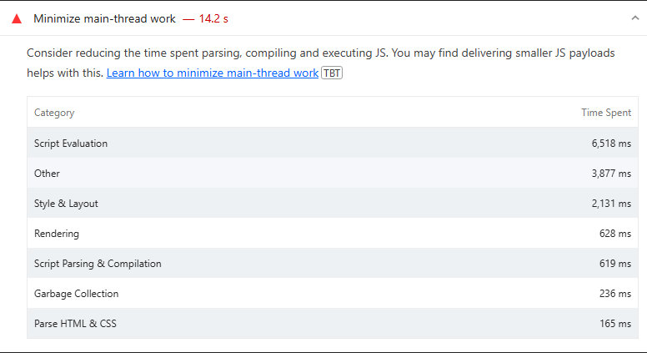
 | 0
08_Game Testing | Desktop | With Cache | https://www.cheqsystems.com/game-testing — Desktop-Normal
 |  | Without Cache | https://www.cheqsystems.com/game-testing — Desktop-Incognito
 | Mobile | With Cache | https://www.cheqsystems.com/game-testing — Mobile-Normal
 |  | Without Cache | https://www.cheqsystems.com/game-testing — Mobile-Incognito

Best Insight
URL: | 0
Diagnostic: | Defer offscreen images
Recommendation: | Learn how to defer offscreen images

Worst Insight
URL: | 0
Diagnostic: | Minimize main-thread work — 14.2 s
Recommendation: | Learn how to minimize main-thread work

