ALLdb
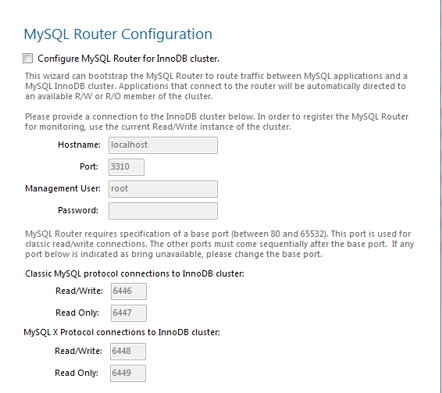
 | ldbname | var name
raw_chain | block_num_to_id_db | _block_num_to_id_db
 | block_id_to_block_data_db | _block_id_to_full_block
index | _alp_full_entry | _alp_full_entry
 | _alp_input_balance_entry | _alp_input_balance_entry
 | _block_extend_status | _block_extend_status
 | _contract_to_trx_iddb | _contract_to_trx_iddb
 | _request_to_result_iddb | _request_to_result_iddb
 | _result_to_request_id | _result_to_request_iddb
 | _trx_to_contract_iddb | _trx_to_contract_iddb
 | account_address_to_id | _account_address_to_id
 | account_id_to_entry | _account_id_to_entry
 | account_name_to_id | _account_name_to_id
 | address_to_transaction_ids | _address_to_transaction_ids
 | asset_id_to_entry | _asset_id_to_entry
 | asset_symbol_to_id | _asset_symbol_to_id
 | balance_id_to_entry | _balance_id_to_entry
 | block_id_to_block_entry_db | _block_id_to_block_entry_db
 | block_id_to_undo_state | _block_id_to_undo_state
 | contract_id_to_entry | _contract_id_to_entry
 | contract_id_to_storage | _contract_id_to_storage
 | contract_name_to_id | _contract_name_to_id
 | fork_db | _fork_db
 | fork_number_db | _fork_number_db
 | future_blocks_db | _revalidatable_future_blocks_db
 | pending_transaction_db | _pending_transaction_db
 | property_id_to_entry | _property_id_to_entry
 | slate_id_to_entry | _slate_id_to_entry
 | slot_index_to_entry | _slot_index_to_entry
 | slot_timestamp_to_delegate | _slot_timestamp_to_delegate
 | transaction_id_to_entry | _transaction_id_to_entry
peerdb | peers.leveldb | _potential_peer_db
 | blacklist.leveldb | _black_list_db

