2.1. Bayface_Before



mock row 1
mock row 2
mock row 3
mock row 4
mock row 5
mock row 6
mock row 7
mock row 8
mock row 9
BKK01

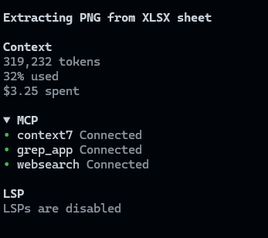







BKK02



BKK03

BKK04

BKK09

2.2. Bayface_After
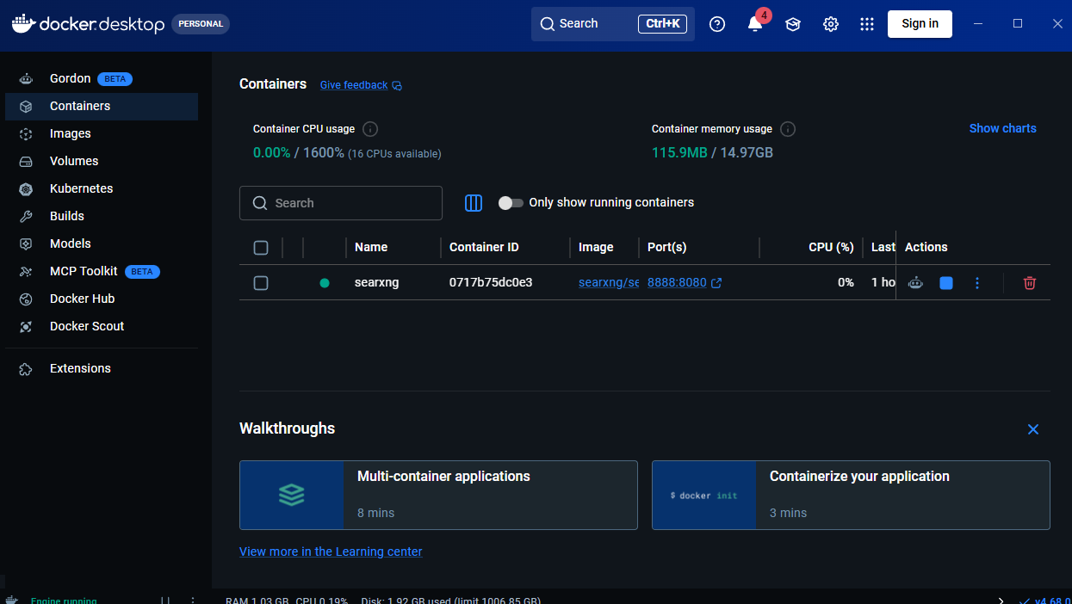



mock row 1
mock row 2
mock row 3
mock row 4
mock row 5
mock row 6
mock row 7
mock row 8
mock row 9
BKK01

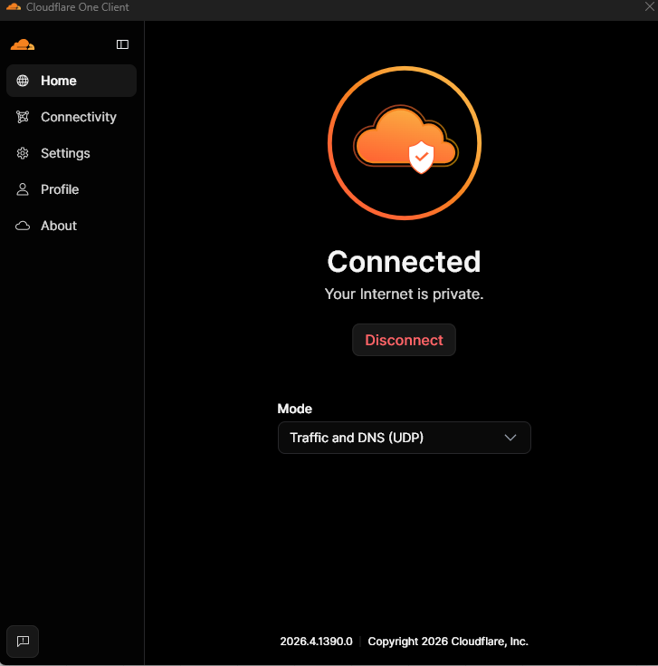







BKK02



BKK03

BKK04

BKK09

