Nomor3
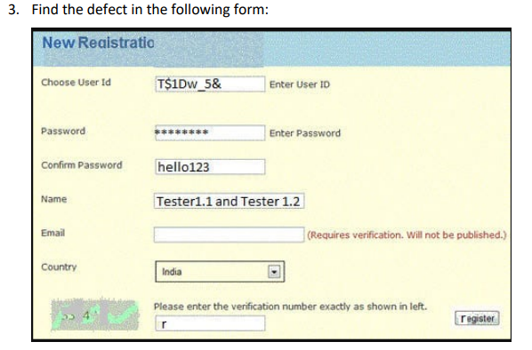

No | Defect | Explanation
1 | Tittle Header | Incomplete tittle
2 | Color Header | Partially different header colors
3 | Username | - Too many character combinations - No indicator that the username is available or not
4 | Password | - There is no visible (Eye) icon to display the password - No password meter to measure password strength
5 | Confirm Password | Unencrypted password
6 | Name | Names cannot contain special characters and numbers
7 | Captcha | The captcha image is unclear and unreadable

