Dashboard
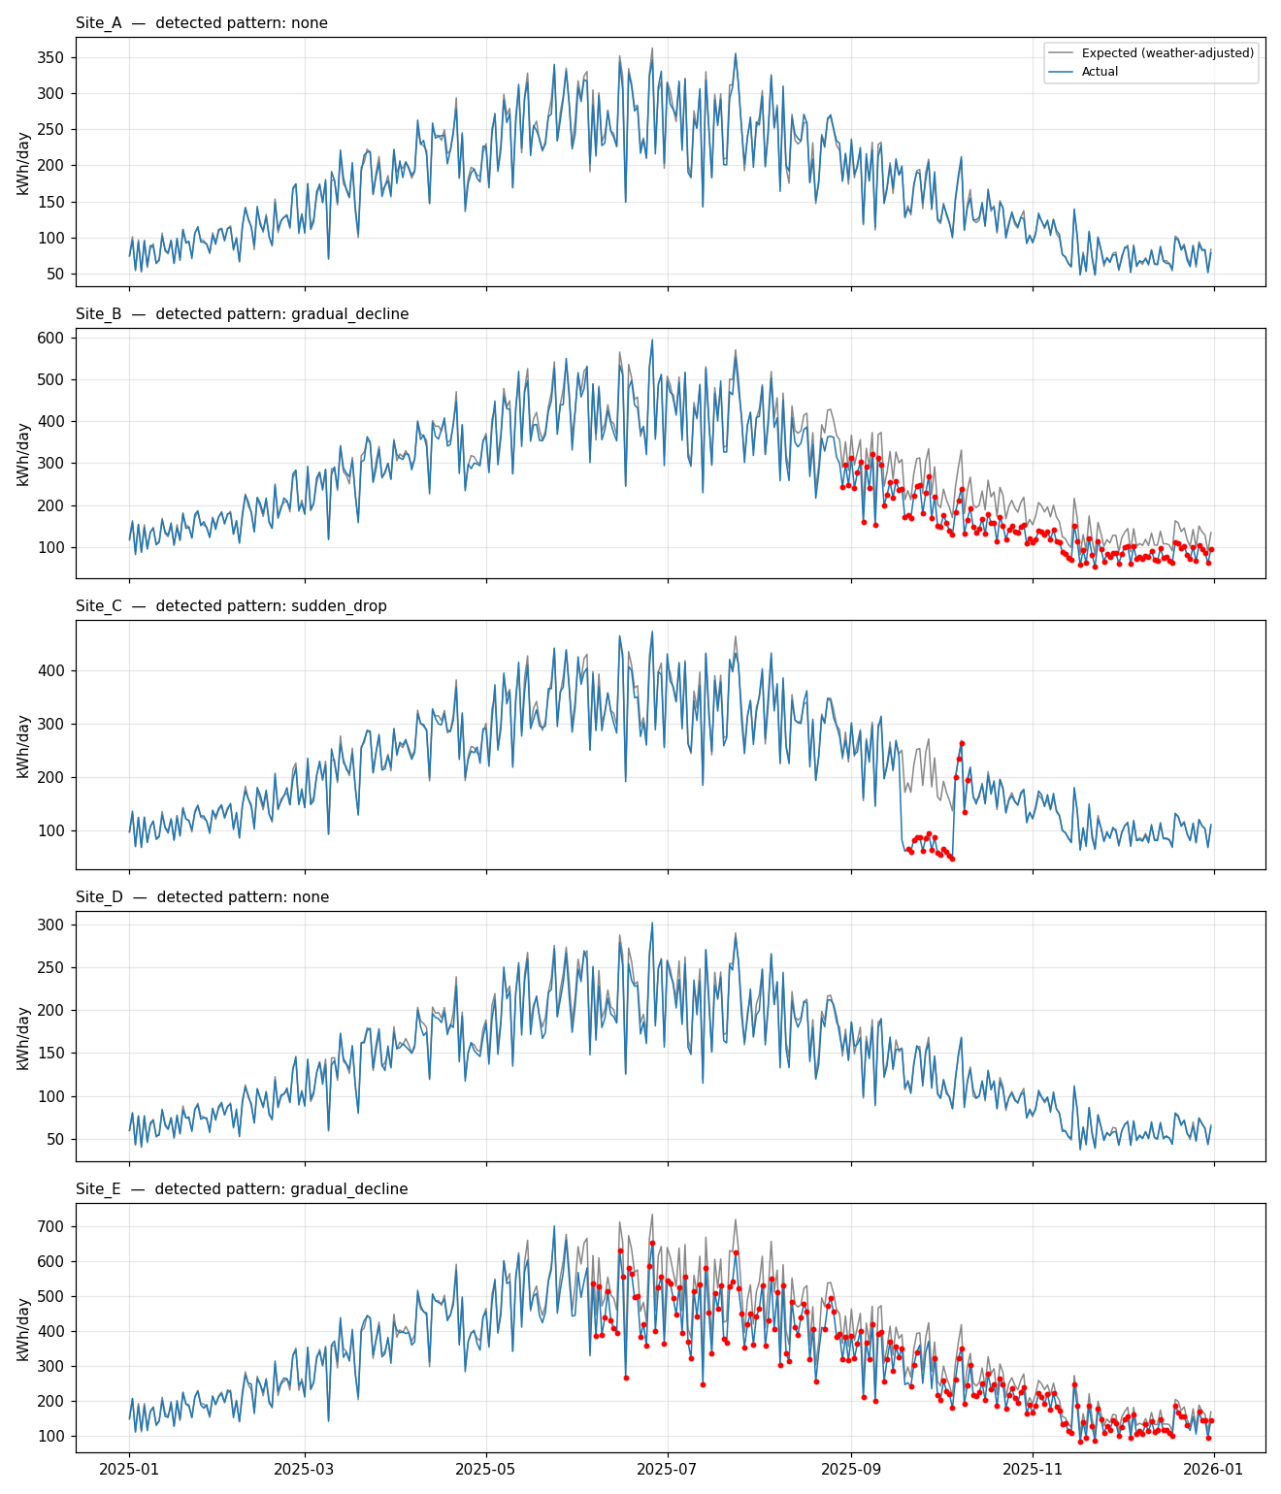
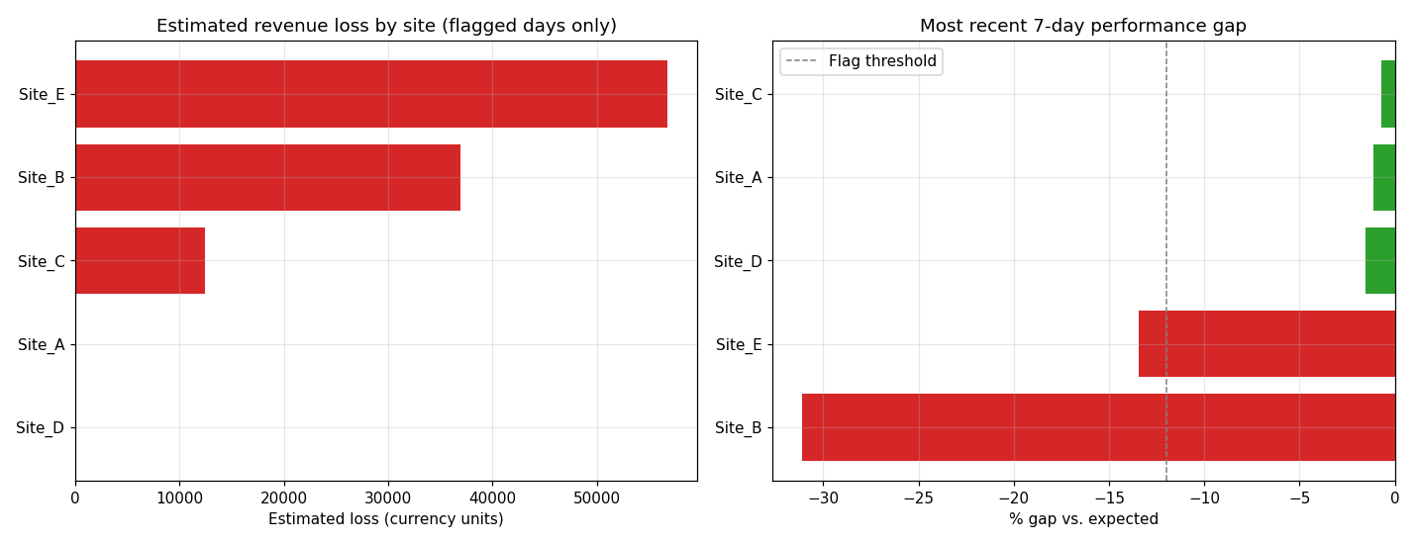
SolarSense — Visual Dashboard
Weather-normalized expected vs. actual generation, and maintenance-priority ranking

