A (Excel)
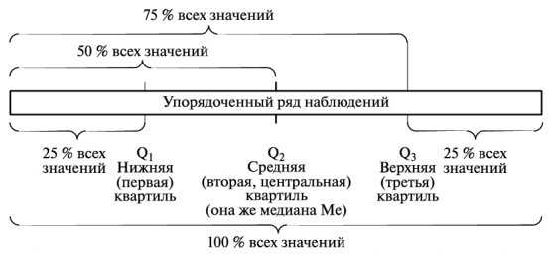
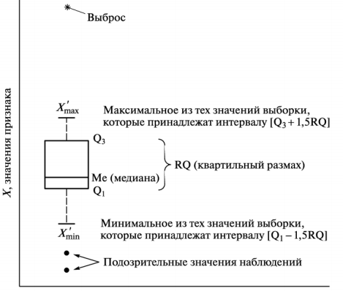
A | без NA | без NA и выбросов | ctrl+shift+ | количество пропущенных данных NA= |  |  | 30
 |  |  |  |  |  | В ячейке N3 не верно. Так определять объём выборки с NA нельзя! (Подумайте почему)
 |  |  |  | объём выборки с NA=
 |  |  |  | объём выборки после удаления пропущенных данных=

 |  |  |  | [Q1-1,5RQ; Q3+1,5RQ] - диапазон характерных (типичных) значений выборки

 |  |  |  | значение первой квартили (Q1)=
 |  |  |  | значение третьей квартили (Q3)=

 |  |  |  | квартильный размах (RQ=Q3-Q1)=
 |  |  |  |  | 1,5*RQ=

 |  |  |  | Границы без выбросов:
 |  |  |  | Xстат.min= Q1-1,5RQ=
 |  |  |  | Xстат.max= Q3+1,5RQ=

 |  |  |  | количество выбросов ниже нормы=
 |  |  |  | количество выбросов выше нормы=

 |  |  |  | объём выборки после удаления NA и выбросов =

