General info
Gene_name | ACHE | Tractable | Tractability_probability
Synonyms | 3.1.1.7,ACHE,AChE,Acetylcholinesterase | True | 77.31
Target_id | P22303 | In Training data set ?
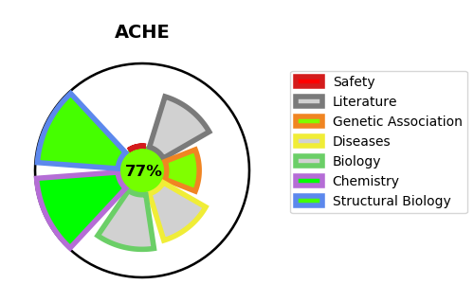
Protein_class | Hydrolase | No
Protein_class_desc | enzyme -> hydrolase
Species | Homo sapiens (Human).
Number_isoforms | 4

DISEASE |  | PATHWAYS
disease_id | disease_name | Reactome | KEGG
OMIM:112100 | YT BLOOD GROUP ANTIGEN | Glycerophospholipid biosynthesis | Glycerophospholipid metabolism
 |  | Metabolism
 |  | Metabolism of lipids
 |  | Metabolism of proteins
 |  | Neuronal System
 |  | Neurotransmitter clearance
 |  | Peptide hormone metabolism
 |  | Phospholipid metabolism
 |  | Synthesis of PC
 |  | Synthesis, secretion, and deacylation of Ghrelin
 |  | Transmission across Chemical Synapses

