General info
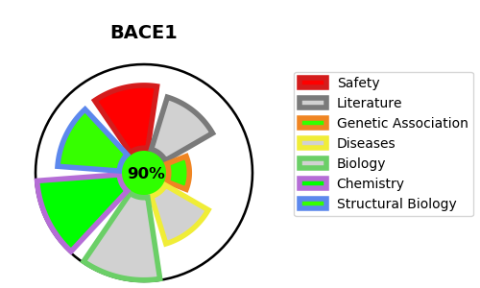
Gene_name | BACE1 | Tractable | Tractability_probability
Synonyms | 3.4.23.46,ASP2,Asp 2,Aspartyl protease 2,BACE,BACE1,Beta-secretase 1,Beta-site APP cleaving enzyme 1,Beta-site amyloid precursor protein cleaving enzyme 1,KIAA1149,Memapsin-2,Membrane-associated aspartic protease 2 | True | 90.92
Target_id | P56817 | In Training data set ?
Protein_class | Aspartic protease A1A subfamily | No
Protein_class_desc | enzyme -> protease -> aspartic -> aa -> a1a
Species | Homo sapiens (Human).
Number_isoforms | 6

DISEASE |  | PATHWAYS
disease_id | disease_name | Reactome | KEGG
 |  | Amyloid fiber formation | Alzheimer's disease
 |  | Metabolism of proteins

