General info
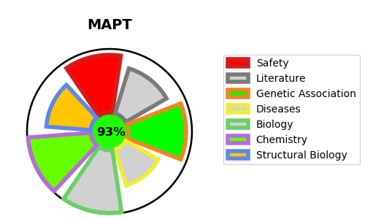
Gene_name | MAPT | Tractable | Tractability_probability
Synonyms | MAPT,MAPTL,MTBT1,Microtubule-associated protein tau,Neurofibrillary tangle protein,PHF-tau,Paired helical filament-tau,TAU | True | 93.94
Target_id | P10636 | In Training data set ?
Protein_class | Unclassified protein | No
Protein_class_desc | unclassified
Species | Homo sapiens (Human).
Number_isoforms | 9

DISEASE |  | PATHWAYS
disease_id | disease_name | Reactome | KEGG
OMIM:168600 | PARKINSON DISEASE, LATE-ONSET | Activation of AMPK downstream of NMDARs | Alzheimer's disease
OMIM:172700 | PICK DISEASE OF BRAIN | Activation of NMDA receptors and postsynaptic events | MAPK signaling pathway
OMIM:260540 | PARKINSON-DEMENTIA SYNDROME | Apoptosis
OMIM:600274 | FRONTOTEMPORAL DEMENTIA | Apoptotic cleavage of cellular proteins
OMIM:601104 | SUPRANUCLEAR PALSY, PROGRESSIVE, 1 | Apoptotic execution phase
 |  | Caspase-mediated cleavage of cytoskeletal proteins
 |  | Neuronal System
 |  | Neurotransmitter receptors and postsynaptic signal transmission
 |  | Post NMDA receptor activation events
 |  | Programmed Cell Death
 |  | Transmission across Chemical Synapses

