General info
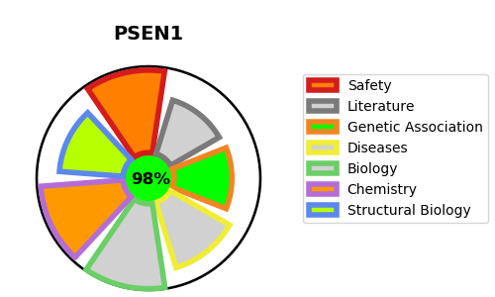
Gene_name | PSEN1 | Tractable | Tractability_probability
Synonyms | 3.4.23.-,AD3,PS-1,PS1,PS1-CTF12,PSEN1,PSNL1,Presenilin-1,Presenilin-1 CTF subunit,Presenilin-1 CTF12,Presenilin-1 NTF subunit,Protein S182 | True | 98.03
Target_id | P49768 | In Training data set ?
Protein_class | Presenilin ER Ca2+ leak channel family | No
Protein_class_desc | ion channel -> other -> misc -> presenilin
Species | Homo sapiens (Human).
Number_isoforms | 7

DISEASE |  | PATHWAYS
disease_id | disease_name | Reactome | KEGG
OMIM:172700 | PICK DISEASE OF BRAIN | Activated NOTCH1 Transmits Signal to the Nucleus | Alzheimer's disease
OMIM:600274 | FRONTOTEMPORAL DEMENTIA | Axon guidance | Neurotrophin signaling pathway
OMIM:607822 | ALZHEIMER DISEASE 3 | Cell death signalling via NRAGE, NRIF and NADE | Notch signaling pathway
OMIM:613694 | CARDIOMYOPATHY, DILATED, 1U | Constitutive Signaling by NOTCH1 HD+PEST Domain Mutants | Wnt signaling pathway
OMIM:613737 | ACNE INVERSA, FAMILIAL, 3 | Constitutive Signaling by NOTCH1 PEST Domain Mutants
 |  | Death Receptor Signalling
 |  | Degradation of the extracellular matrix
 |  | Developmental Biology
 |  | Disease
 |  | Diseases of signal transduction
 |  | EPH-Ephrin signaling
 |  | EPH-ephrin mediated repulsion of cells
 |  | Extracellular matrix organization
 |  | Immune System
 |  | Innate Immune System
 |  | NOTCH2 Activation and Transmission of Signal to the Nucleus
 |  | NOTCH3 Activation and Transmission of Signal to the Nucleus
 |  | NOTCH4 Activation and Transmission of Signal to the Nucleus
 |  | NRIF signals cell death from the nucleus
 |  | Neutrophil degranulation
 |  | Noncanonical activation of NOTCH3
 |  | Nuclear signaling by ERBB4
 |  | Regulated proteolysis of p75NTR
 |  | Signal Transduction
 |  | Signaling by ERBB4
 |  | Signaling by NOTCH
 |  | Signaling by NOTCH1
 |  | Signaling by NOTCH1 HD+PEST Domain Mutants in Cancer
 |  | Signaling by NOTCH1 PEST Domain Mutants in Cancer
 |  | Signaling by NOTCH1 in Cancer
 |  | Signaling by NOTCH2
 |  | Signaling by NOTCH3
 |  | Signaling by NOTCH4
 |  | Signaling by Receptor Tyrosine Kinases
 |  | p75 NTR receptor-mediated signalling

