Cell Environment
 | Cell- Lower Level: Nucleolus/Cell
Ropa
Lung
Stomach
Alveolo
Cilias
Moco
Pared celular
Nucleoli | 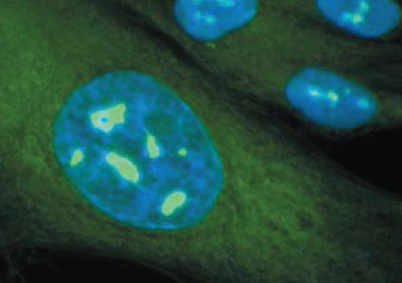 | Nucleoli: Definition round like body composed of mainly protein and RNA and its found in the nucleus of a cell. It is usually associated with the ribosomal RNA synthesis and the formation of ribosomes Supplement: http://www.biology-online.org/dictionary/Nucleoli
Endoplasmatic reticulum | 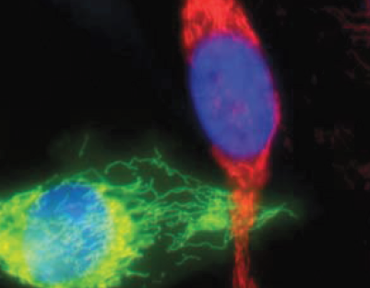 | Endoplasmic Reticulum: Definition (1) A membrane-bounded organelle that occurs as labyrinthine, interconnected flattened sacs or tubulesthat is connected to the nuclear membrane, runs through the cytoplasm, and may well extend into the cell membrane. (2) One of the three components of the GERL system, in which the Golgi apparatus and the lysosomes are the other components. Supplement: http://www.biology-online.org/dictionary/Endoplasmic_reticulum
Additional View
Golgi complex | 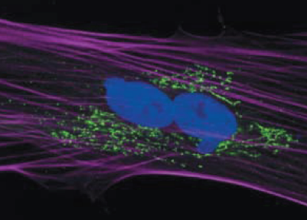 | Golgi Complex Definition (1) An organelle found in most eukaryotic cells identified in 1898 by the Italian physician Camilo Golgi. (2) One of the components of the GERL complex. Supplement: http://www.biology-online.org/dictionary/Golgi_apparatus | 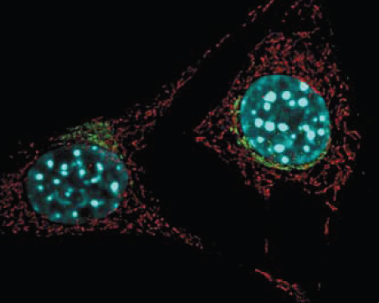
Additional View
Lysosome | 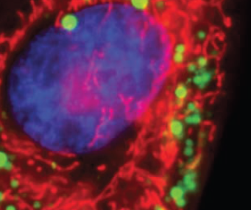 | Lysosomes Definition Organelles containing a large range of digestive enzymes used primarily for digestion and removal of excess or worn-out organelles, food particles, and engulfed viruses or bacteria. Supplement: http://www.biology-online.org/dictionary/Lysosome | 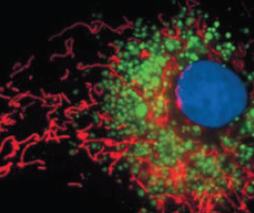
Next Tubulin
Cytoskeleton / Actin > Tubulin | 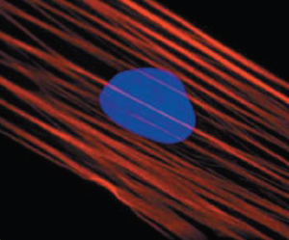 | Cytoskeleton/Actin Definition The lattice or internal framework of a cell composed of protein filaments and microtubules in the cytoplasm, and has a role in controlling cell shape, maintaining intracellular organization, and in cell movement. Supplement: http://www.biology-online.org/dictionary/Cytoskeleton | 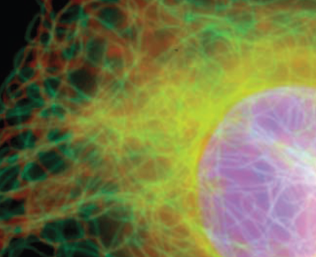
Additional View 1 2 3
Cytosol | 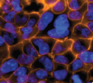 | Cytosol Definition (1) The liquid component of the cytoplasm surrounding the organelles and other insoluble cytoplasmicstructures in an intact cell where a wide variety of cell processes take place. (2) The aqueous portion of the cytoplasm in an intact cell consisting of water, organic molecules and dissolved ions. Supplement: http://www.biology-online.org/dictionary/Cytosol |  | 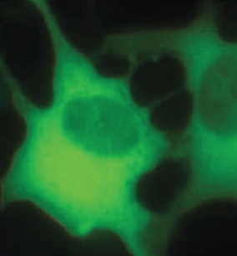 | 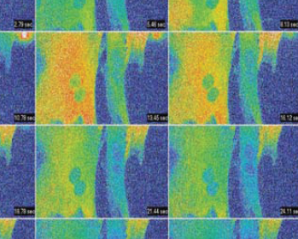
Perixome | 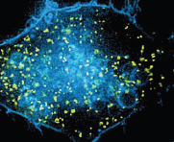 | Microbodies/Peroxisomes Definition membrane-bound cytoplasmic particles containing enzymes and other substances. Supplement: http://www.biology-online.org/dictionary/Microbodies
Additional View
Plasma membrane | 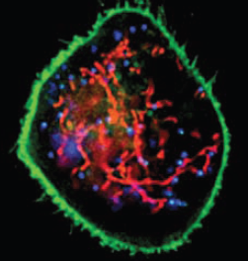 | Plasma Membrane Definition The cell’s outer membrane made up of a two layers of phospholipids with embedded proteins. It separates the contents of the cell from its outside environment, and it regulates what enters and exits the cell. Supplement: http://www.biology-online.org/dictionary/Plasma_membrane | 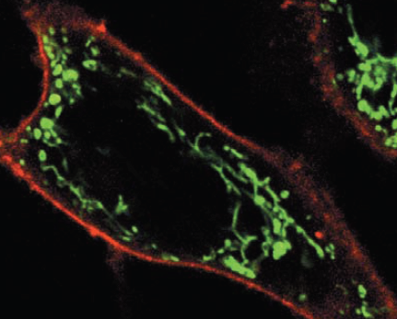
Additional View
Mitochondria | 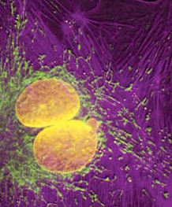 | Mitochondria: Definition noun, singular: mitochondrion Spherical or rod-shaped organelles found within the cytoplasm of eukaryotic cells, and are referred to as the “powerhouse of the cell since they act as the site for the production of high-energy compounds (e.g.ATP), which are vital energy source for several cellular processes. Supplement: http://www.biology-online.org/dictionary/Mitochondria | 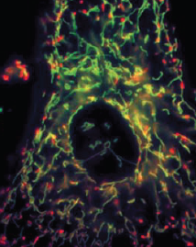
Nuclear envelope | 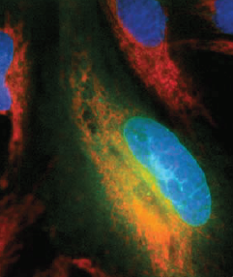 | Nuclear Envelope Definition The double-layered membrane that envelopes the nucleus of a eukaryotic cell, separating the contents of the nucleus from the (cytoplasm). Supplement: http://www.biology-online.org/dictionary/Nuclear_envelope
Nucleous | 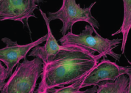 | Nucleus Definition The large, membrane-bounded organelle that contains the genetic material, in the form ofmultiple linear DNA molecules organized into structures called chromosomes. Supplement: http://www.biology-online.org/dictionary/Nucleus
Protein (Dynamically load)
Chromosomes (only 23)
Bands
Subbands
Gene (Dinamically loaded)
Exons
Introns

