Risk Tracker
Project Name |  | 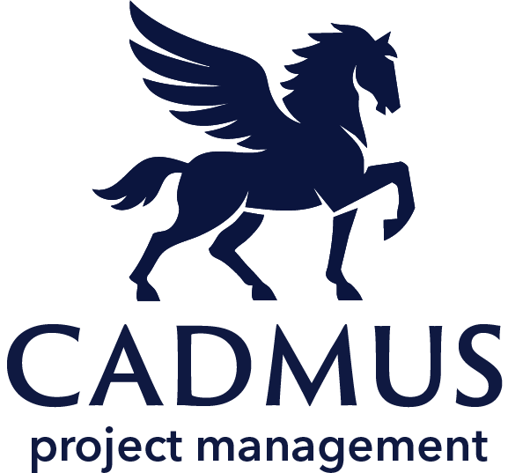 Risk Tracker
Project Manager
Start Date
End Date
www.cadmusprojects.com
Risk No. | Risk Description | Status | Category | Likelihood (1-5) | Impact (1-5) | Risk Score (L*I) | Owner | Mitigation Action | Due Date | Mitigation Strategy
1 | If meeting notes are not sent, the team will not know the project has been put on pause. | In Progress | Quality | 2 | 5 | 10 | Bruce Wayne | [1/12/2025: BW: Clark is sending out the meeting invite] | 2025-01-15 | Avoidance
2 | The hall of justice secuirty cameras are shorting out. If they fail entirely, the hall of justice will be vulnerable. | Not Started | Technical | 2 | 3 | 6 | Clark Kent
3 |  | Not Started | Stakeholder |  |  | 0
4 |  | Not Started | Stakeholder |  |  | 0
5 |  | Not Started | Stakeholder |  |  | 0
6 |  | Not Started | Stakeholder |  |  | 0
7 |  | Not Started | Stakeholder |  |  | 0
8 |  | Not Started | Stakeholder |  |  | 0

