Stakeholder Register
Project Name |  | 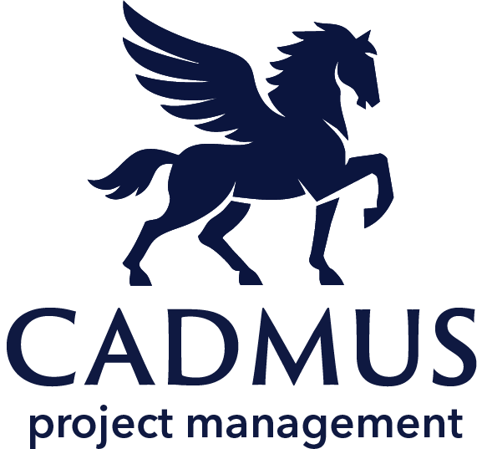 Stakeholder Register
Project Manager
Start Date
End Date
www.cadmusprojects.com
Stakeholder ID | Stakeholder Name | Role / Title | Contact Information | Interest Level (Low/Medium/High) | Influence Level (Low/Medium/High | Communication Requirements (Frequency/Method) | Comments
1 | Bruce Wayne | Executive | Alfred@WayneEnterprises.com | Low | High | Email/Daily
2
3
4
5
6
7
8

