Task & Gantt
Project Name |  | 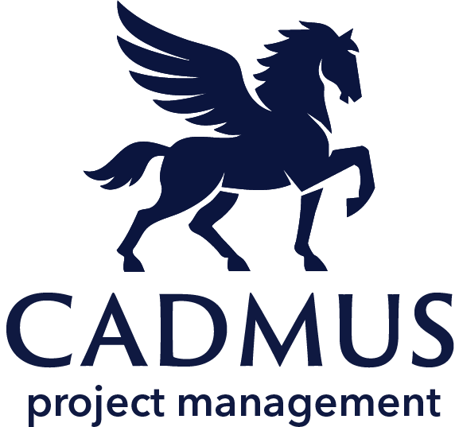 Task & Gantt
Project Manager
Start Date
End Date
www.cadmusprojects.com | *Gantt Bars adjust to reflect the start and end date entered.
Task ID | Task | Milestone / Deliverable? | Assignee | Start Date | End Date | Work Days | Status | Comments | 2025-01-01 | 2025-01-08 | 2025-01-15 | 2025-01-22 | 2025-01-29 | 2025-02-05 | 2025-02-12 | 2025-02-19 | 2025-02-26 | 2025-03-05 | 2025-03-12 | 2025-03-19 | 2025-03-26 | 2025-04-02 | 2025-04-09 | 2025-04-16 | 2025-04-23 | 2025-04-30 | 2025-05-07 | 2025-05-14 | 2025-05-21 | 2025-05-28 | 2025-06-04 | 2025-06-11 | 2025-06-18 | 2025-06-25 | 2025-07-02 | 2025-07-09 | 2025-07-16 | 2025-07-23 | 2025-07-30 | 2025-08-06 | 2025-08-13 | 2025-08-20 | 2025-08-27 | 2025-09-03 | 2025-09-10 | 2025-09-17 | 2025-09-24 | 2025-10-01 | 2025-10-08 | 2025-10-15 | 2025-10-22 | 2025-10-29 | 2025-11-05 | 2025-11-12 | 2025-11-19 | 2025-11-26 | 2025-12-03 | 2025-12-10 | 2025-12-17 | 2025-12-24 | 2025-12-31
1 | First Task | No | Bruce | 2025-01-01 | 2025-01-30 | 22 | In Progress
2 | Second Task | Yes | Clark | 2025-02-01 | 2025-02-28 | 20 | Completed |  |  |  |  |  |  |  |  |  | ?
3 | Third Task | No | Hal | 2025-03-01 | 2025-03-30 | 20 | On Hold
4 | Fourth Task | No | Diana | 2025-04-01 | 2025-04-30 | 22 | Cancelled
5 | Fifth Task | Yes | Barry | 2025-05-01 | 2025-05-30 | 22 | Not Started |  |  |  |  |  |  |  |  |  |  |  |  |  |  |  |  |  |  |  |  |  |  | ?
6 | Sixth Task | No | Oliver | 2025-06-01 | 2025-06-30 | 21 | Not Started
7 | Seventh Task | Yes | Jonn | 2025-07-01 | 2025-07-30 | 22 | Not Started |  |  |  |  |  |  |  |  |  |  |  |  |  |  |  |  |  |  |  |  |  |  |  |  |  |  |  |  |  |  |  | ?
8 | Eighth Task | No | Arthur | 2025-08-01 | 2025-08-30 | 21 | Not Started

