screening data
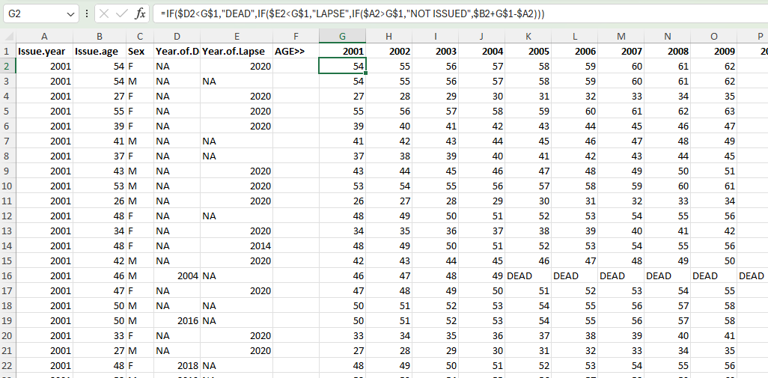
Population / Year | 2001 | 2002 | 2003 | 2004 | 2005 | 2006 | 2007 | 2008 | 2009 | 2010 | 2011 | 2012 | 2013 | 2014 | 2015 | 2016 | 2017 | 2018 | 2019 | 2020 | 2021 | 2022 | 2023
Active Policyholders (Year end) | 16904 | 39110 | 63466 | 88559 | 113884 | 143805 | 175574 | 208031 | 242695 | 279016 | 316744 | 357774 | 400030 | 442190 | 482908 | 529389 | 572631 | 620526 | 673394 | 730320 | 774598 | 811577 | 851607

Policyholder Criteria | 2001 | 2002 | 2003 | 2004 | 2005 | 2006 | 2007 | 2008 | 2009 | 2010 | 2011 | 2012 | 2013 | 2014 | 2015 | 2016 | 2017 | 2018 | 2019 | 2020 | 2021 | 2022 | 2023 | % of policyholders
Age 25-74, all gender | 16904 | 39110 | 63466 | 88559 | 113884 | 143805 | 176601 | 177704 | 178852 | 215616 | 253748 | 295028 | 337405 | 379470 | 419962 | 466019 | 508539 | 555594 | 607736 | 663590 | 706631 | 742015 | 780095 | 0.88758487664
Age 50-74, female | 1761 | 4262 | 7362 | 10840 | 14769 | 19639 | 25431 | 27953 | 30538 | 37293 | 44850 | 53337 | 62642 | 72732 | 83064 | 94975 | 107156 | 120518 | 135889 | 152317 | 165726 | 177897 | 190989 | 0.18377048131
Age 25-74, female | 6571 | 15331 | 25035 | 35023 | 45232 | 57461 | 71148 | 71444 | 71732 | 87212 | 103631 | 121499 | 140174 | 158912 | 177173 | 198450 | 218038 | 240096 | 264681 | 291121 | 312857 | 331251 | 351165 | 0.38000434708
Age 50-74, all gender | 4584 | 11122 | 19041 | 27894 | 37735 | 49903 | 63940 | 70456 | 77160 | 93838 | 111997 | 132410 | 154366 | 177880 | 201858 | 229253 | 256712 | 286866 | 320704 | 356643 | 384091 | 408571 | 434604 | 0.43780026082

Please note that above data was found using various excel formulas to determine the number of people in each policyholder criteria. These excel sheets weren't included to ensure that the file is less than 25MB.
Use countifs excel formulas to get the number of policyholders in each policyholder criteria with the data in the photo below.

To determine the number of policyholders at a certain age in each year, first find the age of the policyholder in each year using the formula shown in the photo below.
Please note that this screenshot only includes a subset of the policyholders and if you want to recreate it, please use the whole dataset that was provided to get the exact numbers above.

